F2
Date | r(t) [kg] | Cleaned Data | Filter 1 | Date | Filter 2 Moving Average |  |  |  | So this is wt unit
2021-01-01 | 44.7 |  | 44.671732606 | 2021-01-01 | 45 | c1 | 4.197 | EUR/order | piece wt
2021-01-02 | 45.6 |  | 45.630957158 | 2021-01-02 | 46 | c2 | 0.004 | EUR/kg*day | only whole kg can be ordered
2021-01-03 | 46.9 |  | 46.860748938 | 2021-01-03 | 47 | c3 | 0.021 | EUR/kg*day | Which means rounding needed
2021-01-04 | 45.8 |  | 45.843184029 | 2021-01-04 | 46 | cb | 3.259 | EUR/kg
2021-01-05 | 45.7 |  | 45.731339749 | 2021-01-05 | 46 | M(LT) | 1 | day | Expected value of lead time | Normal Distribution with 95% Reliability
2021-01-06 | 46.8 |  | 46.779809344 | 2021-01-06 | 46 | D(LT) | 0.5 | day | Standard deviation of lead time
2021-01-07 | 47.4 |  | 47.377982227 | 2021-01-07 | 46
2021-01-08 | 46.2 |  | 46.196149406 | 2021-01-08 | 47
2021-01-09 | 47.0 |  | 47.003188678 | 2021-01-09 | 47
2021-01-10 | 45.8 |  | 45.763544709 | 2021-01-10 | 47
Before Data Cleaning
 | r(t) [kg]
1/1/2021 | 44.7
1/2/2021 | 45.6
1/3/2021 | 46.9
1/4/2021 | 45.8
1/5/2021 | 45.7
1/6/2021 | 46.8
1/7/2021 | 47.4
1/8/2021 | 46.2
1/9/2021 | 47.0
1/10/2021 | 45.8
1/11/2021 | 46.4
1/12/2021 | 46.2
1/13/2021 | 48.9
1/14/2021 | 46.1
1/15/2021 | 46.5
1/16/2021 | 45.6
1/17/2021 | 46.3
1/18/2021 | 44.9
1/19/2021 | 45.8
1/20/2021 | 45.9
1/21/2021 | 46.0
1/22/2021 | 47.4
1/23/2021 | 47.0
1/24/2021 | 44.7
1/25/2021 | 46.9
1/26/2021 | 46.7
1/27/2021 | 45.7
1/28/2021 | 46.7
1/29/2021 | 47.4
1/30/2021 | 45.3
1/31/2021 | 46.5
2/1/2021 | 46.4
2/2/2021 | 47.3
2/3/2021 | 45.4
2/4/2021 | 45.8
2/5/2021 | 45.3
2/6/2021 | 45.9
2/7/2021 | 45.9
2/8/2021 | 47.7
2/9/2021 | 45.0
2/10/2021 | 45.5
2/11/2021 | 45.6
2/12/2021 | 45.3
2/13/2021 | 47.3
2/14/2021 | 45.6
2/15/2021 | 45.4
2/16/2021 | 47.0
2/17/2021 | 45.4
2/18/2021 | 45.3
2/19/2021 | 46.6
...
2021-01-11 | 46.4 |  | 46.421765187 | 2021-01-11 | 46
2021-01-12 | 46.2 |  | 46.235310093 | 2021-01-12 | 46
2021-01-13 | 48.9 |  | 48.861223098 | 2021-01-13 | 46
2021-01-14 | 46.1 |  | 46.131950669 | 2021-01-14 | 47
2021-01-15 | 46.5 |  | 46.536126342 | 2021-01-15 | 47
2021-01-16 | 45.6 |  | 45.635090733 | 2021-01-16 | 47
2021-01-17 | 46.3 |  | 46.270343808 | 2021-01-17 | 46
2021-01-18 | 44.9 |  | 44.948069908 | 2021-01-18 | 46
2021-01-19 | 45.8 |  | 45.778369047 | 2021-01-19 | 46
2021-01-20 | 45.9 |  | 45.865398015 | 2021-01-20 | 46
2021-01-21 | 46.0 |  | 45.976344341 | 2021-01-21 | 46
2021-01-22 | 47.4 |  | 47.444917348 | 2021-01-22 | 46
2021-01-23 | 47.0 |  | 46.956451823 | 2021-01-23 | 46
2021-01-24 | 44.7 |  | 44.674048297 | 2021-01-24 | 47
2021-01-25 | 46.9 |  | 46.913664097 | 2021-01-25 | 46
2021-01-26 | 46.7 |  | 46.655626572 | 2021-01-26 | 46
2021-01-27 | 45.7 |  | 45.688573052 | 2021-01-27 | 46
After Data Cleaning
 | Filter 2 Moving Average
1/1/2021 | 45
1/2/2021 | 46
1/3/2021 | 47
1/4/2021 | 46
1/5/2021 | 46
1/6/2021 | 46
1/7/2021 | 46
1/8/2021 | 47
1/9/2021 | 47
1/10/2021 | 47
1/11/2021 | 46
1/12/2021 | 46
1/13/2021 | 46
1/14/2021 | 47
1/15/2021 | 47
1/16/2021 | 47
1/17/2021 | 46
1/18/2021 | 46
1/19/2021 | 46
1/20/2021 | 46
1/21/2021 | 46
1/22/2021 | 46
1/23/2021 | 46
1/24/2021 | 47
1/25/2021 | 46
1/26/2021 | 46
1/27/2021 | 46
1/28/2021 | 46
1/29/2021 | 46
1/30/2021 | 47
1/31/2021 | 46
2/1/2021 | 46
2/2/2021 | 46
2/3/2021 | 47
2/4/2021 | 46
2/5/2021 | 46
2/6/2021 | 45
2/7/2021 | 46
2/8/2021 | 46
2/9/2021 | 47
2/10/2021 | 46
2/11/2021 | 46
2/12/2021 | 45
2/13/2021 | 45
2/14/2021 | 46
2/15/2021 | 46
2/16/2021 | 46
2/17/2021 | 46
2/18/2021 | 46
2/19/2021 | 46
...
2021-01-28 | 46.7 |  | 46.658352347 | 2021-01-28 | 46
2021-01-29 | 47.4 |  | 47.391746009 | 2021-01-29 | 46
2021-01-30 | 45.3 |  | 45.275135609 | 2021-01-30 | 47
2021-01-31 | 46.5 |  | 46.527351032 | 2021-01-31 | 46
2021-02-01 | 46.4 |  | 46.425166884 | 2021-02-01 | 46
2021-02-02 | 47.3 |  | 47.279955997 | 2021-02-02 | 46
2021-02-03 | 45.4 |  | 45.360425781 | 2021-02-03 | 47
2021-02-04 | 45.8 |  | 45.819687456 | 2021-02-04 | 46
2021-02-05 | 45.3 |  | 45.305505125 | 2021-02-05 | 46
2021-02-06 | 45.9 |  | 45.914358162 | 2021-02-06 | 45
2021-02-07 | 45.9 |  | 45.933726096 | 2021-02-07 | 46
2021-02-08 | 47.7 |  | 47.692386693 | 2021-02-08 | 46
2021-02-09 | 45.0 |  | 45.041110808 | 2021-02-09 | 47
2021-02-10 | 45.5 |  | 45.523747721 | 2021-02-10 | 46
2021-02-11 | 45.6 |  | 45.628835687 | 2021-02-11 | 46
2021-02-12 | 45.3 |  | 45.328904978 | 2021-02-12 | 45
2021-02-13 | 47.3 |  | 47.313671277 | 2021-02-13 | 45
2021-02-14 | 45.6 |  | 45.625762318 | 2021-02-14 | 46
2021-02-15 | 45.4 |  | 45.352693661 | 2021-02-15 | 46
2021-02-16 | 47.0 |  | 46.950769504 | 2021-02-16 | 46
2021-02-17 | 45.4 |  | 45.381481358 | 2021-02-17 | 46
2021-02-18 | 45.3 |  | 45.262195868 | 2021-02-18 | 46
2021-02-19 | 46.6 |  | 46.558301013 | 2021-02-19 | 46
2021-02-20 | 44.6 |  | 44.582137909 | 2021-02-20 | 46
2021-02-21 | 46.9 |  | 46.895731679 | 2021-02-21 | 45
2021-02-22 | 47.1 |  | 47.063071309 | 2021-02-22 | 46
2021-02-23 | 46.2 |  | 46.199751271 | 2021-02-23 | 46
2021-02-24 | 45.2 |  | 45.183092074 | 2021-02-24 | 47
2021-02-25 | 46.3 |  | 46.311209608 | 2021-02-25 | 46
2021-02-26 | 46.6 |  | 46.577240264 | 2021-02-26 | 46
2021-02-27 | 46.5 |  | 46.498816476 | 2021-02-27 | 46
2021-02-28 | 46.3 |  | 46.280310015 | 2021-02-28 | 46
2021-03-01 | 45.4 |  | 45.35157607 | 2021-03-01 | 46
2021-03-02 | 45.0 |  | 44.993950353 | 2021-03-02 | 46
2021-03-03 | 46.9 |  | 46.905828547 | 2021-03-03 | 46
2021-03-04 | 45.6 |  | 45.568473515 | 2021-03-04 | 46
2021-03-05 | 47.8 |  | 47.758123515 | 2021-03-05 | 46
2021-03-06 | 45.4 |  | 45.418520671 | 2021-03-06 | 47
2021-03-07 | 46.7 |  | 46.692034025 | 2021-03-07 | 46
2021-03-08 | 47.4 |  | 47.371046775 | 2021-03-08 | 47
2021-03-09 | 46.8 |  | 46.829964648 | 2021-03-09 | 46
2021-03-10 | 46.0 |  | 45.957291593 | 2021-03-10 | 47
2021-03-11 | 46.7 |  | 46.701422494 | 2021-03-11 | 47
2021-03-12 | 45.4 |  | 45.403654409 | 2021-03-12 | 46
2021-03-13 | 45.7 |  | 45.704859644 | 2021-03-13 | 46
2021-03-14 | 45.7 |  | 45.715929061 | 2021-03-14 | 46
2021-03-15 | 45.1 |  | 45.134561019 | 2021-03-15 | 46
2021-03-16 | 47.7 |  | 47.731030539 | 2021-03-16 | 46
2021-03-17 | 48.7 |  | 48.693793138 | 2021-03-17 | 46
2021-03-18 | 46.1 |  | 46.056362807 | 2021-03-18 | 47
2021-03-19 | 45.7 |  | 45.696625482 | 2021-03-19 | 47
2021-03-20 | 47.5 |  | 47.45150877 | 2021-03-20 | 47
2021-03-21 | 47.1 |  | 47.058604011 | 2021-03-21 | 46
2021-03-22 | 46.6 |  | 46.588356283 | 2021-03-22 | 47
2021-03-23 | 45.9 |  | 45.853844957 | 2021-03-23 | 47
2021-03-24 | 48.0 |  | 47.995057173 | 2021-03-24 | 47
2021-03-25 | 45.5 |  | 45.500507821 | 2021-03-25 | 47
2021-03-26 | 45.5 |  | 45.547928812 | 2021-03-26 | 46
2021-03-27 | 45.9 |  | 45.909521778 | 2021-03-27 | 46
2021-03-28 | 45.4 |  | 45.446131306 | 2021-03-28 | 46
2021-03-29 | 44.7 |  | 44.701543488 | 2021-03-29 | 46
2021-03-30 | 46.8 |  | 46.788829641 | 2021-03-30 | 45
2021-03-31 | 46.1 |  | 46.107992904 | 2021-03-31 | 46
2021-04-01 | 44.0 |  | 43.959286254 | 2021-04-01 | 46
2021-04-02 | 45.4 |  | 45.380400716 | 2021-04-02 | 46
2021-04-03 | 43.8 |  | 43.753805623 | 2021-04-03 | 45
2021-04-04 | 45.8 |  | 45.809511239 | 2021-04-04 | 44
2021-04-05 | 45.7 |  | 45.670065031 | 2021-04-05 | 45
2021-04-06 | 45.0 |  | 44.968037556 | 2021-04-06 | 45
2021-04-07 | 45.0 |  | 45.016508527 | 2021-04-07 | 45
2021-04-08 | 46.9 |  | 46.889757663 | 2021-04-08 | 45
2021-04-09 | 45.3 |  | 45.329441489 | 2021-04-09 | 46
2021-04-10 | 46.0 |  | 45.976516531 | 2021-04-10 | 46
2021-04-11 | 46.7 |  | 46.697703766 | 2021-04-11 | 46
2021-04-12 | 47.4 |  | 47.400974748 | 2021-04-12 | 46
2021-04-13 | 45.6 |  | 45.635433023 | 2021-04-13 | 47
2021-04-14 | 45.4 |  | 45.356254526 | 2021-04-14 | 47
2021-04-15 | 45.8 |  | 45.768434302 | 2021-04-15 | 46
2021-04-16 | 44.1 |  | 44.099877077 | 2021-04-16 | 46
2021-04-17 | 44.6 |  | 44.611621069 | 2021-04-17 | 45
2021-04-18 | 46.7 |  | 46.669087548 | 2021-04-18 | 45
2021-04-19 | 46.2 |  | 46.190250279 | 2021-04-19 | 45
2021-04-20 | 45.5 |  | 45.49692493 | 2021-04-20 | 46
2021-04-21 | 45.2 |  | 45.156516556 | 2021-04-21 | 46
2021-04-22 | 46.3 |  | 46.29065018 | 2021-04-22 | 46
2021-04-23 | 46.8 |  | 46.848186536 | 2021-04-23 | 46
2021-04-24 | 46.3 |  | 46.312706551 | 2021-04-24 | 46
2021-04-25 | 45.8 |  | 45.81042158 | 2021-04-25 | 46
2021-04-26 | 46.2 |  | 46.165242187 | 2021-04-26 | 46
2021-04-27 | 46.9 |  | 46.859176994 | 2021-04-27 | 46
2021-04-28 | 47.5 |  | 47.532586292 | 2021-04-28 | 46
2021-04-29 | 44.0 |  | 43.976019435 | 2021-04-29 | 47
2021-04-30 | 46.6 |  | 46.556368853 | 2021-04-30 | 46
2021-05-01 | 46.3 |  | 46.286728003 | 2021-05-01 | 46
2021-05-02 | 47.8 |  | 47.845683685 | 2021-05-02 | 46
2021-05-03 | 49.2 |  | 49.181722333 | 2021-05-03 | 47
2021-05-04 | 50.3 |  | 50.323278162 | 2021-05-04 | 48
2021-05-05 | 51.1 |  | 51.074813998 | 2021-05-05 | 49
2021-05-06 | 51.4 |  | 51.360801846 | 2021-05-06 | 50
2021-05-07 | 53.0 |  | 52.971035618 | 2021-05-07 | 51
2021-05-08 | 55.0 |  | 55.011960583 | 2021-05-08 | 52
2021-05-09 | 54.2 |  | 54.227452253 | 2021-05-09 | 53
2021-05-10 | 56.0 |  | 55.979947779 | 2021-05-10 | 54
2021-05-11 | 56.2 |  | 56.248598364 | 2021-05-11 | 55
2021-05-12 | 57.5 |  | 57.513308232 | 2021-05-12 | 55
2021-05-13 | 59.3 |  | 59.258509202 | 2021-05-13 | 57
2021-05-14 | 60.0 |  | 60.009085471 | 2021-05-14 | 58
2021-05-15 | 60.7 |  | 60.686213524 | 2021-05-15 | 59
2021-05-16 | 59.8 |  | 59.832268022 | 2021-05-16 | 60
2021-05-17 | 61.7 |  | 61.702230735 | 2021-05-17 | 60
2021-05-18 | 61.8 |  | 61.769255813 | 2021-05-18 | 61
2021-05-19 | 65.1 |  | 65.083820454 | 2021-05-19 | 61
2021-05-20 | 65.2 |  | 65.200701086 | 2021-05-20 | 63
2021-05-21 | 63.4 |  | 63.360143168 | 2021-05-21 | 64
2021-05-22 | 67.0 |  | 67.001514179 | 2021-05-22 | 65
2021-05-23 | 65.7 |  | 65.705138607 | 2021-05-23 | 65
2021-05-24 | 68.0 |  | 67.98508886 | 2021-05-24 | 65
2021-05-25 | 70.2 |  | 70.242289314 | 2021-05-25 | 67
2021-05-26 | 69.3 |  | 69.296345231 | 2021-05-26 | 68
2021-05-27 | 68.9 |  | 68.871668866 | 2021-05-27 | 69
2021-05-28 | 70.9 |  | 70.915261195 | 2021-05-28 | 69
2021-05-29 | 72.8 |  | 72.845030309 | 2021-05-29 | 70
2021-05-30 | 72.0 |  | 71.95997029 | 2021-05-30 | 71
2021-05-31 | 72.3 |  | 72.265412609 | 2021-05-31 | 72
2021-06-01 | 75.0 |  | 74.963169044 | 2021-06-01 | 72
2021-06-02 | 73.2 |  | 73.228055172 | 2021-06-02 | 73
2021-06-03 | 74.7 |  | 74.747810483 | 2021-06-03 | 73
2021-06-04 | 73.4 |  | 73.441713205 | 2021-06-04 | 74
2021-06-05 | 75.0 |  | 75.018344499 | 2021-06-05 | 74
2021-06-06 | 74.8 |  | 74.760925772 | 2021-06-06 | 74
2021-06-07 | 74.7 |  | 74.731600657 | 2021-06-07 | 74
2021-06-08 | 75.7 |  | 75.696178266 | 2021-06-08 | 75
2021-06-09 | 75.8 |  | 75.827610341 | 2021-06-09 | 75
2021-06-10 | 77.1 |  | 77.057377384 | 2021-06-10 | 75
2021-06-11 | 77.3 |  | 77.348900506 | 2021-06-11 | 76
2021-06-12 | 77.2 |  | 77.204319574 | 2021-06-12 | 77
2021-06-13 | 76.9 |  | 76.904980508 | 2021-06-13 | 77
2021-06-14 | 78.2 |  | 78.163529273 | 2021-06-14 | 77
2021-06-15 | 77.6 |  | 77.577385227 | 2021-06-15 | 77
2021-06-16 | 78.2 |  | 78.156015193 | 2021-06-16 | 78
2021-06-17 | 78.2 |  | 78.175647117 | 2021-06-17 | 78
2021-06-18 | 79.4 |  | 79.354687451 | 2021-06-18 | 78
2021-06-19 | 78.7 |  | 78.720087945 | 2021-06-19 | 79
2021-06-20 | 79.1 |  | 79.07654688 | 2021-06-20 | 79
2021-06-21 | 79.0 |  | 78.953095593 | 2021-06-21 | 79
2021-06-22 | 78.3 |  | 78.265262534 | 2021-06-22 | 79
2021-06-23 | 78.1 |  | 78.059503066 | 2021-06-23 | 79
2021-06-24 | 79.6 |  | 79.639519549 | 2021-06-24 | 78
2021-06-25 | 77.7 |  | 77.696500158 | 2021-06-25 | 79
2021-06-26 | 79.8 |  | 79.777848692 | 2021-06-26 | 78
2021-06-27 | 78.1 |  | 78.098321116 | 2021-06-27 | 79
2021-06-28 | 77.3 |  | 77.257813987 | 2021-06-28 | 79
2021-06-29 | 78.2 |  | 78.203790404 | 2021-06-29 | 78
2021-06-30 | 76.6 |  | 76.601179053 | 2021-06-30 | 78
2021-07-01 | 76.8 |  | 76.781725108 | 2021-07-01 | 77
2021-07-02 | 76.2 |  | 76.236716384 | 2021-07-02 | 77
2021-07-03 | 74.9 |  | 74.941864612 | 2021-07-03 | 77
2021-07-04 | 75.2 |  | 75.21764605 | 2021-07-04 | 76
2021-07-05 | 76.7 |  | 76.653064505 | 2021-07-05 | 75
2021-07-06 | 72.6 |  | 72.598058929 | 2021-07-06 | 76
2021-07-07 | 74.1 |  | 74.115540698 | 2021-07-07 | 75
2021-07-08 | 73.8 |  | 73.801063184 | 2021-07-08 | 74
2021-07-09 | 73.2 |  | 73.238880414 | 2021-07-09 | 74
2021-07-10 | 71.9 |  | 71.898506922 | 2021-07-10 | 74
2021-07-11 | 71.0 |  | 71.04015915 | 2021-07-11 | 73
2021-07-12 | 70.9 |  | 70.867448181 | 2021-07-12 | 72
2021-07-13 | 71.1 |  | 71.129191576 | 2021-07-13 | 71
2021-07-14 | 70.1 |  | 70.05000069 | 2021-07-14 | 71
2021-07-15 | 69.6 |  | 69.605726531 | 2021-07-15 | 71
2021-07-16 | 69.1 |  | 69.061728134 | 2021-07-16 | 70
2021-07-17 | 68.9 |  | 68.94641126 | 2021-07-17 | 70
2021-07-18 | 68.2 | 68.2 | 68.159065657 | 2021-07-18 | 69
2021-07-19 | 67.7 | 67.7 | 67.73995164 | 2021-07-19 | 69
2021-07-20 | 64.3 | 64.3 | 64.327021256 | 2021-07-20 | 68
2021-07-21 |  | 66.074592723 | 66.074592723 | 2021-07-21 | 67
2021-07-22 |  | 65.386716654 | 65.386716654 | 2021-07-22 | 66
2021-07-23 |  | 64.610149109 | 64.610149109 | 2021-07-23 | 65
2021-07-24 |  | 64.7035813 | 64.7035813 | 2021-07-24 | 65
2021-07-25 |  | 64.117533046 | 64.117533046 | 2021-07-25 | 65
2021-07-26 | 59.3 | 59.3 | 59.3 | 2021-07-26 | 64
2021-07-27 | 60.6 |  | 60.600697268 | 2021-07-27 | 63
2021-07-28 | 59.4 |  | 59.447413418 | 2021-07-28 | 61
2021-07-29 | 58.0 |  | 58.015635997 | 2021-07-29 | 60
2021-07-30 | 57.4 |  | 57.434095082 | 2021-07-30 | 59
2021-07-31 | 55.9 |  | 55.909413985 | 2021-07-31 | 58
2021-08-01 | 55.3 |  | 55.327005076 | 2021-08-01 | 57
2021-08-02 | 53.4 |  | 53.392561861 | 2021-08-02 | 56
2021-08-03 | 54.7 |  | 54.712311361 | 2021-08-03 | 55
2021-08-04 | 52.0 |  | 52.010454049 | 2021-08-04 | 54
2021-08-05 | 51.1 |  | 51.088312533 | 2021-08-05 | 53
2021-08-06 | 49.4 |  | 49.380614956 | 2021-08-06 | 53
2021-08-07 | 50.3 |  | 50.292329601 | 2021-08-07 | 51
2021-08-08 | 49.1 |  | 49.10860523 | 2021-08-08 | 50
2021-08-09 | 47.7 |  | 47.692687394 | 2021-08-09 | 50
2021-08-10 | 46.2 |  | 46.191950951 | 2021-08-10 | 49
2021-08-11 | 43.1 |  | 43.108827918 | 2021-08-11 | 48
2021-08-12 | 44.5 |  | 44.47174317 | 2021-08-12 | 46
2021-08-13 | 42.1 |  | 42.060450827 | 2021-08-13 | 45
2021-08-14 | 42.4 |  | 42.383352662 | 2021-08-14 | 43
2021-08-15 | 40.9 |  | 40.880627321 | 2021-08-15 | 43
2021-08-16 | 40.0 |  | 40.002338423 | 2021-08-16 | 42
2021-08-17 | 38.7 |  | 38.661337926 | 2021-08-17 | 41
2021-08-18 | 37.9 |  | 37.91833776 | 2021-08-18 | 40
2021-08-19 | 37.3 |  | 37.277230948 | 2021-08-19 | 39
2021-08-20 | 35.1 |  | 35.085082777 | 2021-08-20 | 38
2021-08-21 | 35.1 |  | 35.141907344 | 2021-08-21 | 37
2021-08-22 | 34.7 |  | 34.685504792 | 2021-08-22 | 36
2021-08-23 | 34.7 |  | 34.670522915 | 2021-08-23 | 35
2021-08-24 | 33.1 |  | 33.112870009 | 2021-08-24 | 35
2021-08-25 | 32.4 |  | 32.422631729 | 2021-08-25 | 34
2021-08-26 | 29.8 |  | 29.83111036 | 2021-08-26 | 33
2021-08-27 | 32.0 |  | 31.976731726 | 2021-08-27 | 32
2021-08-28 | 29.9 |  | 29.87639444 | 2021-08-28 | 31
2021-08-29 | 28.6 |  | 28.572627784 | 2021-08-29 | 31
2021-08-30 | 27.3 |  | 27.297716822 | 2021-08-30 | 30
2021-08-31 | 26.7 |  | 26.676264263 | 2021-08-31 | 29
2021-09-01 | 25.5 |  | 25.524816395 | 2021-09-01 | 28
2021-09-02 | 24.6 |  | 24.591101261 | 2021-09-02 | 26
2021-09-03 | 24.2 |  | 24.169927615 | 2021-09-03 | 26
2021-09-04 | 22.8 |  | 22.792943057 | 2021-09-04 | 25
2021-09-05 | 23.7 |  | 23.664836165 | 2021-09-05 | 24
2021-09-06 | 22.1 |  | 22.112668173 | 2021-09-06 | 24
2021-09-07 | 21.5 |  | 21.450901498 | 2021-09-07 | 23
2021-09-08 | 20.7 |  | 20.739729879 | 2021-09-08 | 22
2021-09-09 | 19.2 |  | 19.183152918 | 2021-09-09 | 21
2021-09-10 | 20.0 |  | 19.977204609 | 2021-09-10 | 20
2021-09-11 | 18.8 |  | 18.768453916 | 2021-09-11 | 20
2021-09-12 | 19.9 |  | 19.867311781 | 2021-09-12 | 19
2021-09-13 | 18.1 |  | 18.128965116 | 2021-09-13 | 20
2021-09-14 | 18.5 |  | 18.457887615 | 2021-09-14 | 19
2021-09-15 | 18.1 |  | 18.059982803 | 2021-09-15 | 19
2021-09-16 | 15.9 |  | 15.936650164 | 2021-09-16 | 18
2021-09-17 | 15.9 |  | 15.868357616 | 2021-09-17 | 17
2021-09-18 | 17.6 |  | 17.645201048 | 2021-09-18 | 17
2021-09-19 | 15.4 |  | 15.448760512 | 2021-09-19 | 16
2021-09-20 | 15.0 |  | 14.956938305 | 2021-09-20 | 16
2021-09-21 | 13.1 |  | 13.082237275 | 2021-09-21 | 16
2021-09-22 | 13.7 |  | 13.656921802 | 2021-09-22 | 14
2021-09-23 | 13.9 |  | 13.8926678 | 2021-09-23 | 14
2021-09-24 | 14.6 |  | 14.561529243 | 2021-09-24 | 14
2021-09-25 | 15.0 |  | 14.952843304 | 2021-09-25 | 14
2021-09-26 | 12.8 |  | 12.752622783 | 2021-09-26 | 14
2021-09-27 | 13.7 |  | 13.680025429 | 2021-09-27 | 14
2021-09-28 | 12.5 |  | 12.505426693 | 2021-09-28 | 14
2021-09-29 | 14.9 |  | 14.948216911 | 2021-09-29 | 13
2021-09-30 | 13.5 |  | 13.463408405 | 2021-09-30 | 14
2021-10-01 | 14.1 |  | 14.083304518 | 2021-10-01 | 14
2021-10-02 | 13.1 |  | 13.084202205 | 2021-10-02 | 14
2021-10-03 | 11.9 |  | 11.908780304 | 2021-10-03 | 14
2021-10-04 | 15.0 |  | 15.022053048 | 2021-10-04 | 13
2021-10-05 | 12.9 |  | 12.933684354 | 2021-10-05 | 13
2021-10-06 | 13.0 |  | 12.982110381 | 2021-10-06 | 13
2021-10-07 | 13.8 |  | 13.75025161 | 2021-10-07 | 14
2021-10-08 | 15.1 |  | 15.145382732 | 2021-10-08 | 13
2021-10-09 | 14.6 |  | 14.616483756 | 2021-10-09 | 14
2021-10-10 | 14.5 |  | 14.507167466 | 2021-10-10 | 15
2021-10-11 | 12.9 |  | 12.919039112 | 2021-10-11 | 15
2021-10-12 | 14.4 |  | 14.446155964 | 2021-10-12 | 14
2021-10-13 | 16.0 |  | 16.045940938 | 2021-10-13 | 14
2021-10-14 | 16.6 |  | 16.620028436 | 2021-10-14 | 14
2021-10-15 | 17.2 |  | 17.211759924 | 2021-10-15 | 16
2021-10-16 | 17.0 |  | 17.01681227 | 2021-10-16 | 17
2021-10-17 | 19.2 |  | 19.209644385 | 2021-10-17 | 17
2021-10-18 | 19.8 |  | 19.766046279 | 2021-10-18 | 18
2021-10-19 | 17.2 |  | 17.229590997 | 2021-10-19 | 19
2021-10-20 | 18.3 |  | 18.265299972 | 2021-10-20 | 19
2021-10-21 | 20.8 |  | 20.806305971 | 2021-10-21 | 18
2021-10-22 | 17.8 |  | 17.815859071 | 2021-10-22 | 19
2021-10-23 | 21.3 |  | 21.271127559 | 2021-10-23 | 19
2021-10-24 | 20.7 |  | 20.703879783 | 2021-10-24 | 20
2021-10-25 | 24.5 |  | 24.504646439 | 2021-10-25 | 20
2021-10-26 | 23.9 |  | 23.881375265 | 2021-10-26 | 22
2021-10-27 | 24.6 |  | 24.614430163 | 2021-10-27 | 23
2021-10-28 | 23.8 |  | 23.789968716 | 2021-10-28 | 24
2021-10-29 | 25.5 |  | 25.545521713 | 2021-10-29 | 24
2021-10-30 | 24.2 |  | 24.18931862 | 2021-10-30 | 25
2021-10-31 | 28.1 |  | 28.051884134 | 2021-10-31 | 25
2021-11-01 | 27.9 |  | 27.92243984 | 2021-11-01 | 26
2021-11-02 | 29.0 |  | 29.0298724 | 2021-11-02 | 27
2021-11-03 | 28.0 |  | 28.003864839 | 2021-11-03 | 28
2021-11-04 | 30.5 |  | 30.503995777 | 2021-11-04 | 28
2021-11-05 | 32.7 |  | 32.67673303 | 2021-11-05 | 29
2021-11-06 | 32.1 |  | 32.061822729 | 2021-11-06 | 30
2021-11-07 | 33.7 |  | 33.707054277 | 2021-11-07 | 32
2021-11-08 | 35.8 |  | 35.822486305 | 2021-11-08 | 33
2021-11-09 | 33.9 |  | 33.922092054 | 2021-11-09 | 34
2021-11-10 | 35.6 |  | 35.590395099 | 2021-11-10 | 34
2021-11-11 | 35.9 |  | 35.854337194 | 2021-11-11 | 35
2021-11-12 | 37.1 |  | 37.073967155 | 2021-11-12 | 35
2021-11-13 | 39.5 |  | 39.509428574 | 2021-11-13 | 36
2021-11-14 | 39.8 |  | 39.807607772 | 2021-11-14 | 37
2021-11-15 | 41.6 |  | 41.561329407 | 2021-11-15 | 39
2021-11-16 | 40.7 |  | 40.715405538 | 2021-11-16 | 40
2021-11-17 | 42.6 |  | 42.569267972 | 2021-11-17 | 41
2021-11-18 | 43.0 |  | 42.969381154 | 2021-11-18 | 42
2021-11-19 | 45.5 |  | 45.468338604 | 2021-11-19 | 42
2021-11-20 | 45.9 |  | 45.858374348 | 2021-11-20 | 44
2021-11-21 | 47.0 |  | 46.993582063 | 2021-11-21 | 45
2021-11-22 | 47.9 |  | 47.872568135 | 2021-11-22 | 46
2021-11-23 | 49.7 |  | 49.682269853 | 2021-11-23 | 47
2021-11-24 | 50.8 |  | 50.825523958 | 2021-11-24 | 48
2021-11-25 | 50.2 |  | 50.167668313 | 2021-11-25 | 49
2021-11-26 | 50.6 |  | 50.617438728 | 2021-11-26 | 50
2021-11-27 | 51.7 |  | 51.727951832 | 2021-11-27 | 51
2021-11-28 | 53.7 |  | 53.690331148 | 2021-11-28 | 51
2021-11-29 | 54.4 |  | 54.376421351 | 2021-11-29 | 52
2021-11-30 | 55.7 |  | 55.698492841 | 2021-11-30 | 53
2021-12-01 | 54.7 |  | 54.722626158 | 2021-12-01 | 55
2021-12-02 | 55.9 |  | 55.855655628 | 2021-12-02 | 55
2021-12-03 | 57.3 |  | 57.300975314 | 2021-12-03 | 55
2021-12-04 | 59.4 |  | 59.361434657 | 2021-12-04 | 56
2021-12-05 | 60.2 |  | 60.245649076 | 2021-12-05 | 58
2021-12-06 | 61.7 |  | 61.703045274 | 2021-12-06 | 59
2021-12-07 | 63.5 |  | 63.472285997 | 2021-12-07 | 60
2021-12-08 | 61.9 |  | 61.899446498 | 2021-12-08 | 62
2021-12-09 | 62.4 |  | 62.432172415 | 2021-12-09 | 62
2021-12-10 | 63.7 |  | 63.724475849 | 2021-12-10 | 63
2021-12-11 | 66.2 |  | 66.211631416 | 2021-12-11 | 63
2021-12-12 | 67.8 |  | 67.77805878 | 2021-12-12 | 64
2021-12-13 | 66.3 |  | 66.300452751 | 2021-12-13 | 66
2021-12-14 | 67.4 |  | 67.381089934 | 2021-12-14 | 67
2021-12-15 | 66.2 |  | 66.184973254 | 2021-12-15 | 67
2021-12-16 | 69.5 |  | 69.520725875 | 2021-12-16 | 67
2021-12-17 | 69.9 |  | 69.915303568 | 2021-12-17 | 68
2021-12-18 | 70.4 |  | 70.434187546 | 2021-12-18 | 69
2021-12-19 | 72.1 |  | 72.113028039 | 2021-12-19 | 70
2021-12-20 | 71.1 |  | 71.124865577 | 2021-12-20 | 71
2021-12-21 | 74.0 |  | 74.001407383 | 2021-12-21 | 71
2021-12-22 | 70.8 |  | 70.845952549 | 2021-12-22 | 72
2021-12-23 | 75.1 |  | 75.063334878 | 2021-12-23 | 72
2021-12-24 | 75.6 |  | 75.565357681 | 2021-12-24 | 73
2021-12-25 | 73.2 |  | 73.180750774 | 2021-12-25 | 74
2021-12-26 | 75.4 |  | 75.357719263 | 2021-12-26 | 75
2021-12-27 | 77.3 |  | 77.25464502 | 2021-12-27 | 75
2021-12-28 | 76.4 |  | 76.38979069 | 2021-12-28 | 75
2021-12-29 | 76.0 |  | 75.99310199 | 2021-12-29 | 76
2021-12-30 | 77.9 |  | 77.910415433 | 2021-12-30 | 77
2021-12-31 | 76.9 |  | 76.886888383 | 2021-12-31 | 77
2022-01-01 | 26.8 |  | 26.803039564 | 2022-01-01 | 77
2022-01-02 | 30.1 |  | 30.116431724 | 2022-01-02 | 61
2022-01-03 | 30.9 |  | 30.928094299 | 2022-01-03 | 45
2022-01-04 | 24.8 |  | 24.755319375 | 2022-01-04 | 29
2022-01-05 | 30.2 |  | 30.182684234 | 2022-01-05 | 29
2022-01-06 | 25.3 |  | 25.261097046 | 2022-01-06 | 29
2022-01-07 | 28.4 |  | 28.426789336 | 2022-01-07 | 27
2022-01-08 | 30.5 |  | 30.489458608 | 2022-01-08 | 28
2022-01-09 | 31.0 |  | 31.022104528 | 2022-01-09 | 28
2022-01-10 | 27.5 |  | 27.458126826 | 2022-01-10 | 30
2022-01-11 | 27.9 |  | 27.853059112 | 2022-01-11 | 30
2022-01-12 | 27.7 |  | 27.741186056 | 2022-01-12 | 29
2022-01-13 | 26.4 |  | 26.385060473 | 2022-01-13 | 28
2022-01-14 | 30.4 |  | 30.447087442 | 2022-01-14 | 27
2022-01-15 | 30.7 |  | 30.713843386 | 2022-01-15 | 28
2022-01-16 | 27.4 |  | 27.38105444 | 2022-01-16 | 29
2022-01-17 | 27.8 |  | 27.762206285 | 2022-01-17 | 30
2022-01-18 | 29.7 |  | 29.66572614 | 2022-01-18 | 29
2022-01-19 | 30.2 |  | 30.213723571 | 2022-01-19 | 28
2022-01-20 | 24.8 |  | 24.767314928 | 2022-01-20 | 29
2022-01-21 | 24.8 |  | 24.827225944 | 2022-01-21 | 28
2022-01-22 | 31.3 |  | 31.31364545 | 2022-01-22 | 27
2022-01-23 | 31.0 |  | 30.991258203 | 2022-01-23 | 27
2022-01-24 | 26.8 |  | 26.804428978 | 2022-01-24 | 29
2022-01-25 | 31.0 |  | 30.963018304 | 2022-01-25 | 30
2022-01-26 | 28.0 |  | 27.993375943 | 2022-01-26 | 30
2022-01-27 | 24.7 |  | 24.671829448 | 2022-01-27 | 29
2022-01-28 | 30.8 |  | 30.794512549 | 2022-01-28 | 28
2022-01-29 | 25.6 |  | 25.591542845 | 2022-01-29 | 28
2022-01-30 | 24.4 |  | 24.448573229 | 2022-01-30 | 27
2022-01-31 | 27.9 |  | 27.916410619 | 2022-01-31 | 27
2022-02-01 | 30.6 |  | 30.640610144 | 2022-02-01 | 26
2022-02-02 | 31.2 |  | 31.204770958 | 2022-02-02 | 28
2022-02-03 | 27.2 |  | 27.216255468 | 2022-02-03 | 30
2022-02-04 | 24.7 |  | 24.742631226 | 2022-02-04 | 30
2022-02-05 | 29.9 |  | 29.901633382 | 2022-02-05 | 28
2022-02-06 | 27.5 |  | 27.548614897 | 2022-02-06 | 27
2022-02-07 | 27.6 |  | 27.560235657 | 2022-02-07 | 27
2022-02-08 | 31.5 |  | 31.476975217 | 2022-02-08 | 28
2022-02-09 | 24.3 |  | 24.322199837 | 2022-02-09 | 29
2022-02-10 | 27.3 |  | 27.314248632 | 2022-02-10 | 28
2022-02-11 | 24.6 |  | 24.639571271 | 2022-02-11 | 28
2022-02-12 | 24.5 |  | 24.477608688 | 2022-02-12 | 25
2022-02-13 | 31.2 |  | 31.227023043 | 2022-02-13 | 25
2022-02-14 | 30.1 |  | 30.11300313 | 2022-02-14 | 27
2022-02-15 | 24.5 |  | 24.490454577 | 2022-02-15 | 29
2022-02-16 | 28.2 |  | 28.170461702 | 2022-02-16 | 29
2022-02-17 | 24.5 |  | 24.505999934 | 2022-02-17 | 28
2022-02-18 | 24.4 |  | 24.441585769 | 2022-02-18 | 26
2022-02-19 | 27.9 |  | 27.934980608 | 2022-02-19 | 26
2022-02-20 | 24.1 |  | 24.074354471 | 2022-02-20 | 26
2022-02-21 | 28.1 |  | 28.137439007 | 2022-02-21 | 25
2022-02-22 | 31.1 |  | 31.061627064 | 2022-02-22 | 27
2022-02-23 | 24.9 |  | 24.947865686 | 2022-02-23 | 28
2022-02-24 | 29.8 |  | 29.820840769 | 2022-02-24 | 28
2022-02-25 | 30.6 |  | 30.565398341 | 2022-02-25 | 29
2022-02-26 | 25.2 |  | 25.151709743 | 2022-02-26 | 28
2022-02-27 | 27.9 |  | 27.899289885 | 2022-02-27 | 29
2022-02-28 | 30.5 |  | 30.54500461 | 2022-02-28 | 28
2022-03-01 | 29.9 |  | 29.932040206 | 2022-03-01 | 28
2022-03-02 | 27.0 |  | 26.996370212 | 2022-03-02 | 29
2022-03-03 | 31.0 |  | 30.957846841 | 2022-03-03 | 29
2022-03-04 | 27.3 |  | 27.341084109 | 2022-03-04 | 29
2022-03-05 | 28.7 |  | 28.654874109 | 2022-03-05 | 28
2022-03-06 | 24.5 |  | 24.526001163 | 2022-03-06 | 29
2022-03-07 | 28.0 |  | 28.015220415 | 2022-03-07 | 27
2022-03-08 | 31.3 |  | 31.264890871 | 2022-03-08 | 27
2022-03-09 | 28.1 |  | 28.097978789 | 2022-03-09 | 28
2022-03-10 | 30.3 |  | 30.331812451 | 2022-03-10 | 29
2022-03-11 | 28.0 |  | 28.020853496 | 2022-03-11 | 30
2022-03-12 | 30.0 |  | 29.96641191 | 2022-03-12 | 29
2022-03-13 | 24.7 |  | 24.680624208 | 2022-03-13 | 29
2022-03-14 | 24.7 |  | 24.686601693 | 2022-03-14 | 28
2022-03-15 | 27.1 |  | 27.080736611 | 2022-03-15 | 26
2022-03-16 | 31.5 |  | 31.502480156 | 2022-03-16 | 25
2022-03-17 | 26.3 |  | 26.294648294 | 2022-03-17 | 28
2022-03-18 | 27.6 |  | 27.633817684 | 2022-03-18 | 28
2022-03-19 | 24.7 |  | 24.67617776 | 2022-03-19 | 28
2022-03-20 | 31.3 |  | 31.317995788 | 2022-03-20 | 26
2022-03-21 | 28.2 |  | 28.235162407 | 2022-03-21 | 28
2022-03-22 | 30.7 |  | 30.748315147 | 2022-03-22 | 28
2022-03-23 | 27.5 |  | 27.512306974 | 2022-03-23 | 30
2022-03-24 | 25.9 |  | 25.917330874 | 2022-03-24 | 29
2022-03-25 | 24.6 |  | 24.570274223 | 2022-03-25 | 28
2022-03-26 | 30.1 |  | 30.061633016 | 2022-03-26 | 26
2022-03-27 | 27.5 |  | 27.545713067 | 2022-03-27 | 27
2022-03-28 | 24.5 |  | 24.540910905 | 2022-03-28 | 27
2022-03-29 | 29.5 |  | 29.503018702 | 2022-03-29 | 27
2022-03-30 | 30.9 |  | 30.880627563 | 2022-03-30 | 27
2022-03-31 | 24.9 |  | 24.898316168 | 2022-03-31 | 28
2022-04-01 | 26.4 |  | 26.375571752 | 2022-04-01 | 28
2022-04-02 | 27.2 |  | 27.22824043 | 2022-04-02 | 27
2022-04-03 | 28.9 |  | 28.877511711 | 2022-04-03 | 26
2022-04-04 | 24.7 |  | 24.737136069 | 2022-04-04 | 27
2022-04-05 | 24.7 |  | 24.661835117 | 2022-04-05 | 27
2022-04-06 | 29.7 |  | 29.678904787 | 2022-04-06 | 26
2022-04-07 | 24.3 |  | 24.308914605 | 2022-04-07 | 26
2022-04-08 | 25.3 |  | 25.320469138 | 2022-04-08 | 26
2022-04-09 | 29.9 |  | 29.917431383 | 2022-04-09 | 26
2022-04-10 | 27.6 |  | 27.585909919 | 2022-04-10 | 27
2022-04-11 | 28.0 |  | 28.01862226 | 2022-04-11 | 28
2022-04-12 | 25.6 |  | 25.596526364 | 2022-04-12 | 29
2022-04-13 | 27.4 |  | 27.381259814 | 2022-04-13 | 27
2022-04-14 | 27.2 |  | 27.213752716 | 2022-04-14 | 27
2022-04-15 | 27.5 |  | 27.461060581 | 2022-04-15 | 27
2022-04-16 | 29.1 |  | 29.105918871 | 2022-04-16 | 27
2022-04-17 | 29.4 |  | 29.443669905 | 2022-04-17 | 28
2022-04-18 | 25.2 |  | 25.201307276 | 2022-04-18 | 29
2022-04-19 | 27.7 |  | 27.714150168 | 2022-04-19 | 28
2022-04-20 | 30.0 |  | 30.027970454 | 2022-04-20 | 27
2022-04-21 | 27.1 |  | 27.093909933 | 2022-04-21 | 28
2022-04-22 | 27.8 |  | 27.774390108 | 2022-04-22 | 28
2022-04-23 | 25.3 |  | 25.298020729 | 2022-04-23 | 28
2022-04-24 | 25.0 |  | 25.008861537 | 2022-04-24 | 27
2022-04-25 | 30.2 |  | 30.234878243 | 2022-04-25 | 26
2022-04-26 | 30.5 |  | 30.469059844 | 2022-04-26 | 27
2022-04-27 | 28.1 |  | 28.115506196 | 2022-04-27 | 29
2022-04-28 | 28.5 |  | 28.519551775 | 2022-04-28 | 30
2022-04-29 | 29.0 |  | 29.024172827 | 2022-04-29 | 29
2022-04-30 | 27.9 |  | 27.933821312 | 2022-04-30 | 29
2022-05-01 | 30.5 |  | 30.549240482 | 2022-05-01 | 28
2022-05-02 | 25.8 |  | 25.83666919 | 2022-05-02 | 29
2022-05-03 | 29.5 |  | 29.5090334 | 2022-05-03 | 28
2022-05-04 | 30.2 |  | 30.193966897 | 2022-05-04 | 29
2022-05-05 | 27.6 |  | 27.580399559 | 2022-05-05 | 29
2022-05-06 | 33.9 |  | 33.898129219 | 2022-05-06 | 29
2022-05-07 | 35.0 |  | 34.960883508 | 2022-05-07 | 31
2022-05-08 | 29.7 |  | 29.706458715 | 2022-05-08 | 32
2022-05-09 | 32.5 |  | 32.536471352 | 2022-05-09 | 33
2022-05-10 | 30.2 |  | 30.229171801 | 2022-05-10 | 32
2022-05-11 | 33.7 |  | 33.749159018 | 2022-05-11 | 31
2022-05-12 | 38.0 |  | 37.958783433 | 2022-05-12 | 32
2022-05-13 | 32.0 |  | 31.999594969 | 2022-05-13 | 34
2022-05-14 | 36.0 |  | 36.005451282 | 2022-05-14 | 35
2022-05-15 | 36.4 |  | 36.411728115 | 2022-05-15 | 35
2022-05-16 | 39.5 |  | 39.489296894 | 2022-05-16 | 35
2022-05-17 | 40.7 |  | 40.723472285 | 2022-05-17 | 37
2022-05-18 | 40.8 |  | 40.767708836 | 2022-05-18 | 39
2022-05-19 | 35.1 |  | 35.145263045 | 2022-05-19 | 40
2022-05-20 | 35.2 |  | 35.208378587 | 2022-05-20 | 39
2022-05-21 | 34.2 |  | 34.214477311 | 2022-05-21 | 37
2022-05-22 | 40.2 |  | 40.200908507 | 2022-05-22 | 35
2022-05-23 | 39.4 |  | 39.423083164 | 2022-05-23 | 37
2022-05-24 | 44.9 |  | 44.870158647 | 2022-05-24 | 38
2022-05-25 | 46.4 |  | 46.359910947 | 2022-05-25 | 41
2022-05-26 | 37.4 |  | 37.420026424 | 2022-05-26 | 44
2022-05-27 | 45.5 |  | 45.455301452 | 2022-05-27 | 43
2022-05-28 | 38.3 |  | 38.294241046 | 2022-05-28 | 43
2022-05-29 | 48.1 |  | 48.077720004 | 2022-05-29 | 40
2022-05-30 | 47.5 |  | 47.493580391 | 2022-05-30 | 44
2022-05-31 | 43.4 |  | 43.359247565 | 2022-05-31 | 45
2022-06-01 | 40.5 |  | 40.480111284 | 2022-06-01 | 46
2022-06-02 | 48.3 |  | 48.330516413 | 2022-06-02 | 44
2022-06-03 | 49.3 |  | 49.333554919 | 2022-06-03 | 44
2022-06-04 | 44.1 |  | 44.065027923 | 2022-06-04 | 46
2022-06-05 | 49.5 |  | 49.512107369 | 2022-06-05 | 47
2022-06-06 | 49.3 |  | 49.342211009 | 2022-06-06 | 48
2022-06-07 | 49.3 |  | 49.322856434 | 2022-06-07 | 48
2022-06-08 | 45.4 |  | 45.41770696 | 2022-06-08 | 49
2022-06-09 | 50.0 |  | 50.046222825 | 2022-06-09 | 48
2022-06-10 | 50.9 |  | 50.857869074 | 2022-06-10 | 48
2022-06-11 | 46.4 |  | 46.409340303 | 2022-06-11 | 49
2022-06-12 | 41.7 |  | 41.69033257 | 2022-06-12 | 49
2022-06-13 | 46.1 |  | 46.142988305 | 2022-06-13 | 46
2022-06-14 | 46.9 |  | 46.898117564 | 2022-06-14 | 45
2022-06-15 | 51.2 |  | 51.20107425 | 2022-06-15 | 45
2022-06-16 | 46.9 |  | 46.893609116 | 2022-06-16 | 48
2022-06-17 | 46.9 |  | 46.90538827 | 2022-06-17 | 48
2022-06-18 | 52.4 |  | 52.374093718 | 2022-06-18 | 48
2022-06-19 | 42.5 |  | 42.50884749 | 2022-06-19 | 49
2022-06-20 | 47.4 |  | 47.445928128 | 2022-06-20 | 47
2022-06-21 | 47.4 |  | 47.371857356 | 2022-06-21 | 47
2022-06-22 | 42.3 |  | 42.263241768 | 2022-06-22 | 46
2022-06-23 | 51.5 |  | 51.519272023 | 2022-06-23 | 46
2022-06-24 | 47.8 | 47.8 | 47.78371173 | 2022-06-24 | 47
2022-06-25 | 46.6 | 46.6 | 46.617900095 | 2022-06-25 | 47
2022-06-26 | 43.1 | 43.1 | 43.080038294 | 2022-06-26 | 49
2022-06-27 |  | 45.463087998 | 45.463087998 | 2022-06-27 | 46
2022-06-28 | 51.0 | 51.0 | 50.990157232 | 2022-06-28 | 45
2022-06-29 | 46.9 |  | 46.922274243 | 2022-06-29 | 47
2022-06-30 | 46.0 |  | 45.960707432 | 2022-06-30 | 48
2022-07-01 | 41.5 |  | 41.462131559 | 2022-07-01 | 48
2022-07-02 | 41.2 |  | 41.167826848 | 2022-07-02 | 45
2022-07-03 | 49.5 |  | 49.461630644 | 2022-07-03 | 43
2022-07-04 | 45.1 |  | 45.13058763 | 2022-07-04 | 44
2022-07-05 | 46.0 |  | 45.991838703 | 2022-07-05 | 45
2022-07-06 | 43.6 |  | 43.558835357 | 2022-07-06 | 47
2022-07-07 | 48.9 |  | 48.916256861 | 2022-07-07 | 45
2022-07-08 | 44.3 |  | 44.28063791 | 2022-07-08 | 46
2022-07-09 | 43.9 |  | 43.943328248 | 2022-07-09 | 46
2022-07-10 | 43.1 |  | 43.139104153 | 2022-07-10 | 46
2022-07-11 | 46.9 |  | 46.886505039 | 2022-07-11 | 44
2022-07-12 | 38.3 |  | 38.268422018 | 2022-07-12 | 45
2022-07-13 | 46.9 |  | 46.94526644 | 2022-07-13 | 43
2022-07-14 | 46.2 |  | 46.233000455 | 2022-07-14 | 44
2022-07-15 | 37.6 |  | 37.587092327 | 2022-07-15 | 44
2022-07-16 | 37.3 |  | 37.293333192 | 2022-07-16 | 44
2022-07-17 | 37.2 |  | 37.23106208 | 2022-07-17 | 40
2022-07-18 | 45.0 |  | 44.984983334 | 2022-07-18 | 37
2022-07-19 | 36.6 |  | 36.579573886 | 2022-07-19 | 40
2022-07-20 | 42.5 |  | 42.455834029 | 2022-07-20 | 40
2022-07-21 | 43.0 |  | 42.970013652 | 2022-07-21 | 41
2022-07-22 | 39.7 |  | 39.733265806 | 2022-07-22 | 41
2022-07-23 | 38.1 |  | 38.059915274 | 2022-07-23 | 42
2022-07-24 | 41.0 |  | 40.972772985 | 2022-07-24 | 40
2022-07-25 | 40.9 |  | 40.945061307 | 2022-07-25 | 40
2022-07-26 | 39.1 |  | 39.113938786 | 2022-07-26 | 40
2022-07-27 | 32.7 |  | 32.724376525 | 2022-07-27 | 40
2022-07-28 | 32.1 |  | 32.101603246 | 2022-07-28 | 38
2022-07-29 | 34.8 |  | 34.809381598 | 2022-07-29 | 35
2022-07-30 | 34.5 |  | 34.460457049 | 2022-07-30 | 33
2022-07-31 | 33.5 |  | 33.545648391 | 2022-07-31 | 34
2022-08-01 | 33.2 |  | 33.196203046 | 2022-08-01 | 34
2022-08-02 | 28.8 |  | 28.831983405 | 2022-08-02 | 34
2022-08-03 | 29.5 |  | 29.544648135 | 2022-08-03 | 32
2022-08-04 | 31.2 |  | 31.206272429 | 2022-08-04 | 31
2022-08-05 | 33.7 |  | 33.718286272 | 2022-08-05 | 30
2022-08-06 | 29.6 |  | 29.628368974 | 2022-08-06 | 31
2022-08-07 | 30.2 |  | 30.175397761 | 2022-08-07 | 32
2022-08-08 | 29.5 |  | 29.465163138 | 2022-08-08 | 31
2022-08-09 | 31.5 |  | 31.47717368 | 2022-08-09 | 30
2022-08-10 | 24.9 |  | 24.943653513 | 2022-08-10 | 30
2022-08-11 | 25.9 |  | 25.865296751 | 2022-08-11 | 29
2022-08-12 | 29.4 |  | 29.351350492 | 2022-08-12 | 27
2022-08-13 | 22.7 |  | 22.712643447 | 2022-08-13 | 27
2022-08-14 | 25.4 |  | 25.430011597 | 2022-08-14 | 26
2022-08-15 | 24.5 |  | 24.528376393 | 2022-08-15 | 26
2022-08-16 | 21.6 |  | 21.601262748 | 2022-08-16 | 24
2022-08-17 | 23.2 |  | 23.196802756 | 2022-08-17 | 24
2022-08-18 | 22.8 |  | 22.751002656 | 2022-08-18 | 23
2022-08-19 | 24.6 |  | 24.602972426 | 2022-08-19 | 23
2022-08-20 | 18.9 |  | 18.9459447 | 2022-08-20 | 24
2022-08-21 | 19.0 |  | 18.976629966 | 2022-08-21 | 22
2022-08-22 | 18.7 |  | 18.730172587 | 2022-08-22 | 21
2022-08-23 | 18.7 |  | 18.722082374 | 2022-08-23 | 19
2022-08-24 | 19.9 |  | 19.867722006 | 2022-08-24 | 19
2022-08-25 | 21.4 |  | 21.398936941 | 2022-08-25 | 19
2022-08-26 | 16.1 |  | 16.108799594 | 2022-08-26 | 20
2022-08-27 | 21.1 |  | 21.104642939 | 2022-08-27 | 19
2022-08-28 | 19.7 |  | 19.71842033 | 2022-08-28 | 20
2022-08-29 | 17.1 |  | 17.14357667 | 2022-08-29 | 19
2022-08-30 | 16.4 |  | 16.378630093 | 2022-08-30 | 19
2022-08-31 | 14.4 |  | 14.405182702 | 2022-08-31 | 18
2022-09-01 | 16.8 |  | 16.846378821 | 2022-09-01 | 16
2022-09-02 | 16.2 |  | 16.230126832 | 2022-09-02 | 16
2022-09-03 | 14.5 |  | 14.501956569 | 2022-09-03 | 16
2022-09-04 | 12.3 |  | 12.308189251 | 2022-09-04 | 16
2022-09-05 | 12.8 |  | 12.779011529 | 2022-09-05 | 14
2022-09-06 | 14.6 |  | 14.594360994 | 2022-09-06 | 13
2022-09-07 | 14.2 |  | 14.157594989 | 2022-09-07 | 13
2022-09-08 | 11.2 |  | 11.199454135 | 2022-09-08 | 14
2022-09-09 | 12.7 |  | 12.660880926 | 2022-09-09 | 13
2022-09-10 | 13.2 |  | 13.184955042 | 2022-09-10 | 13
2022-09-11 | 11.3 |  | 11.261072349 | 2022-09-11 | 12
2022-09-12 | 13.1 |  | 13.112425776 | 2022-09-12 | 12
2022-09-13 | 12.0 |  | 11.965116977 | 2022-09-13 | 13
2022-09-14 | 11.1 |  | 11.074732569 | 2022-09-14 | 12
2022-09-15 | 9.8 |  | 9.7523907136 | 2022-09-15 | 12
2022-09-16 | 8.6 |  | 8.6057910884 | 2022-09-16 | 11
2022-09-17 | 8.6 |  | 8.5689131127 | 2022-09-17 | 10
2022-09-18 | 10.6 |  | 10.587120629 | 2022-09-18 | 9
2022-09-19 | 8.3 |  | 8.3423306763 | 2022-09-19 | 9
2022-09-20 | 8.1 |  | 8.0767466845 | 2022-09-20 | 9
2022-09-21 | 8.6 |  | 8.6342766012 | 2022-09-21 | 9
2022-09-22 | 8.2 |  | 8.1941530811 | 2022-09-22 | 8
2022-09-23 | 8.3 |  | 8.33560068 | 2022-09-23 | 8
2022-09-24 | 7.9 |  | 7.863225791 | 2022-09-24 | 8
2022-09-25 | 8.1 |  | 8.0745353842 | 2022-09-25 | 8
2022-09-26 | 8.4 |  | 8.4167310371 | 2022-09-26 | 8
2022-09-27 | 9.0 |  | 9.028816783 | 2022-09-27 | 8
2022-09-28 | 8.3 |  | 8.2535816175 | 2022-09-28 | 9
2022-09-29 | 9.9 |  | 9.8658231613 | 2022-09-29 | 9
2022-09-30 | 8.9 |  | 8.8858495473 | 2022-09-30 | 9
2022-10-01 | 7.6 |  | 7.60498444 | 2022-10-01 | 9
2022-10-02 | 7.1 |  | 7.0654691909 | 2022-10-02 | 9
2022-10-03 | 6.4 |  | 6.4307413644 | 2022-10-03 | 8
2022-10-04 | 8.1 | 8.1 | 8.1119086459 | 2022-10-04 | 7
2022-10-05 | 7.8 | 7.8 | 7.7602106122 | 2022-10-05 | 7
2022-10-06 |  | 8.0499702724 | 8.0499702724 | 2022-10-06 | 7
2022-10-07 | 9.1 | 9.1 | 9.0751660624 | 2022-10-07 | 8
2022-10-08 | 9.1 |  | 9.0872296394 | 2022-10-08 | 8
2022-10-09 | 8.8 |  | 8.7698902536 | 2022-10-09 | 9
2022-10-10 | 8.7 |  | 8.7043004795 | 2022-10-10 | 9
2022-10-11 | 7.0 |  | 6.9762811205 | 2022-10-11 | 9
2022-10-12 | 7.8 |  | 7.8009242206 | 2022-10-12 | 8
2022-10-13 | 9.6 |  | 9.6275645629 | 2022-10-13 | 8
2022-10-14 | 10.0 |  | 9.9720170618 | 2022-10-14 | 8
2022-10-15 | 11.4 |  | 11.35976155 | 2022-10-15 | 9
2022-10-16 | 10.2 |  | 10.210087362 | 2022-10-16 | 10
2022-10-17 | 12.7 |  | 12.678365294 | 2022-10-17 | 11
2022-10-18 | 13.0 |  | 13.045590544 | 2022-10-18 | 11
2022-10-19 | 10.3 |  | 10.337754598 | 2022-10-19 | 12
2022-10-20 | 11.0 |  | 10.959179983 | 2022-10-20 | 12
2022-10-21 | 13.7 |  | 13.732161941 | 2022-10-21 | 11
2022-10-22 | 10.7 |  | 10.689515442 | 2022-10-22 | 12
2022-10-23 | 11.5 |  | 11.486408882 | 2022-10-23 | 12
2022-10-25 | 16.2 |  | 16.17306665 | 2022-10-25 | 12
2022-10-26 | 12.9 |  | 12.895942643 | 2022-10-26 | 13
2022-10-27 | 13.3 |  | 13.291792288 | 2022-10-27 | 14
2022-10-28 | 14.3 |  | 14.27398123 | 2022-10-28 | 14
2022-10-29 | 13.8 |  | 13.794581725 | 2022-10-29 | 13
2022-10-30 | 13.1 |  | 13.062232055 | 2022-10-30 | 14
2022-10-31 | 15.1 |  | 15.148017432 | 2022-10-31 | 14
2022-11-01 | 16.8 |  | 16.753463904 | 2022-11-01 | 14
2022-11-02 | 19.2 |  | 19.159715784 | 2022-11-02 | 15
2022-11-03 | 16.8 |  | 16.802318903 | 2022-11-03 | 17
2022-11-04 | 18.3 |  | 18.302397466 | 2022-11-04 | 18
2022-11-05 | 21.6 |  | 21.5666438 | 2022-11-05 | 18
2022-11-06 | 17.3 |  | 17.313384274 | 2022-11-06 | 19
2022-11-07 | 18.2 |  | 18.201809309 | 2022-11-07 | 19
2022-11-08 | 19.3 |  | 19.344142605 | 2022-11-08 | 19
2022-11-09 | 18.3 |  | 18.317929709 | 2022-11-09 | 18
2022-11-10 | 19.2 |  | 19.218813353 | 2022-11-10 | 19
2022-11-11 | 19.4 |  | 19.361342085 | 2022-11-11 | 19
2022-11-12 | 22.2 |  | 22.244380293 | 2022-11-12 | 19
2022-11-13 | 23.7 |  | 23.705657144 | 2022-11-13 | 20
2022-11-14 | 23.9 |  | 23.884564663 | 2022-11-14 | 22
2022-11-15 | 24.9 |  | 24.936797644 | 2022-11-15 | 23
2022-11-16 | 24.4 |  | 24.429243323 | 2022-11-16 | 24
2022-11-17 | 25.5 |  | 25.541560783 | 2022-11-17 | 24
2022-11-18 | 25.8 |  | 25.781628693 | 2022-11-18 | 25
2022-11-19 | 27.3 |  | 27.281003163 | 2022-11-19 | 25
2022-11-20 | 27.5 |  | 27.515024609 | 2022-11-20 | 26
2022-11-21 | 25.4 |  | 25.376534314 | 2022-11-21 | 27
2022-11-22 | 28.7 |  | 28.723540881 | 2022-11-22 | 27
2022-11-23 | 32.8 |  | 32.790298103 | 2022-11-23 | 27
2022-11-24 | 27.4 |  | 27.445782937 | 2022-11-24 | 29
2022-11-25 | 33.1 |  | 33.110661087 | 2022-11-25 | 30
2022-11-26 | 30.4 |  | 30.370463237 | 2022-11-26 | 31
2022-11-27 | 27.9 |  | 27.933093989 | 2022-11-27 | 30
2022-11-28 | 32.2 |  | 32.214198689 | 2022-11-28 | 30
2022-11-29 | 32.6 |  | 32.625852811 | 2022-11-29 | 30
2022-11-30 | 30.1 |  | 30.077186134 | 2022-11-30 | 31
2022-12-01 | 36.1 |  | 36.116933264 | 2022-12-01 | 32
2022-12-02 | 36.9 |  | 36.864732714 | 2022-12-02 | 33
2022-12-03 | 37.8 |  | 37.818643707 | 2022-12-03 | 34
2022-12-04 | 39.2 |  | 39.178546874 | 2022-12-04 | 37
2022-12-05 | 32.5 |  | 32.532650501 | 2022-12-05 | 38
2022-12-06 | 37.0 |  | 37.021827164 | 2022-12-06 | 37
2022-12-07 | 41.9 |  | 41.891708758 | 2022-12-07 | 36
2022-12-08 | 33.4 |  | 33.425701109 | 2022-12-08 | 37
2022-12-09 | 33.7 |  | 33.713373104 | 2022-12-09 | 37
2022-12-10 | 34.4 |  | 34.411216959 | 2022-12-10 | 36
2022-12-11 | 39.7 |  | 39.72697885 | 2022-12-11 | 34
2022-12-12 | 40.7 |  | 40.666835268 | 2022-12-12 | 36
2022-12-13 | 39.8 |  | 39.780271651 | 2022-12-13 | 38
2022-12-14 | 36.4 |  | 36.385788565 | 2022-12-14 | 40
2022-12-15 | 39.7 |  | 39.710983953 | 2022-12-15 | 39
2022-12-16 | 37.5 |  | 37.541191973 | 2022-12-16 | 39
2022-12-17 | 41.9 |  | 41.949182141 | 2022-12-17 | 38
2022-12-18 | 42.3 |  | 42.260512528 | 2022-12-18 | 40
2022-12-19 | 38.9 |  | 38.941035141 | 2022-12-19 | 41
2022-12-20 | 42.7 |  | 42.674919346 | 2022-12-20 | 41
2022-12-21 | 40.0 |  | 39.960759987 | 2022-12-21 | 41
2022-12-22 | 38.3 |  | 38.256814377 | 2022-12-22 | 41
2022-12-23 | 40.5 |  | 40.534200834 | 2022-12-23 | 40
2022-12-24 | 49.9 |  | 49.873136069 | 2022-12-24 | 40
2022-12-25 | 48.3 |  | 48.299295511 | 2022-12-25 | 43
2022-12-26 | 49.7 |  | 49.736094714 | 2022-12-26 | 46
2022-12-27 | 41.7 |  | 41.717508311 | 2022-12-27 | 49
2022-12-28 | 50.4 |  | 50.417261856 | 2022-12-28 | 47
2022-12-29 | 45.6 |  | 45.595861194 | 2022-12-29 | 47
2022-12-30 | 42.1 |  | 42.071624334 | 2022-12-30 | 46
2022-12-31 | 46.1 |  | 46.13213303 | 2022-12-31 | 46

Aggregation
Aggregation for Year 2021
 | Total
1 | 138
2 | 325
3 | 325
4 | 323
5 | 323
6 | 322
7 | 321
8 | 321
9 | 323
10 | 323
11 | 325
12 | 325
13 | 326
14 | 318
15 | 318
16 | 322
17 | 321
18 | 323
19 | 350
20 | 398
21 | 439
22 | 479
23 | 512
24 | 529
25 | 546
26 | 551
27 | 542
28 | 521
29 | 494
30 | 465
31 | 422
32 | 372
33 | 324
34 | 273
35 | 231
36 | 188
37 | 149
38 | 126
39 | 102
40 | 97
41 | 95
42 | 107
43 | 132
44 | 163
45 | 200
46 | 244
47 | 293
48 | 342
49 | 384
50 | 433
...
Weekly Aggregation of 2022
Querterly Aggregation
 |  |  |  |  |  |  | For The Year 2021 |  | Weekly Aggregation for the year 2021 |  |  |  | For the Year 2022 |  | Weekly Aggregation for the year 2022
Date | Filter 2 Moving Average | Quarterly Aggregation |  | Value Table for Querterly Aggregation |  | Date | Filter 2 Moving Average | Databy week |  | Week Number | Sum of Filter 2 Moving Average | Date | Filter 2 Moving Average | Databy week | Row Labels | Sum of Filter 2 Moving Average
2021-01-01 | 45 | Row Labels | Moving Average | Row Labels | Moving Average | 2021-01-01 | 45 | 1 |  | 1 | 138 | 2022-01-01 | 77 | 1 | 1 | 183
2021-01-02 | 46 | 2021 | 17487 | Qtr1 (21) | 4157 | 2021-01-02 | 46 | 1 |  | 2 | 325 | 2022-01-02 | 61 | 1 | 2 | 200
2021-01-03 | 47 | Qtr1 | 4157 | Qtr2 (21) | 5504 | 2021-01-03 | 47 | 1 |  | 3 | 325 | 2022-01-03 | 45 | 1 | 3 | 201
2021-01-04 | 46 | Qtr2 | 5504 | Qtr3(21) | 4029 | 2021-01-04 | 46 | 2 |  | 4 | 323 | 2022-01-04 | 29 | 2 | 4 | 197
2021-01-05 | 46 | Qtr3 | 4029 | Qtr4(21) | 3797 | 2021-01-05 | 46 | 2 |  | 5 | 323 | 2022-01-05 | 29 | 2 | 5 | 199
2021-01-06 | 46 | Qtr4 | 3797 | Qtr1(22) | 2617 | 2021-01-06 | 46 | 2 |  | 6 | 322 | 2022-01-06 | 29 | 2 | 6 | 196
2021-01-07 | 46 | 2022 | 10607 | Qtr2(22) | 3338 | 2021-01-07 | 46 | 2 |  | 7 | 321 | 2022-01-07 | 27 | 2 | 7 | 190
2021-01-08 | 47 | Qtr1 | 2617 | Qtr3(22) | 2420 | 2021-01-08 | 47 | 2 |  | 8 | 321 | 2022-01-08 | 28 | 2 | 8 | 189
2021-01-09 | 47 | Qtr2 | 3338 | Qtr4(22) | 2232 | 2021-01-09 | 47 | 2 |  | 9 | 323 | 2022-01-09 | 28 | 2 | 9 | 197
2021-01-10 | 47 | Qtr3 | 2420 |  |  | 2021-01-10 | 47 | 2 |  | 10 | 323 | 2022-01-10 | 30 | 2 | 10 | 199
2021-01-11 | 46 | Qtr4 | 2232 |  |  | 2021-01-11 | 46 | 3 |  | 11 | 325 | 2022-01-11 | 30 | 3 | 11 | 200
2021-01-12 | 46 | Grand Total | 28094 |  |  | 2021-01-12 | 46 | 3 |  | 12 | 325 | 2022-01-12 | 29 | 3 | 12 | 189
2021-01-13 | 46 |  |  |  |  | 2021-01-13 | 46 | 3 |  | 13 | 326 | 2022-01-13 | 28 | 3 | 13 | 195
2021-01-14 | 47 |  |  |  |  | 2021-01-14 | 47 | 3 |  | 14 | 318 | 2022-01-14 | 27 | 3 | 14 | 190
2021-01-15 | 47 |  |  |  |  | 2021-01-15 | 47 | 3 |  | 15 | 318 | 2022-01-15 | 28 | 3 | 15 | 186
2021-01-16 | 47 |  |  |  |  | 2021-01-16 | 47 | 3 |  | 16 | 322 | 2022-01-16 | 29 | 3 | 16 | 194
Monthly Aggregation
2021-01-17 | 46 | Monthly Aggregation |  | Value Table for Monthly Aggregation |  | 2021-01-17 | 46 | 3 |  | 17 | 321 | 2022-01-17 | 30 | 3 | 17 | 192
2021-01-18 | 46 | Row Labels | Moving Average | Month | Value | 2021-01-18 | 46 | 4 |  | 18 | 323 | 2022-01-18 | 29 | 4 | 18 | 201
2021-01-19 | 46 | 2021 |  | Jan (21) | 1434 | 2021-01-19 | 46 | 4 |  | 19 | 350 | 2022-01-19 | 28 | 4 | 19 | 211
2021-01-20 | 46 | Jan | 1434 | Feb(21) | 1287 | 2021-01-20 | 46 | 4 |  | 20 | 398 | 2022-01-20 | 29 | 4 | 20 | 234
2021-01-21 | 46 | Feb | 1287 | Mar(21) | 1436 | 2021-01-21 | 46 | 4 |  | 21 | 439 | 2022-01-21 | 28 | 4 | 21 | 264
2021-01-22 | 46 | Mar | 1436 | Apr(21) | 1373 | 2021-01-22 | 46 | 4 |  | 22 | 479 | 2022-01-22 | 27 | 4 | 22 | 293
2021-01-23 | 46 | Apr | 1373 | May(21) | 1830 | 2021-01-23 | 46 | 4 |  | 23 | 512 | 2022-01-23 | 27 | 4 | 23 | 320
2021-01-24 | 47 | May | 1830 | Jun(21) | 2301 | 2021-01-24 | 47 | 4 |  | 24 | 529 | 2022-01-24 | 29 | 4 | 24 | 337
2021-01-25 | 46 | Jun | 2301 | Jul(21) | 2152 | 2021-01-25 | 46 | 5 |  | 25 | 546 | 2022-01-25 | 30 | 5 | 25 | 330
2021-01-26 | 46 | Jul | 2152 | Aug(21) | 1316 | 2021-01-26 | 46 | 5 |  | 26 | 551 | 2022-01-26 | 30 | 5 | 26 | 328
2021-01-27 | 46 | Aug | 1316 | Sep(21) | 561 | 2021-01-27 | 46 | 5 |  | 27 | 542 | 2022-01-27 | 29 | 5 | 27 | 320
2021-01-28 | 46 | Sep | 561 | Oct(21) | 539 | 2021-01-28 | 46 | 5 |  | 28 | 521 | 2022-01-28 | 28 | 5 | 28 | 319
2021-01-29 | 46 | Oct | 539 | Nov(21) | 1184 | 2021-01-29 | 46 | 5 |  | 29 | 494 | 2022-01-29 | 28 | 5 | 29 | 297
2021-01-30 | 47 | Nov | 1184 | Dec(21) | 2074 | 2021-01-30 | 47 | 5 |  | 30 | 465 | 2022-01-30 | 27 | 5 | 30 | 284
2021-01-31 | 46 | Dec | 2074 | Jan(22) | 980 | 2021-01-31 | 46 | 5 |  | 31 | 422 | 2022-01-31 | 27 | 5 | 31 | 254
2021-02-01 | 46 | 2022 |  | Feb(22) | 772 | 2021-02-01 | 46 | 6 |  | 32 | 372 | 2022-02-01 | 26 | 6 | 32 | 221
2021-02-02 | 46 | Jan | 980 | Mar(22) | 865 | 2021-02-02 | 46 | 6 |  | 33 | 324 | 2022-02-02 | 28 | 6 | 33 | 195
2021-02-03 | 47 | Feb | 772 | Apr(22) | 824 | 2021-02-03 | 47 | 6 |  | 34 | 273 | 2022-02-03 | 30 | 6 | 34 | 161
2021-02-04 | 46 | Mar | 865 | May(22) | 1104 | 2021-02-04 | 46 | 6 |  | 35 | 231 | 2022-02-04 | 30 | 6 | 35 | 135
2021-02-05 | 46 | Apr | 824 | Jun(22) | 1410 | 2021-02-05 | 46 | 6 |  | 36 | 188 | 2022-02-05 | 28 | 6 | 36 | 115
2021-02-06 | 45 | May | 1104 | Jul(22) | 1300 | 2021-02-06 | 45 | 6 |  | 37 | 149 | 2022-02-06 | 27 | 6 | 37 | 90
2021-02-07 | 46 | Jun | 1410 | Aug(22) | 783 | 2021-02-07 | 46 | 6 |  | 38 | 126 | 2022-02-07 | 27 | 6 | 38 | 76
2021-02-08 | 46 | Jul | 1300 | Sep(22) | 337 | 2021-02-08 | 46 | 7 |  | 39 | 102 | 2022-02-08 | 28 | 7 | 39 | 58
2021-02-09 | 47 | Aug | 783 | Oct(22) | 308 | 2021-02-09 | 47 | 7 |  | 40 | 97 | 2022-02-09 | 29 | 7 | 40 | 61
2021-02-10 | 46 | Sep | 337 | Nov(22) | 695 | 2021-02-10 | 46 | 7 |  | 41 | 95 | 2022-02-10 | 28 | 7 | 41 | 55
2021-02-11 | 46 | Oct | 308 | Dec(22) | 1229 | 2021-02-11 | 46 | 7 |  | 42 | 107 | 2022-02-11 | 28 | 7 | 42 | 63
2021-02-12 | 45 | Nov | 695 |  |  | 2021-02-12 | 45 | 7 |  | 43 | 132 | 2022-02-12 | 25 | 7 | 43 | 82
2021-02-13 | 45 | Dec | 1229 |  |  | 2021-02-13 | 45 | 7 |  | 44 | 163 | 2022-02-13 | 25 | 7 | 44 | 96
2021-02-14 | 46 | Grand Total | 28094 |  |  | 2021-02-14 | 46 | 7 |  | 45 | 200 | 2022-02-14 | 27 | 7 | 45 | 125
2021-02-15 | 46 |  |  |  |  | 2021-02-15 | 46 | 8 |  | 46 | 244 | 2022-02-15 | 29 | 8 | 46 | 140
2021-02-16 | 46 |  |  |  |  | 2021-02-16 | 46 | 8 |  | 47 | 293 | 2022-02-16 | 29 | 8 | 47 | 178
2021-02-17 | 46 |  |  |  |  | 2021-02-17 | 46 | 8 |  | 48 | 342 | 2022-02-17 | 28 | 8 | 48 | 207
2021-02-18 | 46 |  |  |  |  | 2021-02-18 | 46 | 8 |  | 49 | 384 | 2022-02-18 | 26 | 8 | 49 | 242
2021-02-19 | 46 |  |  |  |  | 2021-02-19 | 46 | 8 |  | 50 | 433 | 2022-02-19 | 26 | 8 | 50 | 254
2021-02-20 | 46 |  |  |  |  | 2021-02-20 | 46 | 8 |  | 51 | 474 | 2022-02-20 | 26 | 8 | 51 | 278
2021-02-21 | 45 |  |  |  |  | 2021-02-21 | 45 | 8 |  | 52 | 508 | 2022-02-21 | 25 | 8 | 52 | 300
2021-02-22 | 46 |  |  |  |  | 2021-02-22 | 46 | 9 |  | 53 | 380 | 2022-02-22 | 27 | 9 | 53 | 186
2021-02-23 | 46 |  |  |  |  | 2021-02-23 | 46 | 9 |  | (blank) |  | 2022-02-23 | 28 | 9 | Grand Total | 10607
2021-02-24 | 47 |  |  |  |  | 2021-02-24 | 47 | 9 |  | Grand Total | 17487 | 2022-02-24 | 28 | 9
2021-02-25 | 46 |  |  |  |  | 2021-02-25 | 46 | 9 |  |  |  | 2022-02-25 | 29 | 9
2021-02-26 | 46 |  |  |  |  | 2021-02-26 | 46 | 9 |  |  |  | 2022-02-26 | 28 | 9
2021-02-27 | 46 |  |  |  |  | 2021-02-27 | 46 | 9 |  |  |  | 2022-02-27 | 29 | 9
2021-02-28 | 46 |  |  |  |  | 2021-02-28 | 46 | 9 |  |  |  | 2022-02-28 | 28 | 9
2021-03-01 | 46 |  |  |  |  | 2021-03-01 | 46 | 10 |  |  |  | 2022-03-01 | 28 | 10
2021-03-02 | 46 |  |  |  |  | 2021-03-02 | 46 | 10 |  |  |  | 2022-03-02 | 29 | 10
2021-03-03 | 46 |  |  |  |  | 2021-03-03 | 46 | 10 |  |  |  | 2022-03-03 | 29 | 10
2021-03-04 | 46 |  |  |  |  | 2021-03-04 | 46 | 10 |  |  |  | 2022-03-04 | 29 | 10
2021-03-05 | 46 |  |  |  |  | 2021-03-05 | 46 | 10 |  |  |  | 2022-03-05 | 28 | 10
2021-03-06 | 47 |  |  |  |  | 2021-03-06 | 47 | 10 |  |  |  | 2022-03-06 | 29 | 10
2021-03-07 | 46 |  |  |  |  | 2021-03-07 | 46 | 10 |  |  |  | 2022-03-07 | 27 | 10
2021-03-08 | 47 |  |  |  |  | 2021-03-08 | 47 | 11 |  |  |  | 2022-03-08 | 27 | 11
2021-03-09 | 46 |  |  |  |  | 2021-03-09 | 46 | 11 |  |  |  | 2022-03-09 | 28 | 11
2021-03-10 | 47 |  |  |  |  | 2021-03-10 | 47 | 11 |  |  |  | 2022-03-10 | 29 | 11
2021-03-11 | 47 |  |  |  |  | 2021-03-11 | 47 | 11 |  |  |  | 2022-03-11 | 30 | 11
2021-03-12 | 46 |  |  |  |  | 2021-03-12 | 46 | 11 |  |  |  | 2022-03-12 | 29 | 11
2021-03-13 | 46 |  |  |  |  | 2021-03-13 | 46 | 11 |  |  |  | 2022-03-13 | 29 | 11
2021-03-14 | 46 |  |  |  |  | 2021-03-14 | 46 | 11 |  |  |  | 2022-03-14 | 28 | 11
2021-03-15 | 46 |  |  |  |  | 2021-03-15 | 46 | 12 |  |  |  | 2022-03-15 | 26 | 12
2021-03-16 | 46 |  |  |  |  | 2021-03-16 | 46 | 12 |  |  |  | 2022-03-16 | 25 | 12
2021-03-17 | 46 |  |  |  |  | 2021-03-17 | 46 | 12 |  |  |  | 2022-03-17 | 28 | 12
2021-03-18 | 47 |  |  |  |  | 2021-03-18 | 47 | 12 |  |  |  | 2022-03-18 | 28 | 12
2021-03-19 | 47 |  |  |  |  | 2021-03-19 | 47 | 12 |  |  |  | 2022-03-19 | 28 | 12
2021-03-20 | 47 |  |  |  |  | 2021-03-20 | 47 | 12 |  |  |  | 2022-03-20 | 26 | 12
2021-03-21 | 46 |  |  |  |  | 2021-03-21 | 46 | 12 |  |  |  | 2022-03-21 | 28 | 12
2021-03-22 | 47 |  |  |  |  | 2021-03-22 | 47 | 13 |  |  |  | 2022-03-22 | 28 | 13
2021-03-23 | 47 |  |  |  |  | 2021-03-23 | 47 | 13 |  |  |  | 2022-03-23 | 30 | 13
2021-03-24 | 47 |  |  |  |  | 2021-03-24 | 47 | 13 |  |  |  | 2022-03-24 | 29 | 13
2021-03-25 | 47 |  |  |  |  | 2021-03-25 | 47 | 13 |  |  |  | 2022-03-25 | 28 | 13
2021-03-26 | 46 |  |  |  |  | 2021-03-26 | 46 | 13 |  |  |  | 2022-03-26 | 26 | 13
2021-03-27 | 46 |  |  |  |  | 2021-03-27 | 46 | 13 |  |  |  | 2022-03-27 | 27 | 13
2021-03-28 | 46 |  |  |  |  | 2021-03-28 | 46 | 13 |  |  |  | 2022-03-28 | 27 | 13
2021-03-29 | 46 |  |  |  |  | 2021-03-29 | 46 | 14 |  |  |  | 2022-03-29 | 27 | 14
2021-03-30 | 45 |  |  |  |  | 2021-03-30 | 45 | 14 |  |  |  | 2022-03-30 | 27 | 14
2021-03-31 | 46 |  |  |  |  | 2021-03-31 | 46 | 14 |  |  |  | 2022-03-31 | 28 | 14
2021-04-01 | 46 |  |  |  |  | 2021-04-01 | 46 | 14 |  |  |  | 2022-04-01 | 28 | 14
2021-04-02 | 46 |  |  |  |  | 2021-04-02 | 46 | 14 |  |  |  | 2022-04-02 | 27 | 14
2021-04-03 | 45 |  |  |  |  | 2021-04-03 | 45 | 14 |  |  |  | 2022-04-03 | 26 | 14
2021-04-04 | 44 |  |  |  |  | 2021-04-04 | 44 | 14 |  |  |  | 2022-04-04 | 27 | 14
2021-04-05 | 45 |  |  |  |  | 2021-04-05 | 45 | 15 |  |  |  | 2022-04-05 | 27 | 15
2021-04-06 | 45 |  |  |  |  | 2021-04-06 | 45 | 15 |  |  |  | 2022-04-06 | 26 | 15
2021-04-07 | 45 |  |  |  |  | 2021-04-07 | 45 | 15 |  |  |  | 2022-04-07 | 26 | 15
2021-04-08 | 45 |  |  |  |  | 2021-04-08 | 45 | 15 |  |  |  | 2022-04-08 | 26 | 15
2021-04-09 | 46 |  |  |  |  | 2021-04-09 | 46 | 15 |  |  |  | 2022-04-09 | 26 | 15
2021-04-10 | 46 |  |  |  |  | 2021-04-10 | 46 | 15 |  |  |  | 2022-04-10 | 27 | 15
2021-04-11 | 46 |  |  |  |  | 2021-04-11 | 46 | 15 |  |  |  | 2022-04-11 | 28 | 15
2021-04-12 | 46 |  |  |  |  | 2021-04-12 | 46 | 16 |  |  |  | 2022-04-12 | 29 | 16
2021-04-13 | 47 |  |  |  |  | 2021-04-13 | 47 | 16 |  |  |  | 2022-04-13 | 27 | 16
2021-04-14 | 47 |  |  |  |  | 2021-04-14 | 47 | 16 |  |  |  | 2022-04-14 | 27 | 16
2021-04-15 | 46 |  |  |  |  | 2021-04-15 | 46 | 16 |  |  |  | 2022-04-15 | 27 | 16
2021-04-16 | 46 |  |  |  |  | 2021-04-16 | 46 | 16 |  |  |  | 2022-04-16 | 27 | 16
2021-04-17 | 45 |  |  |  |  | 2021-04-17 | 45 | 16 |  |  |  | 2022-04-17 | 28 | 16
2021-04-18 | 45 |  |  |  |  | 2021-04-18 | 45 | 16 |  |  |  | 2022-04-18 | 29 | 16
2021-04-19 | 45 |  |  |  |  | 2021-04-19 | 45 | 17 |  |  |  | 2022-04-19 | 28 | 17
2021-04-20 | 46 |  |  |  |  | 2021-04-20 | 46 | 17 |  |  |  | 2022-04-20 | 27 | 17
2021-04-21 | 46 |  |  |  |  | 2021-04-21 | 46 | 17 |  |  |  | 2022-04-21 | 28 | 17
2021-04-22 | 46 |  |  |  |  | 2021-04-22 | 46 | 17 |  |  |  | 2022-04-22 | 28 | 17
2021-04-23 | 46 |  |  |  |  | 2021-04-23 | 46 | 17 |  |  |  | 2022-04-23 | 28 | 17
2021-04-24 | 46 |  |  |  |  | 2021-04-24 | 46 | 17 |  |  |  | 2022-04-24 | 27 | 17
2021-04-25 | 46 |  |  |  |  | 2021-04-25 | 46 | 17 |  |  |  | 2022-04-25 | 26 | 17
2021-04-26 | 46 |  |  |  |  | 2021-04-26 | 46 | 18 |  |  |  | 2022-04-26 | 27 | 18
2021-04-27 | 46 |  |  |  |  | 2021-04-27 | 46 | 18 |  |  |  | 2022-04-27 | 29 | 18
2021-04-28 | 46 |  |  |  |  | 2021-04-28 | 46 | 18 |  |  |  | 2022-04-28 | 30 | 18
2021-04-29 | 47 |  |  |  |  | 2021-04-29 | 47 | 18 |  |  |  | 2022-04-29 | 29 | 18
2021-04-30 | 46 |  |  |  |  | 2021-04-30 | 46 | 18 |  |  |  | 2022-04-30 | 29 | 18
2021-05-01 | 46 |  |  |  |  | 2021-05-01 | 46 | 18 |  |  |  | 2022-05-01 | 28 | 18
2021-05-02 | 46 |  |  |  |  | 2021-05-02 | 46 | 18 |  |  |  | 2022-05-02 | 29 | 18
2021-05-03 | 47 |  |  |  |  | 2021-05-03 | 47 | 19 |  |  |  | 2022-05-03 | 28 | 19
2021-05-04 | 48 |  |  |  |  | 2021-05-04 | 48 | 19 |  |  |  | 2022-05-04 | 29 | 19
2021-05-05 | 49 |  |  |  |  | 2021-05-05 | 49 | 19 |  |  |  | 2022-05-05 | 29 | 19
2021-05-06 | 50 |  |  |  |  | 2021-05-06 | 50 | 19 |  |  |  | 2022-05-06 | 29 | 19
2021-05-07 | 51 |  |  |  |  | 2021-05-07 | 51 | 19 |  |  |  | 2022-05-07 | 31 | 19
2021-05-08 | 52 |  |  |  |  | 2021-05-08 | 52 | 19 |  |  |  | 2022-05-08 | 32 | 19
2021-05-09 | 53 |  |  |  |  | 2021-05-09 | 53 | 19 |  |  |  | 2022-05-09 | 33 | 19
2021-05-10 | 54 |  |  |  |  | 2021-05-10 | 54 | 20 |  |  |  | 2022-05-10 | 32 | 20
2021-05-11 | 55 |  |  |  |  | 2021-05-11 | 55 | 20 |  |  |  | 2022-05-11 | 31 | 20
2021-05-12 | 55 |  |  |  |  | 2021-05-12 | 55 | 20 |  |  |  | 2022-05-12 | 32 | 20
2021-05-13 | 57 |  |  |  |  | 2021-05-13 | 57 | 20 |  |  |  | 2022-05-13 | 34 | 20
2021-05-14 | 58 |  |  |  |  | 2021-05-14 | 58 | 20 |  |  |  | 2022-05-14 | 35 | 20
2021-05-15 | 59 |  |  |  |  | 2021-05-15 | 59 | 20 |  |  |  | 2022-05-15 | 35 | 20
2021-05-16 | 60 |  |  |  |  | 2021-05-16 | 60 | 20 |  |  |  | 2022-05-16 | 35 | 20
2021-05-17 | 60 |  |  |  |  | 2021-05-17 | 60 | 21 |  |  |  | 2022-05-17 | 37 | 21
2021-05-18 | 61 |  |  |  |  | 2021-05-18 | 61 | 21 |  |  |  | 2022-05-18 | 39 | 21
2021-05-19 | 61 |  |  |  |  | 2021-05-19 | 61 | 21 |  |  |  | 2022-05-19 | 40 | 21
2021-05-20 | 63 |  |  |  |  | 2021-05-20 | 63 | 21 |  |  |  | 2022-05-20 | 39 | 21
2021-05-21 | 64 |  |  |  |  | 2021-05-21 | 64 | 21 |  |  |  | 2022-05-21 | 37 | 21
2021-05-22 | 65 |  |  |  |  | 2021-05-22 | 65 | 21 |  |  |  | 2022-05-22 | 35 | 21
2021-05-23 | 65 |  |  |  |  | 2021-05-23 | 65 | 21 |  |  |  | 2022-05-23 | 37 | 21
2021-05-24 | 65 |  |  |  |  | 2021-05-24 | 65 | 22 |  |  |  | 2022-05-24 | 38 | 22
2021-05-25 | 67 |  |  |  |  | 2021-05-25 | 67 | 22 |  |  |  | 2022-05-25 | 41 | 22
2021-05-26 | 68 |  |  |  |  | 2021-05-26 | 68 | 22 |  |  |  | 2022-05-26 | 44 | 22
2021-05-27 | 69 |  |  |  |  | 2021-05-27 | 69 | 22 |  |  |  | 2022-05-27 | 43 | 22
2021-05-28 | 69 |  |  |  |  | 2021-05-28 | 69 | 22 |  |  |  | 2022-05-28 | 43 | 22
2021-05-29 | 70 |  |  |  |  | 2021-05-29 | 70 | 22 |  |  |  | 2022-05-29 | 40 | 22
2021-05-30 | 71 |  |  |  |  | 2021-05-30 | 71 | 22 |  |  |  | 2022-05-30 | 44 | 22
2021-05-31 | 72 |  |  |  |  | 2021-05-31 | 72 | 23 |  |  |  | 2022-05-31 | 45 | 23
2021-06-01 | 72 |  |  |  |  | 2021-06-01 | 72 | 23 |  |  |  | 2022-06-01 | 46 | 23
2021-06-02 | 73 |  |  |  |  | 2021-06-02 | 73 | 23 |  |  |  | 2022-06-02 | 44 | 23
2021-06-03 | 73 |  |  |  |  | 2021-06-03 | 73 | 23 |  |  |  | 2022-06-03 | 44 | 23
2021-06-04 | 74 |  |  |  |  | 2021-06-04 | 74 | 23 |  |  |  | 2022-06-04 | 46 | 23
2021-06-05 | 74 |  |  |  |  | 2021-06-05 | 74 | 23 |  |  |  | 2022-06-05 | 47 | 23
2021-06-06 | 74 |  |  |  |  | 2021-06-06 | 74 | 23 |  |  |  | 2022-06-06 | 48 | 23
2021-06-07 | 74 |  |  |  |  | 2021-06-07 | 74 | 24 |  |  |  | 2022-06-07 | 48 | 24
2021-06-08 | 75 |  |  |  |  | 2021-06-08 | 75 | 24 |  |  |  | 2022-06-08 | 49 | 24
2021-06-09 | 75 |  |  |  |  | 2021-06-09 | 75 | 24 |  |  |  | 2022-06-09 | 48 | 24
2021-06-10 | 75 |  |  |  |  | 2021-06-10 | 75 | 24 |  |  |  | 2022-06-10 | 48 | 24
2021-06-11 | 76 |  |  |  |  | 2021-06-11 | 76 | 24 |  |  |  | 2022-06-11 | 49 | 24
2021-06-12 | 77 |  |  |  |  | 2021-06-12 | 77 | 24 |  |  |  | 2022-06-12 | 49 | 24
2021-06-13 | 77 |  |  |  |  | 2021-06-13 | 77 | 24 |  |  |  | 2022-06-13 | 46 | 24
2021-06-14 | 77 |  |  |  |  | 2021-06-14 | 77 | 25 |  |  |  | 2022-06-14 | 45 | 25
2021-06-15 | 77 |  |  |  |  | 2021-06-15 | 77 | 25 |  |  |  | 2022-06-15 | 45 | 25
2021-06-16 | 78 |  |  |  |  | 2021-06-16 | 78 | 25 |  |  |  | 2022-06-16 | 48 | 25
2021-06-17 | 78 |  |  |  |  | 2021-06-17 | 78 | 25 |  |  |  | 2022-06-17 | 48 | 25
2021-06-18 | 78 |  |  |  |  | 2021-06-18 | 78 | 25 |  |  |  | 2022-06-18 | 48 | 25
2021-06-19 | 79 |  |  |  |  | 2021-06-19 | 79 | 25 |  |  |  | 2022-06-19 | 49 | 25
2021-06-20 | 79 |  |  |  |  | 2021-06-20 | 79 | 25 |  |  |  | 2022-06-20 | 47 | 25
2021-06-21 | 79 |  |  |  |  | 2021-06-21 | 79 | 26 |  |  |  | 2022-06-21 | 47 | 26
2021-06-22 | 79 |  |  |  |  | 2021-06-22 | 79 | 26 |  |  |  | 2022-06-22 | 46 | 26
2021-06-23 | 79 |  |  |  |  | 2021-06-23 | 79 | 26 |  |  |  | 2022-06-23 | 46 | 26
2021-06-24 | 78 |  |  |  |  | 2021-06-24 | 78 | 26 |  |  |  | 2022-06-24 | 47 | 26
2021-06-25 | 79 |  |  |  |  | 2021-06-25 | 79 | 26 |  |  |  | 2022-06-25 | 47 | 26
2021-06-26 | 78 |  |  |  |  | 2021-06-26 | 78 | 26 |  |  |  | 2022-06-26 | 49 | 26
2021-06-27 | 79 |  |  |  |  | 2021-06-27 | 79 | 26 |  |  |  | 2022-06-27 | 46 | 26
2021-06-28 | 79 |  |  |  |  | 2021-06-28 | 79 | 27 |  |  |  | 2022-06-28 | 45 | 27
2021-06-29 | 78 |  |  |  |  | 2021-06-29 | 78 | 27 |  |  |  | 2022-06-29 | 47 | 27
2021-06-30 | 78 |  |  |  |  | 2021-06-30 | 78 | 27 |  |  |  | 2022-06-30 | 48 | 27
2021-07-01 | 77 |  |  |  |  | 2021-07-01 | 77 | 27 |  |  |  | 2022-07-01 | 48 | 27
2021-07-02 | 77 |  |  |  |  | 2021-07-02 | 77 | 27 |  |  |  | 2022-07-02 | 45 | 27
2021-07-03 | 77 |  |  |  |  | 2021-07-03 | 77 | 27 |  |  |  | 2022-07-03 | 43 | 27
2021-07-04 | 76 |  |  |  |  | 2021-07-04 | 76 | 27 |  |  |  | 2022-07-04 | 44 | 27
2021-07-05 | 75 |  |  |  |  | 2021-07-05 | 75 | 28 |  |  |  | 2022-07-05 | 45 | 28
2021-07-06 | 76 |  |  |  |  | 2021-07-06 | 76 | 28 |  |  |  | 2022-07-06 | 47 | 28
2021-07-07 | 75 |  |  |  |  | 2021-07-07 | 75 | 28 |  |  |  | 2022-07-07 | 45 | 28
2021-07-08 | 74 |  |  |  |  | 2021-07-08 | 74 | 28 |  |  |  | 2022-07-08 | 46 | 28
2021-07-09 | 74 |  |  |  |  | 2021-07-09 | 74 | 28 |  |  |  | 2022-07-09 | 46 | 28
2021-07-10 | 74 |  |  |  |  | 2021-07-10 | 74 | 28 |  |  |  | 2022-07-10 | 46 | 28
2021-07-11 | 73 |  |  |  |  | 2021-07-11 | 73 | 28 |  |  |  | 2022-07-11 | 44 | 28
2021-07-12 | 72 |  |  |  |  | 2021-07-12 | 72 | 29 |  |  |  | 2022-07-12 | 45 | 29
2021-07-13 | 71 |  |  |  |  | 2021-07-13 | 71 | 29 |  |  |  | 2022-07-13 | 43 | 29
2021-07-14 | 71 |  |  |  |  | 2021-07-14 | 71 | 29 |  |  |  | 2022-07-14 | 44 | 29
2021-07-15 | 71 |  |  |  |  | 2021-07-15 | 71 | 29 |  |  |  | 2022-07-15 | 44 | 29
2021-07-16 | 70 |  |  |  |  | 2021-07-16 | 70 | 29 |  |  |  | 2022-07-16 | 44 | 29
2021-07-17 | 70 |  |  |  |  | 2021-07-17 | 70 | 29 |  |  |  | 2022-07-17 | 40 | 29
2021-07-18 | 69 |  |  |  |  | 2021-07-18 | 69 | 29 |  |  |  | 2022-07-18 | 37 | 29
2021-07-19 | 69 |  |  |  |  | 2021-07-19 | 69 | 30 |  |  |  | 2022-07-19 | 40 | 30
2021-07-20 | 68 |  |  |  |  | 2021-07-20 | 68 | 30 |  |  |  | 2022-07-20 | 40 | 30
2021-07-21 | 67 |  |  |  |  | 2021-07-21 | 67 | 30 |  |  |  | 2022-07-21 | 41 | 30
2021-07-22 | 66 |  |  |  |  | 2021-07-22 | 66 | 30 |  |  |  | 2022-07-22 | 41 | 30
2021-07-23 | 65 |  |  |  |  | 2021-07-23 | 65 | 30 |  |  |  | 2022-07-23 | 42 | 30
2021-07-24 | 65 |  |  |  |  | 2021-07-24 | 65 | 30 |  |  |  | 2022-07-24 | 40 | 30
2021-07-25 | 65 |  |  |  |  | 2021-07-25 | 65 | 30 |  |  |  | 2022-07-25 | 40 | 30
2021-07-26 | 64 |  |  |  |  | 2021-07-26 | 64 | 31 |  |  |  | 2022-07-26 | 40 | 31
2021-07-27 | 63 |  |  |  |  | 2021-07-27 | 63 | 31 |  |  |  | 2022-07-27 | 40 | 31
2021-07-28 | 61 |  |  |  |  | 2021-07-28 | 61 | 31 |  |  |  | 2022-07-28 | 38 | 31
2021-07-29 | 60 |  |  |  |  | 2021-07-29 | 60 | 31 |  |  |  | 2022-07-29 | 35 | 31
2021-07-30 | 59 |  |  |  |  | 2021-07-30 | 59 | 31 |  |  |  | 2022-07-30 | 33 | 31
2021-07-31 | 58 |  |  |  |  | 2021-07-31 | 58 | 31 |  |  |  | 2022-07-31 | 34 | 31
2021-08-01 | 57 |  |  |  |  | 2021-08-01 | 57 | 31 |  |  |  | 2022-08-01 | 34 | 31
2021-08-02 | 56 |  |  |  |  | 2021-08-02 | 56 | 32 |  |  |  | 2022-08-02 | 34 | 32
2021-08-03 | 55 |  |  |  |  | 2021-08-03 | 55 | 32 |  |  |  | 2022-08-03 | 32 | 32
2021-08-04 | 54 |  |  |  |  | 2021-08-04 | 54 | 32 |  |  |  | 2022-08-04 | 31 | 32
2021-08-05 | 53 |  |  |  |  | 2021-08-05 | 53 | 32 |  |  |  | 2022-08-05 | 30 | 32
2021-08-06 | 53 |  |  |  |  | 2021-08-06 | 53 | 32 |  |  |  | 2022-08-06 | 31 | 32
2021-08-07 | 51 |  |  |  |  | 2021-08-07 | 51 | 32 |  |  |  | 2022-08-07 | 32 | 32
2021-08-08 | 50 |  |  |  |  | 2021-08-08 | 50 | 32 |  |  |  | 2022-08-08 | 31 | 32
2021-08-09 | 50 |  |  |  |  | 2021-08-09 | 50 | 33 |  |  |  | 2022-08-09 | 30 | 33
2021-08-10 | 49 |  |  |  |  | 2021-08-10 | 49 | 33 |  |  |  | 2022-08-10 | 30 | 33
2021-08-11 | 48 |  |  |  |  | 2021-08-11 | 48 | 33 |  |  |  | 2022-08-11 | 29 | 33
2021-08-12 | 46 |  |  |  |  | 2021-08-12 | 46 | 33 |  |  |  | 2022-08-12 | 27 | 33
2021-08-13 | 45 |  |  |  |  | 2021-08-13 | 45 | 33 |  |  |  | 2022-08-13 | 27 | 33
2021-08-14 | 43 |  |  |  |  | 2021-08-14 | 43 | 33 |  |  |  | 2022-08-14 | 26 | 33
2021-08-15 | 43 |  |  |  |  | 2021-08-15 | 43 | 33 |  |  |  | 2022-08-15 | 26 | 33
2021-08-16 | 42 |  |  |  |  | 2021-08-16 | 42 | 34 |  |  |  | 2022-08-16 | 24 | 34
2021-08-17 | 41 |  |  |  |  | 2021-08-17 | 41 | 34 |  |  |  | 2022-08-17 | 24 | 34
2021-08-18 | 40 |  |  |  |  | 2021-08-18 | 40 | 34 |  |  |  | 2022-08-18 | 23 | 34
2021-08-19 | 39 |  |  |  |  | 2021-08-19 | 39 | 34 |  |  |  | 2022-08-19 | 23 | 34
2021-08-20 | 38 |  |  |  |  | 2021-08-20 | 38 | 34 |  |  |  | 2022-08-20 | 24 | 34
2021-08-21 | 37 |  |  |  |  | 2021-08-21 | 37 | 34 |  |  |  | 2022-08-21 | 22 | 34
2021-08-22 | 36 |  |  |  |  | 2021-08-22 | 36 | 34 |  |  |  | 2022-08-22 | 21 | 34
2021-08-23 | 35 |  |  |  |  | 2021-08-23 | 35 | 35 |  |  |  | 2022-08-23 | 19 | 35
2021-08-24 | 35 |  |  |  |  | 2021-08-24 | 35 | 35 |  |  |  | 2022-08-24 | 19 | 35
2021-08-25 | 34 |  |  |  |  | 2021-08-25 | 34 | 35 |  |  |  | 2022-08-25 | 19 | 35
2021-08-26 | 33 |  |  |  |  | 2021-08-26 | 33 | 35 |  |  |  | 2022-08-26 | 20 | 35
2021-08-27 | 32 |  |  |  |  | 2021-08-27 | 32 | 35 |  |  |  | 2022-08-27 | 19 | 35
2021-08-28 | 31 |  |  |  |  | 2021-08-28 | 31 | 35 |  |  |  | 2022-08-28 | 20 | 35
2021-08-29 | 31 |  |  |  |  | 2021-08-29 | 31 | 35 |  |  |  | 2022-08-29 | 19 | 35
2021-08-30 | 30 |  |  |  |  | 2021-08-30 | 30 | 36 |  |  |  | 2022-08-30 | 19 | 36
2021-08-31 | 29 |  |  |  |  | 2021-08-31 | 29 | 36 |  |  |  | 2022-08-31 | 18 | 36
2021-09-01 | 28 |  |  |  |  | 2021-09-01 | 28 | 36 |  |  |  | 2022-09-01 | 16 | 36
2021-09-02 | 26 |  |  |  |  | 2021-09-02 | 26 | 36 |  |  |  | 2022-09-02 | 16 | 36
2021-09-03 | 26 |  |  |  |  | 2021-09-03 | 26 | 36 |  |  |  | 2022-09-03 | 16 | 36
2021-09-04 | 25 |  |  |  |  | 2021-09-04 | 25 | 36 |  |  |  | 2022-09-04 | 16 | 36
2021-09-05 | 24 |  |  |  |  | 2021-09-05 | 24 | 36 |  |  |  | 2022-09-05 | 14 | 36
2021-09-06 | 24 |  |  |  |  | 2021-09-06 | 24 | 37 |  |  |  | 2022-09-06 | 13 | 37
2021-09-07 | 23 |  |  |  |  | 2021-09-07 | 23 | 37 |  |  |  | 2022-09-07 | 13 | 37
2021-09-08 | 22 |  |  |  |  | 2021-09-08 | 22 | 37 |  |  |  | 2022-09-08 | 14 | 37
2021-09-09 | 21 |  |  |  |  | 2021-09-09 | 21 | 37 |  |  |  | 2022-09-09 | 13 | 37
2021-09-10 | 20 |  |  |  |  | 2021-09-10 | 20 | 37 |  |  |  | 2022-09-10 | 13 | 37
2021-09-11 | 20 |  |  |  |  | 2021-09-11 | 20 | 37 |  |  |  | 2022-09-11 | 12 | 37
2021-09-12 | 19 |  |  |  |  | 2021-09-12 | 19 | 37 |  |  |  | 2022-09-12 | 12 | 37
2021-09-13 | 20 |  |  |  |  | 2021-09-13 | 20 | 38 |  |  |  | 2022-09-13 | 13 | 38
2021-09-14 | 19 |  |  |  |  | 2021-09-14 | 19 | 38 |  |  |  | 2022-09-14 | 12 | 38
2021-09-15 | 19 |  |  |  |  | 2021-09-15 | 19 | 38 |  |  |  | 2022-09-15 | 12 | 38
2021-09-16 | 18 |  |  |  |  | 2021-09-16 | 18 | 38 |  |  |  | 2022-09-16 | 11 | 38
2021-09-17 | 17 |  |  |  |  | 2021-09-17 | 17 | 38 |  |  |  | 2022-09-17 | 10 | 38
2021-09-18 | 17 |  |  |  |  | 2021-09-18 | 17 | 38 |  |  |  | 2022-09-18 | 9 | 38
2021-09-19 | 16 |  |  |  |  | 2021-09-19 | 16 | 38 |  |  |  | 2022-09-19 | 9 | 38
2021-09-20 | 16 |  |  |  |  | 2021-09-20 | 16 | 39 |  |  |  | 2022-09-20 | 9 | 39
2021-09-21 | 16 |  |  |  |  | 2021-09-21 | 16 | 39 |  |  |  | 2022-09-21 | 9 | 39
2021-09-22 | 14 |  |  |  |  | 2021-09-22 | 14 | 39 |  |  |  | 2022-09-22 | 8 | 39
2021-09-23 | 14 |  |  |  |  | 2021-09-23 | 14 | 39 |  |  |  | 2022-09-23 | 8 | 39
2021-09-24 | 14 |  |  |  |  | 2021-09-24 | 14 | 39 |  |  |  | 2022-09-24 | 8 | 39
2021-09-25 | 14 |  |  |  |  | 2021-09-25 | 14 | 39 |  |  |  | 2022-09-25 | 8 | 39
2021-09-26 | 14 |  |  |  |  | 2021-09-26 | 14 | 39 |  |  |  | 2022-09-26 | 8 | 39
2021-09-27 | 14 |  |  |  |  | 2021-09-27 | 14 | 40 |  |  |  | 2022-09-27 | 8 | 40
2021-09-28 | 14 |  |  |  |  | 2021-09-28 | 14 | 40 |  |  |  | 2022-09-28 | 9 | 40
2021-09-29 | 13 |  |  |  |  | 2021-09-29 | 13 | 40 |  |  |  | 2022-09-29 | 9 | 40
2021-09-30 | 14 |  |  |  |  | 2021-09-30 | 14 | 40 |  |  |  | 2022-09-30 | 9 | 40
2021-10-01 | 14 |  |  |  |  | 2021-10-01 | 14 | 40 |  |  |  | 2022-10-01 | 9 | 40
2021-10-02 | 14 |  |  |  |  | 2021-10-02 | 14 | 40 |  |  |  | 2022-10-02 | 9 | 40
2021-10-03 | 14 |  |  |  |  | 2021-10-03 | 14 | 40 |  |  |  | 2022-10-03 | 8 | 40
2021-10-04 | 13 |  |  |  |  | 2021-10-04 | 13 | 41 |  |  |  | 2022-10-04 | 7 | 41
2021-10-05 | 13 |  |  |  |  | 2021-10-05 | 13 | 41 |  |  |  | 2022-10-05 | 7 | 41
2021-10-06 | 13 |  |  |  |  | 2021-10-06 | 13 | 41 |  |  |  | 2022-10-06 | 7 | 41
2021-10-07 | 14 |  |  |  |  | 2021-10-07 | 14 | 41 |  |  |  | 2022-10-07 | 8 | 41
2021-10-08 | 13 |  |  |  |  | 2021-10-08 | 13 | 41 |  |  |  | 2022-10-08 | 8 | 41
2021-10-09 | 14 |  |  |  |  | 2021-10-09 | 14 | 41 |  |  |  | 2022-10-09 | 9 | 41
2021-10-10 | 15 |  |  |  |  | 2021-10-10 | 15 | 41 |  |  |  | 2022-10-10 | 9 | 41
2021-10-11 | 15 |  |  |  |  | 2021-10-11 | 15 | 42 |  |  |  | 2022-10-11 | 9 | 42
2021-10-12 | 14 |  |  |  |  | 2021-10-12 | 14 | 42 |  |  |  | 2022-10-12 | 8 | 42
2021-10-13 | 14 |  |  |  |  | 2021-10-13 | 14 | 42 |  |  |  | 2022-10-13 | 8 | 42
2021-10-14 | 14 |  |  |  |  | 2021-10-14 | 14 | 42 |  |  |  | 2022-10-14 | 8 | 42
2021-10-15 | 16 |  |  |  |  | 2021-10-15 | 16 | 42 |  |  |  | 2022-10-15 | 9 | 42
2021-10-16 | 17 |  |  |  |  | 2021-10-16 | 17 | 42 |  |  |  | 2022-10-16 | 10 | 42
2021-10-17 | 17 |  |  |  |  | 2021-10-17 | 17 | 42 |  |  |  | 2022-10-17 | 11 | 42
2021-10-18 | 18 |  |  |  |  | 2021-10-18 | 18 | 43 |  |  |  | 2022-10-18 | 11 | 43
2021-10-19 | 19 |  |  |  |  | 2021-10-19 | 19 | 43 |  |  |  | 2022-10-19 | 12 | 43
2021-10-20 | 19 |  |  |  |  | 2021-10-20 | 19 | 43 |  |  |  | 2022-10-20 | 12 | 43
2021-10-21 | 18 |  |  |  |  | 2021-10-21 | 18 | 43 |  |  |  | 2022-10-21 | 11 | 43
2021-10-22 | 19 |  |  |  |  | 2021-10-22 | 19 | 43 |  |  |  | 2022-10-22 | 12 | 43
2021-10-23 | 19 |  |  |  |  | 2021-10-23 | 19 | 43 |  |  |  | 2022-10-23 | 12 | 43
2021-10-24 | 20 |  |  |  |  | 2021-10-24 | 20 | 43 |  |  |  | 2022-10-25 | 12 | 43
2021-10-25 | 20 |  |  |  |  | 2021-10-25 | 20 | 44 |  |  |  | 2022-10-26 | 13 | 44
2021-10-26 | 22 |  |  |  |  | 2021-10-26 | 22 | 44 |  |  |  | 2022-10-27 | 14 | 44
2021-10-27 | 23 |  |  |  |  | 2021-10-27 | 23 | 44 |  |  |  | 2022-10-28 | 14 | 44
2021-10-28 | 24 |  |  |  |  | 2021-10-28 | 24 | 44 |  |  |  | 2022-10-29 | 13 | 44
2021-10-29 | 24 |  |  |  |  | 2021-10-29 | 24 | 44 |  |  |  | 2022-10-30 | 14 | 44
2021-10-30 | 25 |  |  |  |  | 2021-10-30 | 25 | 44 |  |  |  | 2022-10-31 | 14 | 44
2021-10-31 | 25 |  |  |  |  | 2021-10-31 | 25 | 44 |  |  |  | 2022-11-01 | 14 | 44
2021-11-01 | 26 |  |  |  |  | 2021-11-01 | 26 | 45 |  |  |  | 2022-11-02 | 15 | 45
2021-11-02 | 27 |  |  |  |  | 2021-11-02 | 27 | 45 |  |  |  | 2022-11-03 | 17 | 45
2021-11-03 | 28 |  |  |  |  | 2021-11-03 | 28 | 45 |  |  |  | 2022-11-04 | 18 | 45
2021-11-04 | 28 |  |  |  |  | 2021-11-04 | 28 | 45 |  |  |  | 2022-11-05 | 18 | 45
2021-11-05 | 29 |  |  |  |  | 2021-11-05 | 29 | 45 |  |  |  | 2022-11-06 | 19 | 45
2021-11-06 | 30 |  |  |  |  | 2021-11-06 | 30 | 45 |  |  |  | 2022-11-07 | 19 | 45
2021-11-07 | 32 |  |  |  |  | 2021-11-07 | 32 | 45 |  |  |  | 2022-11-08 | 19 | 45
2021-11-08 | 33 |  |  |  |  | 2021-11-08 | 33 | 46 |  |  |  | 2022-11-09 | 18 | 46
2021-11-09 | 34 |  |  |  |  | 2021-11-09 | 34 | 46 |  |  |  | 2022-11-10 | 19 | 46
2021-11-10 | 34 |  |  |  |  | 2021-11-10 | 34 | 46 |  |  |  | 2022-11-11 | 19 | 46
2021-11-11 | 35 |  |  |  |  | 2021-11-11 | 35 | 46 |  |  |  | 2022-11-12 | 19 | 46
2021-11-12 | 35 |  |  |  |  | 2021-11-12 | 35 | 46 |  |  |  | 2022-11-13 | 20 | 46
2021-11-13 | 36 |  |  |  |  | 2021-11-13 | 36 | 46 |  |  |  | 2022-11-14 | 22 | 46
2021-11-14 | 37 |  |  |  |  | 2021-11-14 | 37 | 46 |  |  |  | 2022-11-15 | 23 | 46
2021-11-15 | 39 |  |  |  |  | 2021-11-15 | 39 | 47 |  |  |  | 2022-11-16 | 24 | 47
2021-11-16 | 40 |  |  |  |  | 2021-11-16 | 40 | 47 |  |  |  | 2022-11-17 | 24 | 47
2021-11-17 | 41 |  |  |  |  | 2021-11-17 | 41 | 47 |  |  |  | 2022-11-18 | 25 | 47
2021-11-18 | 42 |  |  |  |  | 2021-11-18 | 42 | 47 |  |  |  | 2022-11-19 | 25 | 47
2021-11-19 | 42 |  |  |  |  | 2021-11-19 | 42 | 47 |  |  |  | 2022-11-20 | 26 | 47
2021-11-20 | 44 |  |  |  |  | 2021-11-20 | 44 | 47 |  |  |  | 2022-11-21 | 27 | 47
2021-11-21 | 45 |  |  |  |  | 2021-11-21 | 45 | 47 |  |  |  | 2022-11-22 | 27 | 47
2021-11-22 | 46 |  |  |  |  | 2021-11-22 | 46 | 48 |  |  |  | 2022-11-23 | 27 | 48
2021-11-23 | 47 |  |  |  |  | 2021-11-23 | 47 | 48 |  |  |  | 2022-11-24 | 29 | 48
2021-11-24 | 48 |  |  |  |  | 2021-11-24 | 48 | 48 |  |  |  | 2022-11-25 | 30 | 48
2021-11-25 | 49 |  |  |  |  | 2021-11-25 | 49 | 48 |  |  |  | 2022-11-26 | 31 | 48
2021-11-26 | 50 |  |  |  |  | 2021-11-26 | 50 | 48 |  |  |  | 2022-11-27 | 30 | 48
2021-11-27 | 51 |  |  |  |  | 2021-11-27 | 51 | 48 |  |  |  | 2022-11-28 | 30 | 48
2021-11-28 | 51 |  |  |  |  | 2021-11-28 | 51 | 48 |  |  |  | 2022-11-29 | 30 | 48
2021-11-29 | 52 |  |  |  |  | 2021-11-29 | 52 | 49 |  |  |  | 2022-11-30 | 31 | 49
2021-11-30 | 53 |  |  |  |  | 2021-11-30 | 53 | 49 |  |  |  | 2022-12-01 | 32 | 49
2021-12-01 | 55 |  |  |  |  | 2021-12-01 | 55 | 49 |  |  |  | 2022-12-02 | 33 | 49
2021-12-02 | 55 |  |  |  |  | 2021-12-02 | 55 | 49 |  |  |  | 2022-12-03 | 34 | 49
2021-12-03 | 55 |  |  |  |  | 2021-12-03 | 55 | 49 |  |  |  | 2022-12-04 | 37 | 49
2021-12-04 | 56 |  |  |  |  | 2021-12-04 | 56 | 49 |  |  |  | 2022-12-05 | 38 | 49
2021-12-05 | 58 |  |  |  |  | 2021-12-05 | 58 | 49 |  |  |  | 2022-12-06 | 37 | 49
2021-12-06 | 59 |  |  |  |  | 2021-12-06 | 59 | 50 |  |  |  | 2022-12-07 | 36 | 50
2021-12-07 | 60 |  |  |  |  | 2021-12-07 | 60 | 50 |  |  |  | 2022-12-08 | 37 | 50
2021-12-08 | 62 |  |  |  |  | 2021-12-08 | 62 | 50 |  |  |  | 2022-12-09 | 37 | 50
2021-12-09 | 62 |  |  |  |  | 2021-12-09 | 62 | 50 |  |  |  | 2022-12-10 | 36 | 50
2021-12-10 | 63 |  |  |  |  | 2021-12-10 | 63 | 50 |  |  |  | 2022-12-11 | 34 | 50
2021-12-11 | 63 |  |  |  |  | 2021-12-11 | 63 | 50 |  |  |  | 2022-12-12 | 36 | 50
2021-12-12 | 64 |  |  |  |  | 2021-12-12 | 64 | 50 |  |  |  | 2022-12-13 | 38 | 50
2021-12-13 | 66 |  |  |  |  | 2021-12-13 | 66 | 51 |  |  |  | 2022-12-14 | 40 | 51
2021-12-14 | 67 |  |  |  |  | 2021-12-14 | 67 | 51 |  |  |  | 2022-12-15 | 39 | 51
2021-12-15 | 67 |  |  |  |  | 2021-12-15 | 67 | 51 |  |  |  | 2022-12-16 | 39 | 51
2021-12-16 | 67 |  |  |  |  | 2021-12-16 | 67 | 51 |  |  |  | 2022-12-17 | 38 | 51
2021-12-17 | 68 |  |  |  |  | 2021-12-17 | 68 | 51 |  |  |  | 2022-12-18 | 40 | 51
2021-12-18 | 69 |  |  |  |  | 2021-12-18 | 69 | 51 |  |  |  | 2022-12-19 | 41 | 51
2021-12-19 | 70 |  |  |  |  | 2021-12-19 | 70 | 51 |  |  |  | 2022-12-20 | 41 | 51
2021-12-20 | 71 |  |  |  |  | 2021-12-20 | 71 | 52 |  |  |  | 2022-12-21 | 41 | 52
2021-12-21 | 71 |  |  |  |  | 2021-12-21 | 71 | 52 |  |  |  | 2022-12-22 | 41 | 52
2021-12-22 | 72 |  |  |  |  | 2021-12-22 | 72 | 52 |  |  |  | 2022-12-23 | 40 | 52
2021-12-23 | 72 |  |  |  |  | 2021-12-23 | 72 | 52 |  |  |  | 2022-12-24 | 40 | 52
2021-12-24 | 73 |  |  |  |  | 2021-12-24 | 73 | 52 |  |  |  | 2022-12-25 | 43 | 52
2021-12-25 | 74 |  |  |  |  | 2021-12-25 | 74 | 52 |  |  |  | 2022-12-26 | 46 | 52
2021-12-26 | 75 |  |  |  |  | 2021-12-26 | 75 | 52 |  |  |  | 2022-12-27 | 49 | 52
2021-12-27 | 75 |  |  |  |  | 2021-12-27 | 75 | 53 |  |  |  | 2022-12-28 | 47 | 53
2021-12-28 | 75 |  |  |  |  | 2021-12-28 | 75 | 53 |  |  |  | 2022-12-29 | 47 | 53
2021-12-29 | 76 |  |  |  |  | 2021-12-29 | 76 | 53 |  |  |  | 2022-12-30 | 46 | 53
2021-12-30 | 77 |  |  |  |  | 2021-12-30 | 77 | 53 |  |  |  | 2022-12-31 | 46 | 53
2021-12-31 | 77 |  |  |  |  | 2021-12-31 | 77 | 53
2022-01-01 | 77
2022-01-02 | 61
2022-01-03 | 45
2022-01-04 | 29
2022-01-05 | 29
2022-01-06 | 29
2022-01-07 | 27
2022-01-08 | 28
2022-01-09 | 28
2022-01-10 | 30
2022-01-11 | 30
2022-01-12 | 29
2022-01-13 | 28
2022-01-14 | 27
2022-01-15 | 28
2022-01-16 | 29
2022-01-17 | 30
2022-01-18 | 29
2022-01-19 | 28
2022-01-20 | 29
2022-01-21 | 28
2022-01-22 | 27
2022-01-23 | 27
2022-01-24 | 29
2022-01-25 | 30
2022-01-26 | 30
2022-01-27 | 29
2022-01-28 | 28
2022-01-29 | 28
2022-01-30 | 27
2022-01-31 | 27
2022-02-01 | 26
2022-02-02 | 28
2022-02-03 | 30
2022-02-04 | 30
2022-02-05 | 28
2022-02-06 | 27
2022-02-07 | 27
2022-02-08 | 28
2022-02-09 | 29
2022-02-10 | 28
2022-02-11 | 28
2022-02-12 | 25
2022-02-13 | 25
2022-02-14 | 27
2022-02-15 | 29
2022-02-16 | 29
2022-02-17 | 28
2022-02-18 | 26
2022-02-19 | 26
2022-02-20 | 26
2022-02-21 | 25
2022-02-22 | 27
2022-02-23 | 28
2022-02-24 | 28
2022-02-25 | 29
2022-02-26 | 28
2022-02-27 | 29
2022-02-28 | 28
2022-03-01 | 28
2022-03-02 | 29
2022-03-03 | 29
2022-03-04 | 29
2022-03-05 | 28
2022-03-06 | 29
2022-03-07 | 27
2022-03-08 | 27
2022-03-09 | 28
2022-03-10 | 29
2022-03-11 | 30
2022-03-12 | 29
2022-03-13 | 29
2022-03-14 | 28
2022-03-15 | 26
2022-03-16 | 25
2022-03-17 | 28
2022-03-18 | 28
2022-03-19 | 28
2022-03-20 | 26
2022-03-21 | 28
2022-03-22 | 28
2022-03-23 | 30
2022-03-24 | 29
2022-03-25 | 28
2022-03-26 | 26
2022-03-27 | 27
2022-03-28 | 27
2022-03-29 | 27
2022-03-30 | 27
2022-03-31 | 28
2022-04-01 | 28
2022-04-02 | 27
2022-04-03 | 26
2022-04-04 | 27
2022-04-05 | 27
2022-04-06 | 26
2022-04-07 | 26
2022-04-08 | 26
2022-04-09 | 26
2022-04-10 | 27
2022-04-11 | 28
2022-04-12 | 29
2022-04-13 | 27
2022-04-14 | 27
2022-04-15 | 27
2022-04-16 | 27
2022-04-17 | 28
2022-04-18 | 29
2022-04-19 | 28
2022-04-20 | 27
2022-04-21 | 28
2022-04-22 | 28
2022-04-23 | 28
2022-04-24 | 27
2022-04-25 | 26
2022-04-26 | 27
2022-04-27 | 29
2022-04-28 | 30
2022-04-29 | 29
2022-04-30 | 29
2022-05-01 | 28
2022-05-02 | 29
2022-05-03 | 28
2022-05-04 | 29
2022-05-05 | 29
2022-05-06 | 29
2022-05-07 | 31
2022-05-08 | 32
2022-05-09 | 33
2022-05-10 | 32
2022-05-11 | 31
2022-05-12 | 32
2022-05-13 | 34
2022-05-14 | 35
2022-05-15 | 35
2022-05-16 | 35
2022-05-17 | 37
2022-05-18 | 39
2022-05-19 | 40
2022-05-20 | 39
2022-05-21 | 37
2022-05-22 | 35
2022-05-23 | 37
2022-05-24 | 38
2022-05-25 | 41
2022-05-26 | 44
2022-05-27 | 43
2022-05-28 | 43
2022-05-29 | 40
2022-05-30 | 44
2022-05-31 | 45
2022-06-01 | 46
2022-06-02 | 44
2022-06-03 | 44
2022-06-04 | 46
2022-06-05 | 47
2022-06-06 | 48
2022-06-07 | 48
2022-06-08 | 49
2022-06-09 | 48
2022-06-10 | 48
2022-06-11 | 49
2022-06-12 | 49
2022-06-13 | 46
2022-06-14 | 45
2022-06-15 | 45
2022-06-16 | 48
2022-06-17 | 48
2022-06-18 | 48
2022-06-19 | 49
2022-06-20 | 47
2022-06-21 | 47
2022-06-22 | 46
...

ACF- Data With Wessa
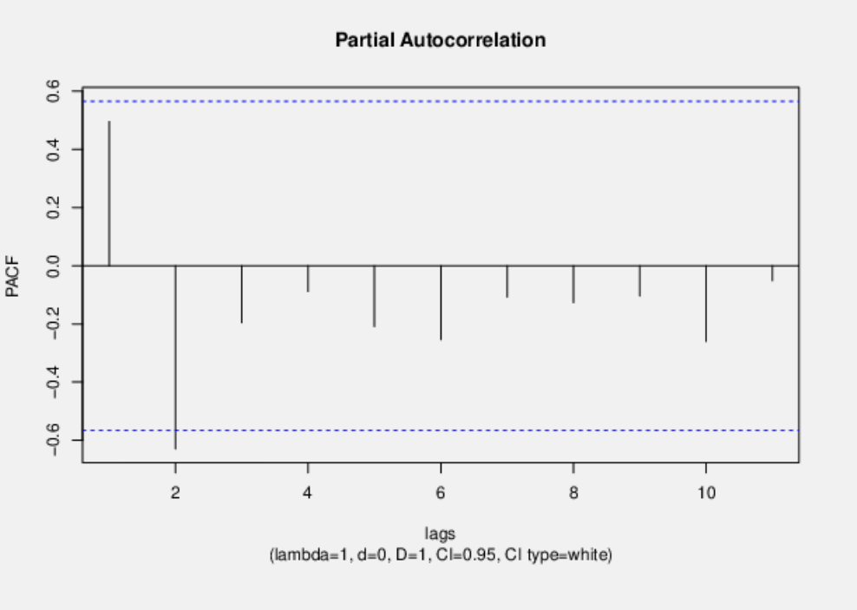
...
Month | Value/ D0d0 | D0d1 | D0d2 | D1d0 | D1d1
Mar(22) | 865 | 93 | 301 | -571 | -56 | 93 | 101.91304348 | 10386.268431
Apr(22) | 824 | -41 | -134 | -549 | 22 | -41 | -32.086956522 | 1029.5727788
May(22) | 1104 | 280 | 321 | -726 | -177 | 280 | 288.91304348 | 83470.746692
Jun(22) | 1410 | 306 | 26 | -891 | -165 | 306 | 314.91304348 | 99170.224953
Jul(22) | 1300 | -110 | -416 | -852 | 39 | -110 | -101.08695652 | 10218.572779
Aug(22) | 783 | -517 | -407 | -533 | 319 | -517 | -508.08695652 | 258152.35539
Sep(22) | 337 | -446 | 71 | -224 | 309 | -446 | -437.08695652 | 191045.00756
Oct(22) | 308 | -29 | 417 | -231 | -7 | -29 | -20.086956522 | 403.48582231
Nov(22) | 695 | 387 | 416 | -489 | -258 | 387 | 395.91304348 | 156747.138
Dec(22) | 1229 | 534 | 147 | -845 | -356 | 534 | 542.91304348 | 294754.57278
Value Comparison
 | Value/ D0d0 | D0d1 | D0d2 | D1d0 | D1d1
 | 1434
 | 1287 | -147
 | 1436 | 149 | 296
 | 1373 | -63 | -212
 | 1830 | 457 | 520
 | 2301 | 471 | 14
 | 2152 | -149 | -620
 | 1316 | -836 | -687
 | 561 | -755 | 81
 | 539 | -22 | 733
 | 1184 | 645 | 667
 | 2074 | 890 | 245
 | 980 | -1094 | -1984 | -454
 | 772 | -208 | 886 | -515 | -61
 | 865 | 93 | 301 | -571 | -56
 | 824 | -41 | -134 | -549 | 22
 | 1104 | 280 | 321 | -726 | -177
 | 1410 | 306 | 26 | -891 | -165
 | 1300 | -110 | -416 | -852 | 39
 | 783 | -517 | -407 | -533 | 319
 | 337 | -446 | 71 | -224 | 309
 | 308 | -29 | 417 | -231 | -7
 | 695 | 387 | 416 | -489 | -258
 | 1229 | 534 | 147 | -845 | -356
...
 |  |  |  |  |  |  |  |  |  | Sum | 5312909.8261 | 1178941.0359 | -2083555.7977 | -2666663.2401 | -1201323.7259 | 1098931.8318 | 1898519.8677 | 822913.33837 | -773688.40832 | -1128439.3289 | -1313050.5974 | 414527.26465 | 1838744.5614 | 860951.42344 | -482560.84499 | -1160887.7656 | -749750.51229 | 61955.958412 | 447236.99433 | 288720.55198 | 35929.066163 | 31062.623819 | -74969.20983 |  | Sum | 7933034.9545 | -759115.3657 | -2485780.8223 | -1725169.5971 | -767685.64463 | 1188089.8533 | 1513377.8058 | 507550.75826 | -973435.33471 | -142322.74587 | -1690534.7479 | 499876.97727 | 1401729.7025 | 510753.70041 | -335568.71074 | -629517.80372 | -332983.85124 | -19081.89876 | 103159.59917 | 65522.551653 | 73860.77686 | 30757.320248 |  |  |  | Sum | 541882.66667 | 268857.55556 | -123737.88889 | -317550.66667 | -232955.11111 | -48917.555556 | 51668.333333 | 69516.222222 | 55242.777778 | 45137.333333 | -5783.4444444 | -32418.888889 |  |  | Sum | 444108.72727 | 223223.70248 | -112451.50413 | -271370.16529 | -160458.64463 | 11548.876033 | 58521.85124 | 23174.371901 | -14617.107438 | 12217.231405 | 8157.0247934 |  | Sum | 6784105.8333 | 4090336.9097 | 282187.73611 | -1469260.2708 | -548616.11111 | 1417266.7986 | 2120628.0417 | 951202.53472 | -805490.13889 | -1571549.5625 | -1203578.9028 | 308504.75694 | 1148844.9167 | 383508.07639 | -1133359.2639 | -2158502.6042 | -2016779.0278 | -1242547.7014 | -654451.20833 | -485827.96528 | -434402.05556 | -267079.89583 | -118475.90278 | 15387.923611
 |  |  |  |  |  |  |  |  |  | AC(k) | 1 | 0.22190119436 | -0.39216848506 | -0.50192141922 | -0.22611408159 | 0.20684180002 | 0.35734087907 | 0.15488938554 | -0.1456242311 | -0.21239572397 | -0.24714339982 | 0.078022642623 | 0.34608992466 | 0.16204894335 | -0.090827975777 | -0.21850319384 | -0.14111862178 | 0.01166139845 | 0.084179293263 | 0.054343205783 | 0.0067625966445 | 0.0058466310996 | -0.014110762705 |  | AC(k) | 1 | -0.095690409793 | -0.31334550226 | -0.21746653166 | -0.096770737684 | 0.14976485798 | 0.19076908326 | 0.06397939265 | -0.12270654803 | -0.017940516673 | -0.21310063016 | 0.06301207295 | 0.1766952636 | 0.064383140039 | -0.042300167926 | -0.079353968226 | -0.041974333045 | -0.0024053718242 | 0.013003799903 | 0.0082594558108 | 0.0093105321334 | 0.0038771189619 |  |  |  | AC(k) | 1 | 0.49615455908 | -0.22834812128 | -0.58601370038 | -0.42989954365 | -0.090273335105 | 0.095349669793 | 0.12828648432 | 0.10194601373 | 0.08329724516 | -0.010672872192 | -0.059826399483 |  |  | AC(k) | 1 | 0.50263300127 | -0.25320714777 | -0.61104443265 | -0.36130486697 | 0.026004614014 | 0.13177370235 | 0.052181752976 | -0.032913353286 | 0.027509550375 | 0.018367179685 |  | AC(k) | 1 | 0.60292940738 | 0.041595420685 | -0.21657390184 | -0.080867858578 | 0.2089098893 | 0.31258770039 | 0.14021045044 | -0.11873195358 | -0.23165168721 | -0.17741157528 | 0.045474638003 | 0.16934360178 | 0.056530379362 | -0.16706096452 | -0.3181705382 | -0.29728000673 | -0.18315570717 | -0.096468307602 | -0.071612674863 | -0.064032322937 | -0.039368474254 | -0.017463746246 | 0.0022682316563
 |  |  |  |  |  |  |  |  |  | AC(k)2 | 1 | 0.049240140057 | 0.15379612067 | 0.25192511107 | 0.051127577893 | 0.042783530234 | 0.12769250385 | 0.023990721752 | 0.021206416683 | 0.045111943563 | 0.061079860074 | 0.0060875327619 | 0.11977823595 | 0.026259860041 | 0.0082497211838 | 0.047743645719 | 0.019914465412 | 0.00013598821381 | 0.0070861534142 | 0.0029531840148 | 4.5732713377E-05 | 3.4183095215E-05 | 0.00019911362412 |  | AC(k)2 | 1 | 0.0091566545263 | 0.098185403789 | 0.047291692392 | 0.009364575672 | 0.022429512685 | 0.03639284313 | 0.0040933626839 | 0.015056896931 | 0.00032186213849 | 0.045411878577 | 0.0039705213375 | 0.03122121618 | 0.0041451887213 | 0.0017893042066 | 0.0062970522732 | 0.0017618446346 | 5.7858136128E-06 | 0.00016909881192 | 6.8218610291E-05 | 8.6686008607E-05 | 1.5032051445E-05 |  |  |  | AC(k)2 | 1 | 0.2461693465 | 0.052142864493 | 0.34341205704 | 0.18481361763 | 0.008149275031 | 0.0090915595297 | 0.01645742206 | 0.010392989716 | 0.0069384310513 | 0.00011391020083 | 0.0035791980751 |  |  | AC(k)2 | 1 | 0.25263993397 | 0.064113859682 | 0.37337529867 | 0.1305412069 | 0.00067623995003 | 0.017364308632 | 0.0027229353436 | 0.0010832888245 | 0.00075677536184 | 0.00033735328957 |  | AC(k)2 | 1 | 0.36352387029 | 0.001730179022 | 0.046904254959 | 0.0065396105511 | 0.043643341845 | 0.097711070437 | 0.019658970413 | 0.014097276801 | 0.053662504187 | 0.031474867044 | 0.0020679427015 | 0.028677255463 | 0.0031956837908 | 0.027909365865 | 0.10123249138 | 0.0883754024 | 0.033546013067 | 0.0093061343716 | 0.005128375201 | 0.0041001383806 | 0.0015498767651 | 0.00030498243294 | 5.1448748468E-06
 |  |  |  |  |  |  |  |  | Normal Error | UB | 0.34297569023 | 0.34297569023 | 0.34297569023 | 0.34297569023 | 0.34297569023 | 0.34297569023 | 0.34297569023 | 0.34297569023 | 0.34297569023 | 0.34297569023 | 0.34297569023 | 0.34297569023 | 0.34297569023 | 0.34297569023 | 0.34297569023 | 0.34297569023 | 0.34297569023 | 0.34297569023 | 0.34297569023 | 0.34297569023 | 0.34297569023 | 0.34297569023 | 0.34297569023 | Normal Error | UB | 0.35068397157 | 0.35068397157 | 0.35068397157 | 0.35068397157 | 0.35068397157 | 0.35068397157 | 0.35068397157 | 0.35068397157 | 0.35068397157 | 0.35068397157 | 0.35068397157 | 0.35068397157 | 0.35068397157 | 0.35068397157 | 0.35068397157 | 0.35068397157 | 0.35068397157 | 0.35068397157 | 0.35068397157 | 0.35068397157 | 0.35068397157 | 0.35068397157 |  |  | Normal Error | UB | 0.47482834215 | 0.47482834215 | 0.47482834215 | 0.47482834215 | 0.47482834215 | 0.47482834215 | 0.47482834215 | 0.47482834215 | 0.47482834215 | 0.47482834215 | 0.47482834215 | 0.47482834215 |  | Normal Error | UB | 0.4959420287 | 0.4959420287 | 0.4959420287 | 0.4959420287 | 0.4959420287 | 0.4959420287 | 0.4959420287 | 0.4959420287 | 0.4959420287 | 0.4959420287 | 0.4959420287 | Normal Error | UB | 0.33575434063 | 0.33575434063 | 0.33575434063 | 0.33575434063 | 0.33575434063 | 0.33575434063 | 0.33575434063 | 0.33575434063 | 0.33575434063 | 0.33575434063 | 0.33575434063 | 0.33575434063 | 0.33575434063 | 0.33575434063 | 0.33575434063 | 0.33575434063 | 0.33575434063 | 0.33575434063 | 0.33575434063 | 0.33575434063 | 0.33575434063 | 0.33575434063 | 0.33575434063 | 0.33575434063
 |  |  |  |  |  |  |  |  |  | LB | -0.34297569023 | -0.34297569023 | -0.34297569023 | -0.34297569023 | -0.34297569023 | -0.34297569023 | -0.34297569023 | -0.34297569023 | -0.34297569023 | -0.34297569023 | -0.34297569023 | -0.34297569023 | -0.34297569023 | -0.34297569023 | -0.34297569023 | -0.34297569023 | -0.34297569023 | -0.34297569023 | -0.34297569023 | -0.34297569023 | -0.34297569023 | -0.34297569023 | -0.34297569023 |  | LB | -0.35068397157 | -0.35068397157 | -0.35068397157 | -0.35068397157 | -0.35068397157 | -0.35068397157 | -0.35068397157 | -0.35068397157 | -0.35068397157 | -0.35068397157 | -0.35068397157 | -0.35068397157 | -0.35068397157 | -0.35068397157 | -0.35068397157 | -0.35068397157 | -0.35068397157 | -0.35068397157 | -0.35068397157 | -0.35068397157 | -0.35068397157 | -0.35068397157 |  |  |  | LB | -0.47482834215 | -0.47482834215 | -0.47482834215 | -0.47482834215 | -0.47482834215 | -0.47482834215 | -0.47482834215 | -0.47482834215 | -0.47482834215 | -0.47482834215 | -0.47482834215 | -0.47482834215 |  |  | LB | -0.4959420287 | -0.4959420287 | -0.4959420287 | -0.4959420287 | -0.4959420287 | -0.4959420287 | -0.4959420287 | -0.4959420287 | -0.4959420287 | -0.4959420287 | -0.4959420287 |  | LB | -0.33575434063 | -0.33575434063 | -0.33575434063 | -0.33575434063 | -0.33575434063 | -0.33575434063 | -0.33575434063 | -0.33575434063 | -0.33575434063 | -0.33575434063 | -0.33575434063 | -0.33575434063 | -0.33575434063 | -0.33575434063 | -0.33575434063 | -0.33575434063 | -0.33575434063 | -0.33575434063 | -0.33575434063 | -0.33575434063 | -0.33575434063 | -0.33575434063 | -0.33575434063 | -0.33575434063

 |  |  |  |  |  |  |  |  | Bartlett error | UB BA | 0.34297569023 | 0.34297569023 | 0.35946736753 | 0.40669347 | 0.473992248 | 0.48651532637 | 0.4967520659 | 0.52612179861 | 0.5314586679 | 0.53613192019 | 0.54594018113 | 0.55894598412 | 0.56022566384 | 0.58483534346 | 0.59009354826 | 0.59173580545 | 0.60115194041 | 0.60503621806 | 0.60506265657 | 0.60643873538 | 0.60701130102 | 0.60702016347 | 0.60702678766 | Bartlett error | UB BA | 0.35068397157 | 0.35068397157 | 0.35388049521 | 0.38649830416 | 0.40126391894 | 0.40412378003 | 0.41089263657 | 0.42164426682 | 0.42283647557 | 0.42719323121 | 0.42728587798 | 0.4401620825 | 0.44127003334 | 0.44988705882 | 0.45101874693 | 0.45150637277 | 0.45321828974 | 0.45369610844 | 0.45369767674 | 0.45374351033 | 0.45376199942 | 0.45378549258 |  |  | Bartlett error | UB BA | 0.47482834215 | 0.47482834215 | 0.58005654768 | 0.59998171872 | 0.71751708688 | 0.77341298726 | 0.77578499071 | 0.77842273436 | 0.78317494754 | 0.78616120867 | 0.78814855863 | 0.78818114371 |  | Bartlett error | UB BA | 0.4959420287 | 0.4959420287 | 0.60847051869 | 0.63385729395 | 0.76514359618 | 0.8060149878 | 0.80622131854 | 0.81150145591 | 0.81232633289 | 0.81265426799 | 0.81288328187 | Bartlett error | UB BA | 0.33575434063 | 0.33575434063 | 0.44123891438 | 0.44168073209 | 0.45349420515 | 0.45511693825 | 0.46580182549 | 0.48887776545 | 0.49339012905 | 0.49660066353 | 0.50863648326 | 0.51556518224 | 0.51601715044 | 0.52224451133 | 0.52293387223 | 0.52891618892 | 0.55006945949 | 0.56789233242 | 0.5745128814 | 0.57633603925 | 0.57733827488 | 0.57813831291 | 0.57844044386 | 0.57849987816
 |  |  |  |  |  |  |  |  |  | LB BA | -0.34297569023 | -0.34297569023 | -0.35946736753 | -0.40669347 | -0.473992248 | -0.48651532637 | -0.4967520659 | -0.52612179861 | -0.5314586679 | -0.53613192019 | -0.54594018113 | -0.55894598412 | -0.56022566384 | -0.58483534346 | -0.59009354826 | -0.59173580545 | -0.60115194041 | -0.60503621806 | -0.60506265657 | -0.60643873538 | -0.60701130102 | -0.60702016347 | -0.60702678766 |  | LB BA | -0.35068397157 | -0.35068397157 | -0.35388049521 | -0.38649830416 | -0.40126391894 | -0.40412378003 | -0.41089263657 | -0.42164426682 | -0.42283647557 | -0.42719323121 | -0.42728587798 | -0.4401620825 | -0.44127003334 | -0.44988705882 | -0.45101874693 | -0.45150637277 | -0.45321828974 | -0.45369610844 | -0.45369767674 | -0.45374351033 | -0.45376199942 | -0.45378549258 |  |  |  | LB BA | -0.47482834215 | -0.47482834215 | -0.58005654768 | -0.59998171872 | -0.71751708688 | -0.77341298726 | -0.77578499071 | -0.77842273436 | -0.78317494754 | -0.78616120867 | -0.78814855863 | -0.78818114371 |  |  | LB BA | -0.4959420287 | -0.4959420287 | -0.60847051869 | -0.63385729395 | -0.76514359618 | -0.8060149878 | -0.80622131854 | -0.81150145591 | -0.81232633289 | -0.81265426799 | -0.81288328187 |  | LB BA | -0.33575434063 | -0.33575434063 | -0.44123891438 | -0.44168073209 | -0.45349420515 | -0.45511693825 | -0.46580182549 | -0.48887776545 | -0.49339012905 | -0.49660066353 | -0.50863648326 | -0.51556518224 | -0.51601715044 | -0.52224451133 | -0.52293387223 | -0.52891618892 | -0.55006945949 | -0.56789233242 | -0.5745128814 | -0.57633603925 | -0.57733827488 | -0.57813831291 | -0.57844044386 | -0.57849987816

Normal Error
Normal and Barret Error for D0d1
Normal Error
Normal Error
Normal And Barlett Error for D1d0
Normal Error
Normal And Barlett Error for D1d1
Normal Error
Normal and Bartlet Error D0d0

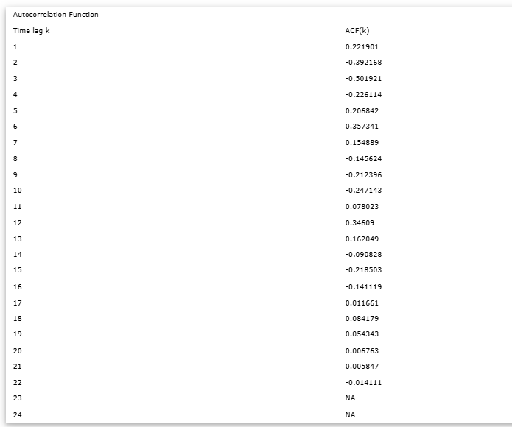
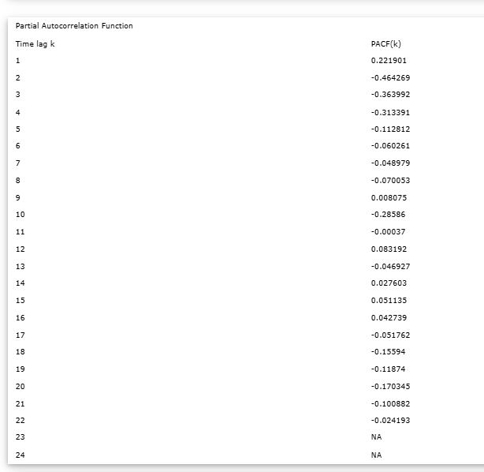
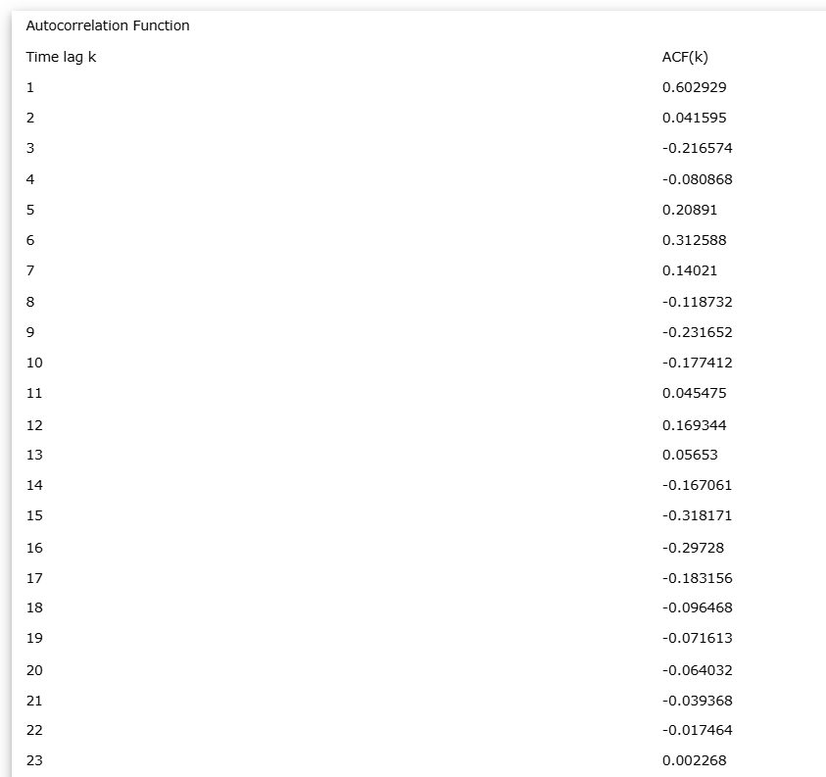


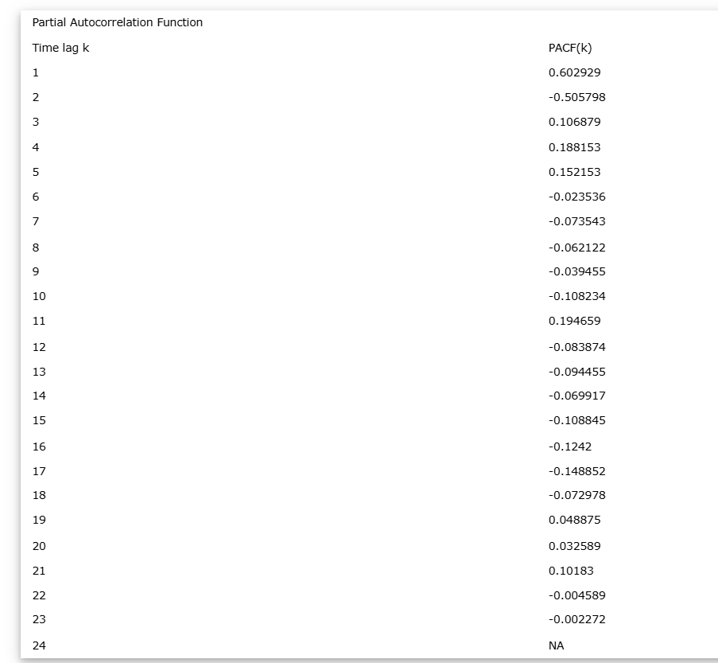



 |  |  |  |  |  |  |  |  |  |  |  |  |  |  |  |  |  |  |  |  |  |  |  |  |  |  |  |  |  |  |  |  |  |  |  |  |  |  |  |  |  |  |  |  |  |  |  |  |  |  |  |  |  |  |  |  |  | Time lag k | ACF(k) | T-STAT | P-value |  | Time lag k | PACF(k) | T-STAT | P-value |  |  |  |  |  |  |  | Time lag k | ACF(k) | T-STAT | P-value |  | Time lag k | PACF(k) | T-STAT | P-value
 |  |  |  |  |  |  |  |  |  |  |  |  |  |  |  |  |  |  |  |  |  |  |  |  |  |  |  |  |  |  |  |  |  |  |  |  |  |  |  |  |  |  |  |  |  |  |  |  |  |  |  |  |  |  |  |  |  | 1 | 0.496155 | 1.7187 | 0.055665 |  | 1 | 0.496155 | 1.7187 | 0.055665 |  |  |  |  |  |  |  | 1 | 0.502633 | 1.667 | 0.061846 |  | 1 | 0.502633 | 1.667 | 0.061846
 |  |  |  |  |  |  |  |  |  |  |  |  |  |  |  |  |  |  |  |  |  |  |  |  |  |  |  |  |  |  |  |  |  |  |  |  |  |  |  |  |  |  |  |  |  |  |  |  |  |  |  |  |  |  |  |  |  | 2 | -0.228348 | -0.791 | 0.222143 |  | 2 | -0.629475 | -2.1806 | 0.024922 |  |  |  |  |  |  |  | 2 | -0.253207 | -0.8398 | 0.209451 |  | 2 | -0.676845 | -2.2448 | 0.023153
 |  |  |  |  |  |  |  |  |  |  |  |  |  |  |  |  |  |  |  |  |  |  |  |  |  |  |  |  |  |  |  |  |  |  |  |  |  |  |  |  |  |  |  |  |  |  |  |  |  |  |  |  |  |  |  |  |  | 3 | -0.586014 | -2.03 | 0.032564 |  | 3 | -0.195731 | -0.678 | 0.255307 |  |  |  |  |  |  |  | 3 | -0.611044 | -2.0266 | 0.033822 |  | 3 | -0.141802 | -0.4703 | 0.323662
 |  |  |  |  |  |  |  |  |  |  |  |  |  |  |  |  |  |  |  |  |  |  |  |  |  |  |  |  |  |  |  |  |  |  |  |  |  |  |  |  |  |  |  |  |  |  |  |  |  |  |  |  |  |  |  |  |  | 4 | -0.4299 | -1.4892 | 0.081118 |  | 4 | -0.088686 | -0.3072 | 0.381972 |  |  |  |  |  |  |  | 4 | -0.361305 | -1.1983 | 0.127988 |  | 4 | 0.063539 | 0.2107 | 0.418474
 |  |  |  |  |  |  |  |  |  |  |  |  |  |  |  |  |  |  |  |  |  |  |  |  |  |  |  |  |  |  |  |  |  |  |  |  |  |  |  |  |  |  |  |  |  |  |  |  |  |  |  |  |  |  |  |  |  | 5 | -0.090273 | -0.3127 | 0.379932 |  | 5 | -0.208623 | -0.7227 | 0.241859 |  |  |  |  |  |  |  | 5 | 0.026005 | 0.0862 | 0.46641 |  | 5 | -0.252175 | -0.8364 | 0.210372
 |  |  |  |  |  |  |  |  |  |  |  |  |  |  |  |  |  |  |  |  |  |  |  |  |  |  |  |  |  |  |  |  |  |  |  |  |  |  |  |  |  |  |  |  |  |  |  |  |  |  |  |  |  |  |  |  |  | 6 | 0.09535 | 0.3303 | 0.373434 |  | 6 | -0.253784 | -0.8791 | 0.198296 |  |  |  |  |  |  |  | 6 | 0.131774 | 0.437 | 0.335268 |  | 6 | -0.267701 | -0.8879 | 0.196807
 |  |  |  |  |  |  |  |  |  |  |  |  |  |  |  |  |  |  |  |  |  |  |  |  |  |  |  |  |  |  |  |  |  |  |  |  |  |  |  |  |  |  |  |  |  |  |  |  |  |  |  |  |  |  |  |  |  | 7 | 0.128286 | 0.4444 | 0.332332 |  | 7 | -0.107049 | -0.3708 | 0.358615 |  |  |  |  |  |  |  | 7 | 0.052182 | 0.1731 | 0.432871 |  | 7 | 0.030793 | 0.1021 | 0.460246
 |  |  |  |  |  |  |  |  |  |  |  |  |  |  |  |  |  |  |  |  |  |  |  |  |  |  |  |  |  |  |  |  |  |  |  |  |  |  |  |  |  |  |  |  |  |  |  |  |  |  |  |  |  |  |  |  |  | 8 | 0.101946 | 0.3532 | 0.36505 |  | 8 | -0.127026 | -0.44 | 0.333867 |  |  |  |  |  |  |  | 8 | -0.032913 | -0.1092 | 0.45752 |  | 8 | -0.17309 | -0.5741 | 0.288733
 |  |  |  |  |  |  |  |  |  |  |  |  |  |  |  |  |  |  |  |  |  |  |  |  |  |  |  |  |  |  |  |  |  |  |  |  |  |  |  |  |  |  |  |  |  |  |  |  |  |  |  |  |  |  |  |  |  | 9 | 0.083297 | 0.2886 | 0.388925 |  | 9 | -0.103417 | -0.3582 | 0.36319 |  |  |  |  |  |  |  | 9 | 0.02751 | 0.0912 | 0.464472 |  | 9 | -0.027448 | -0.091 | 0.464551
 |  |  |  |  |  |  |  |  |  |  |  |  |  |  |  |  |  |  |  |  |  |  |  |  |  |  |  |  |  |  |  |  |  |  |  |  |  |  |  |  |  |  |  |  |  |  |  |  |  |  |  |  |  |  |  |  |  | 10 | -0.010673 | -0.037 | 0.485558 |  | 10 | -0.259872 | -0.9002 | 0.192856 |  |  |  |  |  |  |  | 10 | 0.018367 | 0.0609 | 0.476259 |  | 10 | -0.275969 | -0.9153 | 0.189834
 |  |  |  |  |  |  |  |  |  |  |  |  |  |  |  |  |  |  |  |  |  |  |  |  |  |  |  |  |  |  |  |  |  |  |  |  |  |  |  |  |  |  |  |  |  |  |  |  |  |  |  |  |  |  |  |  |  | 11 | -0.059826 | -0.2072 | 0.419647 |  | 11 | -0.051436 | -0.1782 | 0.430777
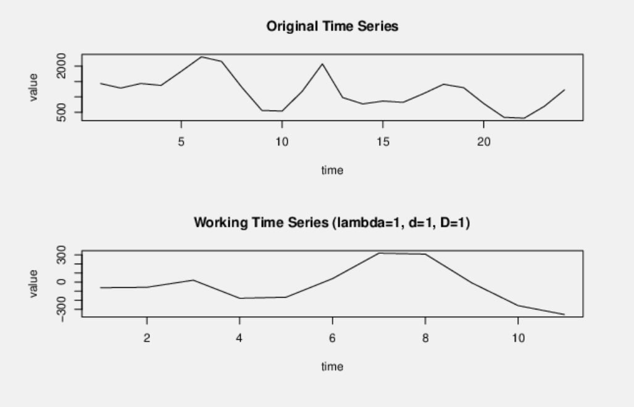
 |  |  |  |  |  |  |  |  |  |  |  |  |  |  |  |  |  |  |  |  |  |  |  |  |  |  |  |  |  |  |  |  |  |  |  |  |  |  |  |  |  |  |  |  |  |  |  |  |  |  |  |  |  |  |  |  |  | 12 | NA | NA | NA |  | 12 | NA | NA | NA
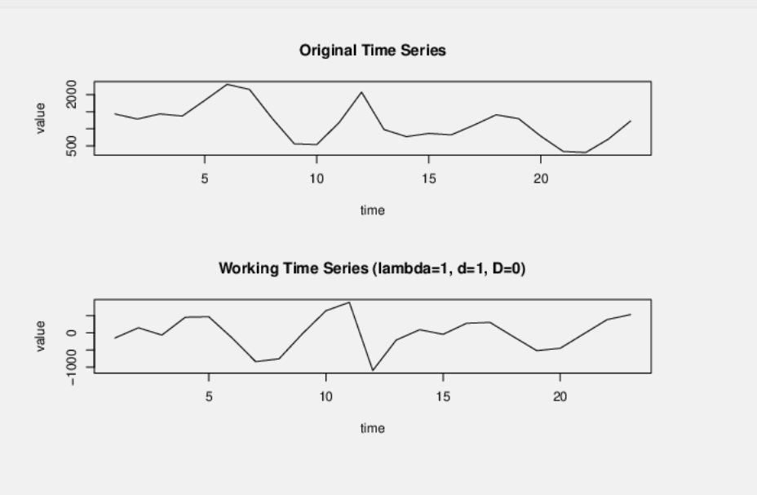
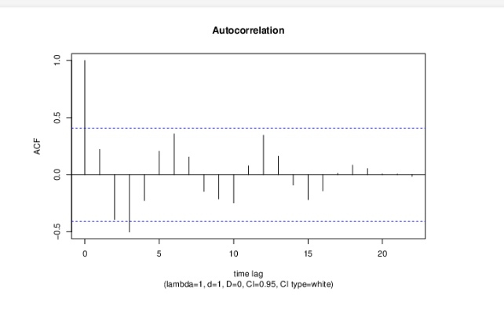
 |  |  |  |  |  |  |  |  |  |  |  |  |  |  |  |  |  |  |  |  |  |  |  |  |  |  |  |  |  |  |  |  |  |  |  |  |  |  |  |  |  |  |  |  |  |  |  |  |  |  |  |  |  |  |  |  |  | 13 | NA | NA | NA |  | 13 | NA | NA | NA
 |  |  |  |  |  |  |  |  |  |  |  |  |  |  |  |  |  |  |  |  |  |  |  |  |  |  |  |  |  |  |  |  |  |  |  |  |  |  |  |  |  |  |  |  |  |  |  |  |  |  |  |  |  |  |  |  |  | 14 | NA | NA | NA |  | 14 | NA | NA | NA
 |  |  |  |  |  |  |  |  |  |  |  |  |  |  |  |  |  |  |  |  |  |  |  |  |  |  |  |  |  |  |  |  |  |  |  |  |  |  |  |  |  |  |  |  |  |  |  |  |  |  |  |  |  |  |  |  |  | 15 | NA | NA | NA |  | 15 | NA | NA | NA
 |  |  |  |  |  |  |  |  |  |  |  |  |  |  |  |  |  |  |  |  |  |  |  |  |  |  |  |  |  |  |  |  |  |  |  |  |  |  |  |  |  |  |  |  |  |  |  |  |  |  |  |  |  |  |  |  |  | 16 | NA | NA | NA |  | 16 | NA | NA | NA
 |  |  |  |  |  |  |  |  |  |  |  |  |  |  |  |  |  |  |  |  |  |  |  |  |  |  |  |  |  |  |  |  |  |  |  |  |  |  |  |  |  |  |  |  |  |  |  |  |  |  |  |  |  |  |  |  |  | 17 | NA | NA | NA |  | 17 | NA | NA | NA
 |  |  |  |  |  |  |  |  |  |  |  |  |  |  |  |  |  |  |  |  |  |  |  |  |  |  |  |  |  |  |  |  |  |  |  |  |  |  |  |  |  |  |  |  |  |  |  |  |  |  |  |  |  |  |  |  |  | 18 | NA | NA | NA |  | 18 | NA | NA | NA
 |  |  |  |  |  |  |  |  |  |  |  |  |  |  |  |  |  |  |  |  |  |  |  |  |  |  |  |  |  |  |  |  |  |  |  |  |  |  |  |  |  |  |  |  |  |  |  |  |  |  |  |  |  |  |  |  |  | 19 | NA | NA | NA |  | 19 | NA | NA | NA
 |  |  |  |  |  |  |  |  |  |  |  |  |  |  |  |  |  |  |  |  |  |  |  |  |  |  |  |  |  |  |  |  |  |  |  |  |  |  |  |  |  |  |  |  |  |  |  |  |  |  |  |  |  |  |  |  |  | 20 | NA | NA | NA |  | 20 | NA | NA | NA
 |  |  |  |  |  |  |  |  |  |  |  |  |  |  |  |  |  |  |  |  |  |  |  |  |  |  |  |  |  |  |  |  |  |  |  |  |  |  |  |  |  |  |  |  |  |  |  |  |  |  |  |  |  |  |  |  |  | 21 | NA | NA | NA |  | 21 | NA | NA | NA
 |  |  |  |  |  |  |  |  |  |  |  |  |  |  |  |  |  |  |  |  |  |  |  |  |  |  |  |  |  |  |  |  |  |  |  |  |  |  |  |  |  |  |  |  |  |  |  |  |  |  |  |  |  |  |  |  |  | 22 | NA | NA | NA |  | 22 | NA | NA | NA
 |  |  |  |  |  |  |  |  |  |  |  |  |  |  |  |  |  |  |  |  |  |  |  |  |  |  |  |  |  |  |  |  |  |  |  |  |  |  |  |  |  |  |  |  |  |  |  |  |  |  |  |  |  |  |  |  |  | 23 | NA | NA | NA |  | 23 | NA | NA | NA
 |  |  |  |  |  |  |  |  |  |  |  |  |  |  |  |  |  |  |  |  |  |  |  |  |  |  |  |  |  |  |  |  |  |  |  |  |  |  |  |  |  |  |  |  |  |  |  |  |  |  |  |  |  |  |  |  |  | 24 | NA | NA | NA |  | 24 | NA | NA | NA

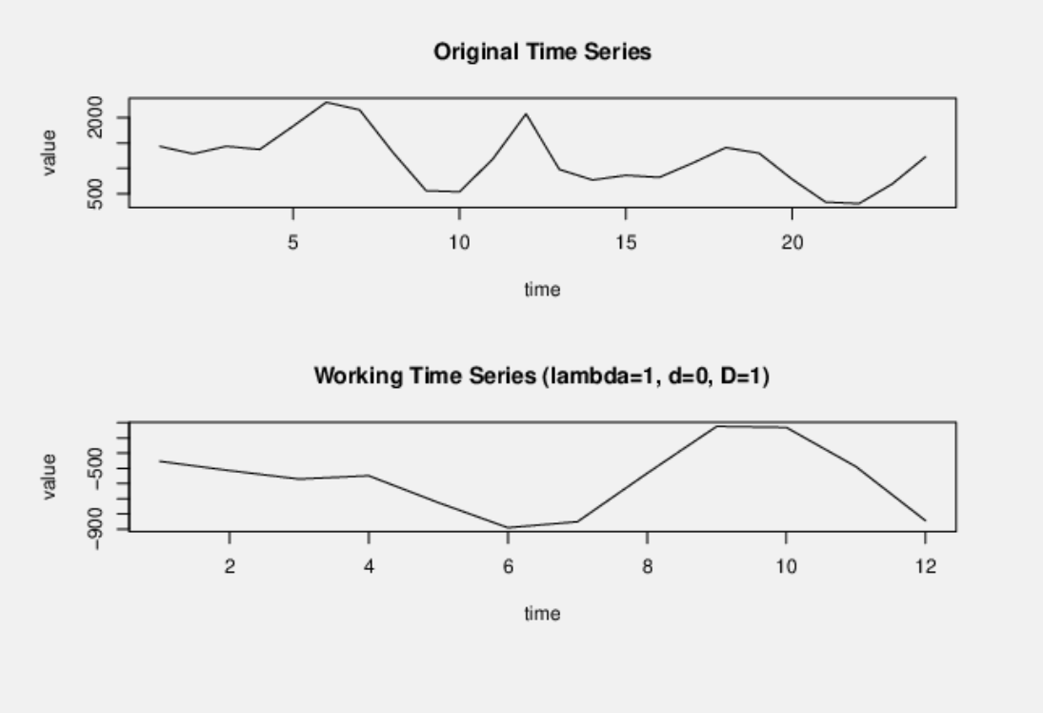

 |  |  |  |  |  |  |  |  |  |  |  |  |  |  |  |  |  |  |  |  |  |  |  |  |  |  |  |  |  |  |  |  |  |  |  |  |  |  |  |  |  |  |  |  |  |  |  |  |  |  |  |  |  |  |  |  |  |  |  |  |  |  |  |  |  |  |  |  |  |  |  |  |  |  |  |  |  |  |  |  |  |  |  |  |  |  |  | Time lag k | ACF(k) | T-STAT | P-value |  | Time lag k | PACF(k) | T-STAT | P-value
 |  |  |  |  |  |  |  |  |  |  |  |  |  |  |  |  |  |  |  |  |  |  |  |  |  |  |  |  |  |  |  |  |  |  |  |  |  |  |  |  |  |  |  |  |  |  |  |  |  |  |  |  |  |  |  |  |  |  |  |  |  |  |  |  |  |  |  |  |  |  |  |  |  |  |  |  |  |  |  |  |  |  |  |  |  |  |  | 1 | 0.602929 | 2.9537 | 0.003462 |  | 1 | 0.602929 | 2.9537 | 0.003462
 |  |  |  |  |  |  |  |  |  |  |  |  |  |  |  |  |  |  |  |  |  |  |  |  |  |  |  |  |  |  |  |  |  |  |  |  |  |  |  |  |  |  |  |  |  |  |  |  |  |  |  |  |  |  |  |  |  |  |  |  |  |  |  |  |  |  |  |  |  |  |  |  |  |  |  |  |  |  |  |  |  |  |  |  |  |  |  | 2 | 0.041595 | 0.2038 | 0.420124 |  | 2 | -0.505798 | -2.4779 | 0.010322
 |  |  |  |  |  |  |  |  |  |  |  |  |  |  |  |  |  |  |  |  |  |  |  |  |  |  |  |  |  |  |  |  |  |  |  |  |  |  |  |  |  |  |  |  |  |  |  |  |  |  |  |  |  |  |  |  |  |  |  |  |  |  |  |  |  |  |  |  |  |  |  |  |  |  |  |  |  |  |  |  |  |  |  |  |  |  |  | 3 | -0.216574 | -1.061 | 0.149627 |  | 3 | 0.106879 | 0.5236 | 0.30268
 |  |  |  |  |  |  |  |  |  |  |  |  |  |  |  |  |  |  |  |  |  |  |  |  |  |  |  |  |  |  |  |  |  |  |  |  |  |  |  |  |  |  |  |  |  |  |  |  |  |  |  |  |  |  |  |  |  |  |  |  |  |  |  |  |  |  |  |  |  |  |  |  |  |  |  |  |  |  |  |  |  |  |  |  |  |  |  | 4 | -0.080868 | -0.3962 | 0.34774 |  | 4 | 0.188153 | 0.9218 | 0.182914
 |  |  |  |  |  |  |  |  |  |  |  |  |  |  |  |  |  |  |  |  |  |  |  |  |  |  |  |  |  |  |  |  |  |  |  |  |  |  |  |  |  |  |  |  |  |  |  |  |  |  |  |  |  |  |  |  |  |  |  |  |  |  |  |  |  |  |  |  |  |  |  |  |  |  |  |  |  |  |  |  |  |  |  |  |  |  |  | 5 | 0.20891 | 1.0234 | 0.158152 |  | 5 | 0.152153 | 0.7454 | 0.231636
 |  |  |  |  |  |  |  |  |  |  |  |  |  |  |  |  |  |  |  |  |  |  |  |  |  |  |  |  |  |  |  |  |  |  |  |  |  |  |  |  |  |  |  |  |  |  |  |  |  |  |  |  |  |  |  |  |  |  |  |  |  |  |  |  |  |  |  |  |  |  |  |  |  |  |  |  |  |  |  |  |  |  |  |  |  |  |  | 6 | 0.312588 | 1.5314 | 0.069378 |  | 6 | -0.023536 | -0.1153 | 0.454583
...
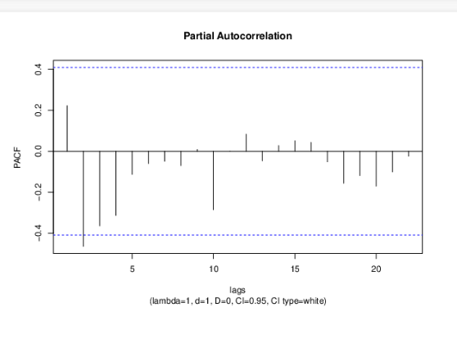
...
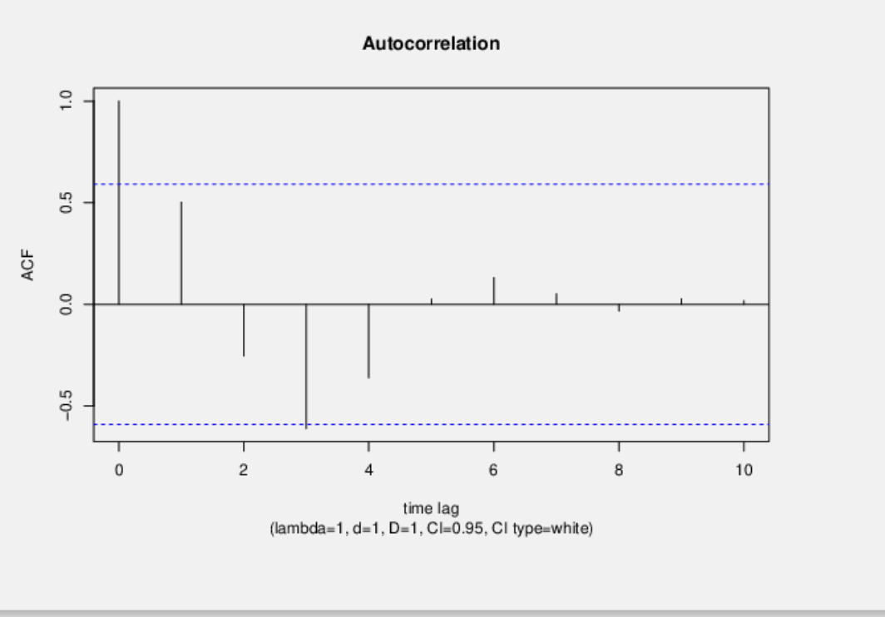
...
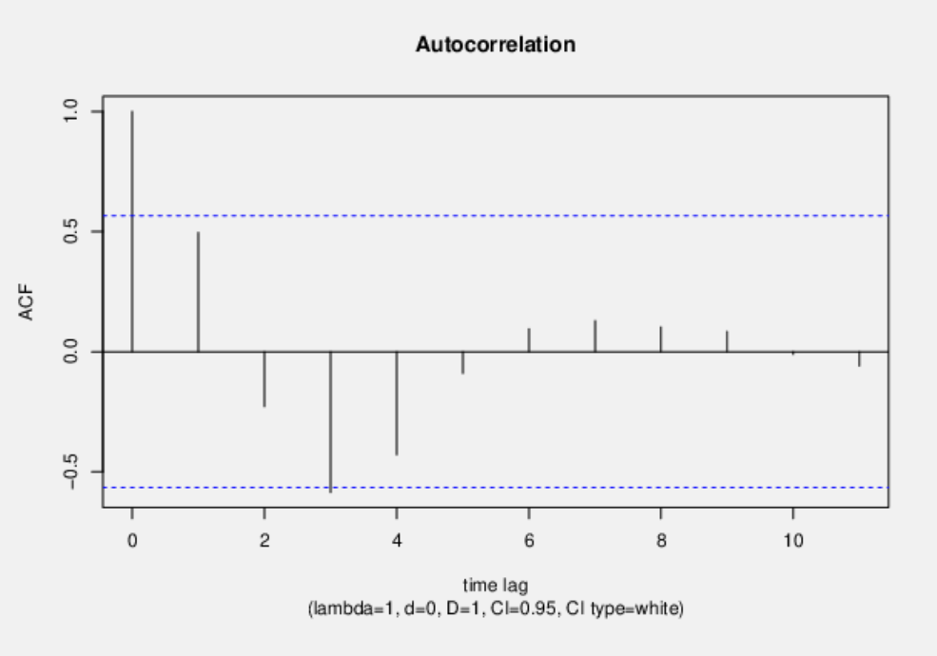
 |  |  |  |  |  |  |  |  |  | Time lag k | ACF(k) | T-STAT | P-value |  | Time lag k | PACF(k) | T-STAT | P-value
 |  |  |  |  |  |  |  |  |  | 1 | 0.221901 | 1.0642 | 0.149142 |  | 1 | 0.221901 | 1.0642 | 0.149142
 |  |  |  |  |  |  |  |  |  | 2 | -0.392168 | -1.8808 | 0.036362 |  | 2 | -0.464269 | -2.2266 | 0.018027
 |  |  |  |  |  |  |  |  |  | 3 | -0.501921 | -2.4071 | 0.012251 |  | 3 | -0.363992 | -1.7456 | 0.04711
 |  |  |  |  |  |  |  |  |  | 4 | -0.226114 | -1.0844 | 0.144711 |  | 4 | -0.313391 | -1.503 | 0.073227
 |  |  |  |  |  |  |  |  |  | 5 | 0.206842 | 0.992 | 0.165765 |  | 5 | -0.112812 | -0.541 | 0.296845
 |  |  |  |  |  |  |  |  |  | 6 | 0.357341 | 1.7137 | 0.050012 |  | 6 | -0.060261 | -0.289 | 0.387585
 |  |  |  |  |  |  |  |  |  | 7 | 0.154889 | 0.7428 | 0.232554 |  | 7 | -0.048979 | -0.2349 | 0.408184
...
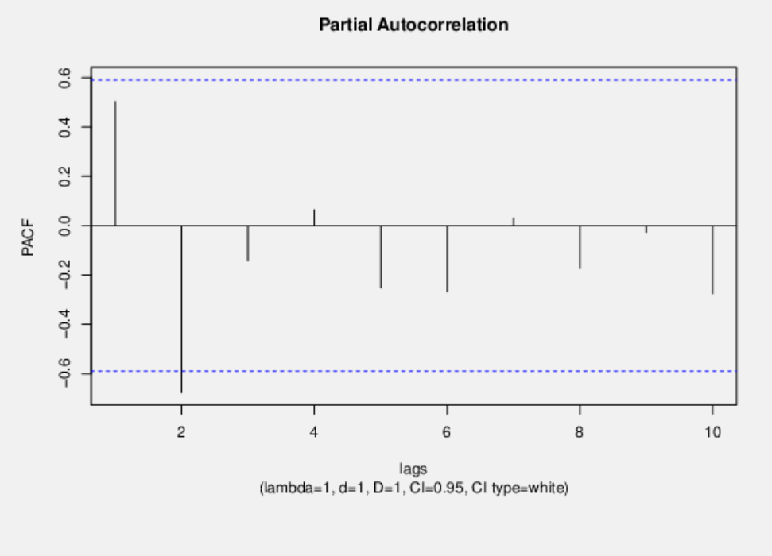
...

Moving Average
Comparison Between Demand Values and Forecast With Moving Average
 | Month | Value/ D0d0 | F(t)
 | 1 | 1434 | 1434
 | 2 | 1287 | 1287
 | 3 | 1436 | 1436
 | 4 | 1373 | 1386
 | 5 | 1830 | 1365
 | 6 | 2301 | 1546
 | 7 | 2152 | 1835
 | 8 | 1316 | 2094
 | 9 | 561 | 1923
 | 10 | 539 | 1343
 | 11 | 1184 | 805
 | 12 | 2074 | 761
 | 13 | 980 | 1266
 | 14 | 772 | 1413
 | 15 | 865 | 1275
 | 16 | 824 | 872
 | 17 | 1104 | 820
 | 18 | 1410 | 931
 | 19 | 1300 | 1113
 | 20 | 783 | 1271
 | 21 | 337 | 1164
 | 22 | 308 | 807
 | 23 | 695 | 476
 | 24 | 1229 | 447
 | 25 | 744 | 744
 | 26 | 889 | 889
 | 27 | 954 | 954
 | 28 | 862 | 862
 | 29 | 902 | 902
 | 30 | 906 | 906
 | 31 | 890 | 890
 | 32 | 899 | 899
 | 33 | 898 | 898
 | 34 | 896 | 896
 | 35 | 898 | 898
 | 36 | 897 | 897
Month | Value/ D0d0 | F(t)
1 | 1434 | 1434
2 | 1287 | 1287
3 | 1436 | 1436
4 | 1373 | 1386
5 | 1830 | 1365
6 | 2301 | 1546
7 | 2152 | 1835
8 | 1316 | 2094
9 | 561 | 1923
10 | 539 | 1343
11 | 1184 | 805
12 | 2074 | 761
13 | 980 | 1266
14 | 772 | 1413
15 | 865 | 1275
16 | 824 | 872
17 | 1104 | 820
18 | 1410 | 931
19 | 1300 | 1113
20 | 783 | 1271
21 | 337 | 1164
22 | 308 | 807
23 | 695 | 476
24 | 1229 | 447
25 | 744 | 744
...

Weighted Moving Average
Month | Value/ D0d0 | F(t) |  | 1 | 2 | 3 | K | 4
1 | 1434 | 1434 | Weight Function | 1 | 16 | 81
2 | 1287 | 1287 | Weight Factor | 0.01 | 0.16 | 0.83
Weighted Moving Average
 | Month | Value/ D0d0 | F(t)
 | 1 | 1434 | 1434
 | 2 | 1287 | 1287
 | 3 | 1436 | 1436
 | 4 | 1373 | 1412
 | 5 | 1830 | 1382
 | 6 | 2301 | 1753
 | 7 | 2152 | 2216
 | 8 | 1316 | 2173
 | 9 | 561 | 1460
 | 10 | 539 | 698
 | 11 | 1184 | 550
 | 12 | 2074 | 1075
 | 13 | 980 | 1916
 | 14 | 772 | 1157
 | 15 | 865 | 818
 | 16 | 824 | 851
 | 17 | 1104 | 830
 | 18 | 1410 | 1057
 | 19 | 1300 | 1355
 | 20 | 783 | 1316
 | 21 | 337 | 872
 | 22 | 308 | 418
 | 23 | 695 | 317
 | 24 | 1229 | 630
 | 25 | 1134 | 1134
 | 26 | 1145 | 1145
 | 27 | 1144 | 1144
 | 28 | 1144 | 1144
 | 29 | 1144 | 1144
 | 30 | 1144 | 1144
 | 31 | 1144 | 1144
 | 32 | 1144 | 1144
 | 33 | 1144 | 1144
 | 34 | 1144 | 1144
 | 35 | 1144 | 1144
 | 36 | 1144 | 1144
3 | 1436 | 1436
4 | 1373 | 1412
5 | 1830 | 1382
6 | 2301 | 1753
7 | 2152 | 2216
8 | 1316 | 2173
9 | 561 | 1460
10 | 539 | 698
11 | 1184 | 550
12 | 2074 | 1075
13 | 980 | 1916
14 | 772 | 1157
15 | 865 | 818
16 | 824 | 851
17 | 1104 | 830
18 | 1410 | 1057
19 | 1300 | 1355
20 | 783 | 1316
21 | 337 | 872
22 | 308 | 418
23 | 695 | 317
24 | 1229 | 630
25 | 1134 | 1134
26 | 1145 | 1145
27 | 1144 | 1144
28 | 1144 | 1144
...

linear regression
Forecast WIth Linear Regression
 | Month | Value/ D0d0 | F(t)
 | 1 | 1434 | 1640
 | 2 | 1287 | 1599
 | 3 | 1436 | 1558
 | 4 | 1373 | 1517
 | 5 | 1830 | 1477
 | 6 | 2301 | 1436
 | 7 | 2152 | 1395
 | 8 | 1316 | 1354
 | 9 | 561 | 1313
 | 10 | 539 | 1273
 | 11 | 1184 | 1232
 | 12 | 2074 | 1191
 | 13 | 980 | 1150
 | 14 | 772 | 1109
 | 15 | 865 | 1069
 | 16 | 824 | 1028
 | 17 | 1104 | 987
 | 18 | 1410 | 946
 | 19 | 1300 | 905
 | 20 | 783 | 865
 | 21 | 337 | 824
 | 22 | 308 | 783
 | 23 | 695 | 742
 | 24 | 1229 | 701
 | 25 | 661 | 661
 | 26 | 620 | 620
 | 27 | 579 | 579
 | 28 | 538 | 538
 | 29 | 497 | 497
 | 30 | 457 | 457
 | 31 | 416 | 416
 | 32 | 375 | 375
 | 33 | 334 | 334
 | 34 | 293 | 293
 | 35 | 253 | 253
 | 36 | 212 | 212
Month | Value/ D0d0 | F(t) | a | b
1 | 1434 | 1640 | -40.799130435 | 1680.5724638
2 | 1287 | 1599
3 | 1436 | 1558
4 | 1373 | 1517
5 | 1830 | 1477
6 | 2301 | 1436
7 | 2152 | 1395
8 | 1316 | 1354
9 | 561 | 1313
10 | 539 | 1273
11 | 1184 | 1232
12 | 2074 | 1191
13 | 980 | 1150
14 | 772 | 1109
15 | 865 | 1069
16 | 824 | 1028
17 | 1104 | 987
18 | 1410 | 946
19 | 1300 | 905
20 | 783 | 865
21 | 337 | 824
22 | 308 | 783
23 | 695 | 742
24 | 1229 | 701
25 | 661 | 661
26 | 620 | 620
27 | 579 | 579
...

HOLT
Value/ D0d0 | L(t) | b(t) | F(t) | e(t)^2 |  | α | β | Sors | 5706771
1434 | 1434 | -147 | 1434 | 0 |  | 0.99996011682 | 0.022674344119
1287 | 1287 | -147 | 1287 | 0
HOLT Method
 | Month | Value/ D0d0 | F(t)
 | 1 | 1434 | 1434
 | 2 | 1287 | 1287
 | 3 | 1436 | 1140
 | 4 | 1373 | 1296
 | 5 | 1830 | 1234
 | 6 | 2301 | 1705
 | 7 | 2152 | 2189
 | 8 | 1316 | 2040
 | 9 | 561 | 1187
 | 10 | 539 | 418
 | 11 | 1184 | 399
 | 12 | 2074 | 1062
 | 13 | 980 | 1974
 | 14 | 772 | 858
 | 15 | 865 | 648
 | 16 | 824 | 746
 | 17 | 1104 | 707
 | 18 | 1410 | 996
 | 19 | 1300 | 1311
 | 20 | 783 | 1201
 | 21 | 337 | 674
 | 22 | 308 | 221
 | 23 | 695 | 194
 | 24 | 1229 | 592
 | 25 |  | 1141
 | 26 |  | 1052
 | 27 |  | 964
 | 28 |  | 875
 | 29 |  | 787
 | 30 |  | 698
 | 31 |  | 610
 | 32 |  | 521
 | 33 |  | 433
 | 34 |  | 344
 | 35 |  | 256
 | 36 |  | 167
1436 | 1435.9881946 | -140.28866182 | 1140 | 87616
1373 | 1372.996917 | -138.53599433 | 1296 | 5929
1830 | 1829.976248 | -125.03307492 | 1234 | 355216
2301 | 2300.9762274 | -111.51841634 | 1705 | 355216
2152 | 2152.0014939 | -112.36771376 | 2189 | 1369
1316 | 1316.0288608 | -128.77498071 | 2040 | 524176
561 | 561.024977 | -142.97431035 | 1187 | 391876
539 | 538.99517616 | -140.23197293 | 418 | 14641
1184 | 1183.9686823 | -122.42795369 | 399 | 616225
2074 | 2073.9596199 | -99.472019357 | 1062 | 1024144
980 | 980.03966333 | -122.02047409 | 1974 | 988036
772 | 772.00343072 | -123.970825 | 858 | 7396
865 | 864.99134665 | -119.05142785 | 648 | 47089
824 | 823.99688672 | -117.2815373 | 746 | 6084
1104 | 1103.984155 | -108.27372769 | 707 | 157609
1410 | 1409.9834768 | -98.88035801 | 996 | 171396
1300 | 1300.0004428 | -99.132103906 | 1311 | 121
783 | 783.01666592 | -108.60661653 | 1201 | 174724
337 | 337.01345699 | -116.25686297 | 674 | 113569
308 | 307.99652046 | -114.27875486 | 221 | 7569
695 | 694.98000727 | -102.9129623 | 194 | 251001
1229 | 1228.9745971 | -88.471501288 | 592 | 405769 | M
 |  |  | 1141 |  | 1
 |  |  | 1052 |  | 2
 |  |  | 964 |  | 3
...

Combining All the Soft Models
Month | Y(T) | Moving Average | Weighted Moving Average | Linear Regression | HOLT
1 | 1434 | 1434 | 1434 | 1640 | 1434
2 | 1287 | 1287 | 1287 | 1599 | 1287
3 | 1436 | 1436 | 1436 | 1558 | 1140
4 | 1373 | 1386 | 1412 | 1517 | 1296
Comparison of all the soft models
 | Y(T) | Moving Average | Weighted Moving Average | Linear Regression | HOLT
 | 1434 | 1434 | 1434 | 1640 | 1434
 | 1287 | 1287 | 1287 | 1599 | 1287
 | 1436 | 1436 | 1436 | 1558 | 1140
 | 1373 | 1386 | 1412 | 1517 | 1296
 | 1830 | 1365 | 1382 | 1477 | 1234
 | 2301 | 1546 | 1753 | 1436 | 1705
 | 2152 | 1835 | 2216 | 1395 | 2189
 | 1316 | 2094 | 2173 | 1354 | 2040
 | 561 | 1923 | 1460 | 1313 | 1187
 | 539 | 1343 | 698 | 1273 | 418
 | 1184 | 805 | 550 | 1232 | 399
 | 2074 | 761 | 1075 | 1191 | 1062
 | 980 | 1266 | 1916 | 1150 | 1974
 | 772 | 1413 | 1157 | 1109 | 858
 | 865 | 1275 | 818 | 1069 | 648
 | 824 | 872 | 851 | 1028 | 746
 | 1104 | 820 | 830 | 987 | 707
 | 1410 | 931 | 1057 | 946 | 996
 | 1300 | 1113 | 1355 | 905 | 1311
 | 783 | 1271 | 1316 | 865 | 1201
 | 337 | 1164 | 872 | 824 | 674
 | 308 | 807 | 418 | 783 | 221
 | 695 | 476 | 317 | 742 | 194
 | 1229 | 447 | 630 | 701 | 592
 |  | 744 | 1134 | 661 | 1141
 |  | 889 | 1145 | 620 | 1052
 |  | 954 | 1144 | 579 | 964
 |  | 862 | 1144 | 538 | 875
 |  | 902 | 1144 | 497 | 787
 |  | 906 | 1144 | 457 | 698
 |  | 890 | 1144 | 416 | 610
 |  | 899 | 1144 | 375 | 521
 |  | 898 | 1144 | 334 | 433
 |  | 896 | 1144 | 293 | 344
 |  | 898 | 1144 | 253 | 256
 |  | 897 | 1144 | 212 | 167
5 | 1830 | 1365 | 1382 | 1477 | 1234
6 | 2301 | 1546 | 1753 | 1436 | 1705
7 | 2152 | 1835 | 2216 | 1395 | 2189
8 | 1316 | 2094 | 2173 | 1354 | 2040
9 | 561 | 1923 | 1460 | 1313 | 1187
10 | 539 | 1343 | 698 | 1273 | 418
11 | 1184 | 805 | 550 | 1232 | 399
12 | 2074 | 761 | 1075 | 1191 | 1062
13 | 980 | 1266 | 1916 | 1150 | 1974
14 | 772 | 1413 | 1157 | 1109 | 858
15 | 865 | 1275 | 818 | 1069 | 648
16 | 824 | 872 | 851 | 1028 | 746
17 | 1104 | 820 | 830 | 987 | 707
18 | 1410 | 931 | 1057 | 946 | 996
19 | 1300 | 1113 | 1355 | 905 | 1311
20 | 783 | 1271 | 1316 | 865 | 1201
21 | 337 | 1164 | 872 | 824 | 674
22 | 308 | 807 | 418 | 783 | 221
23 | 695 | 476 | 317 | 742 | 194
24 | 1229 | 447 | 630 | 701 | 592
25 |  | 744 | 1134 | 661 | 1141
26 |  | 889 | 1145 | 620 | 1052
27 |  | 954 | 1144 | 579 | 964
28 |  | 862 | 1144 | 538 | 875
29 |  | 902 | 1144 | 497 | 787
30 |  | 906 | 1144 | 457 | 698
31 |  | 890 | 1144 | 416 | 610
...

Arima (1,0,1)
Month | Y(T) | F(t) | e(t) | SORs | φ1 | 0.87047061841 | SORS | 4378347
1 | 1434 | 1434 | 0 | 0 | ϑ1 | -0.46689889683
2 | 1287 | 1248 | 39 | 1521
Arima (1,0,1)
 | Month | Y(T) | F(t)
 | 1 | 1434 | 1434
 | 2 | 1287 | 1248
 | 3 | 1436 | 1139
 | 4 | 1373 | 1389
 | 5 | 1830 | 1188
 | 6 | 2301 | 1893
 | 7 | 2152 | 2193
 | 8 | 1316 | 1854
 | 9 | 561 | 894
 | 10 | 539 | 333
 | 11 | 1184 | 565
 | 12 | 2074 | 1320
 | 13 | 980 | 2157
 | 14 | 772 | 304
 | 15 | 865 | 891
 | 16 | 824 | 741
 | 17 | 1104 | 756
 | 18 | 1410 | 1123
 | 19 | 1300 | 1361
 | 20 | 783 | 1103
 | 21 | 337 | 532
 | 22 | 308 | 202
 | 23 | 695 | 318
 | 24 | 1229 | 781
 | 25 | 1279 | 1279
 | 26 | 1113 | 1113
 | 27 | 969 | 969
 | 28 | 843 | 843
 | 29 | 734 | 734
 | 30 | 639 | 639
 | 31 | 556 | 556
 | 32 | 484 | 484
 | 33 | 421 | 421
 | 34 | 366 | 366
 | 35 | 319 | 319
 | 36 | 278 | 278
3 | 1436 | 1139 | 297 | 88209
4 | 1373 | 1389 | -16 | 256
5 | 1830 | 1188 | 642 | 412164
6 | 2301 | 1893 | 408 | 166464
7 | 2152 | 2193 | -41 | 1681
8 | 1316 | 1854 | -538 | 289444
9 | 561 | 894 | -333 | 110889
10 | 539 | 333 | 206 | 42436
11 | 1184 | 565 | 619 | 383161
12 | 2074 | 1320 | 754 | 568516
13 | 980 | 2157 | -1177 | 1385329
14 | 772 | 304 | 468 | 219024
15 | 865 | 891 | -26 | 676
16 | 824 | 741 | 83 | 6889
17 | 1104 | 756 | 348 | 121104
18 | 1410 | 1123 | 287 | 82369
19 | 1300 | 1361 | -61 | 3721
20 | 783 | 1103 | -320 | 102400
21 | 337 | 532 | -195 | 38025
22 | 308 | 202 | 106 | 11236
23 | 695 | 318 | 377 | 142129
24 | 1229 | 781 | 448 | 200704
25 | 1279 | 1279 | 0 | 0
26 | 1113 | 1113 | 0 | 0
27 | 969 | 969 | 0 | 0
28 | 843 | 843 | 0 | 0
...

Arima(1,1,1)
Month | Y(T) | F(t) | e(t) | SORs |  | φ1 | -0.25518091008 | SORS | 4564626
1 | 1434 | 1434 | 0 | 0 |  | ϑ1 | -0.63448029097
2 | 1287 | 1287 | 0 | 0
Arima(1,1,1)
3 | 1436 | 1325 | 111 | 12321
4 | 1373 | 1468 | -95 | 9025
5 | 1830 | 1329 | 501 | 251001
6 | 2301 | 2031 | 270 | 72900
7 | 2152 | 2352 | -200 | 40000
8 | 1316 | 2063 | -747 | 558009
9 | 561 | 1055 | -494 | 244036
10 | 539 | 440 | 99 | 9801
11 | 1184 | 607 | 577 | 332929
12 | 2074 | 1386 | 688 | 473344
13 | 980 | 2283 | -1303 | 1697809
14 | 772 | 432 | 340 | 115600
15 | 865 | 1041 | -176 | 30976
16 | 824 | 730 | 94 | 8836
17 | 1104 | 894 | 210 | 44100
18 | 1410 | 1166 | 244 | 59536
19 | 1300 | 1487 | -187 | 34969 |  |  |  |  |  | The Wessa Values
20 | 783 | 1209 | -426 | 181476 | The Wessa Values |  |  |  |  | time | Y[t] | F[t] | 95% LB | 95% UB | p-value (H0: Y[t] = F[t])
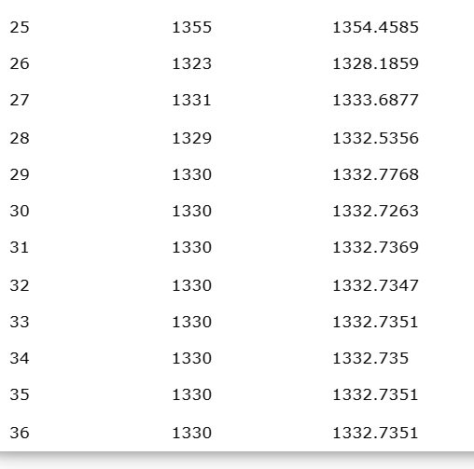
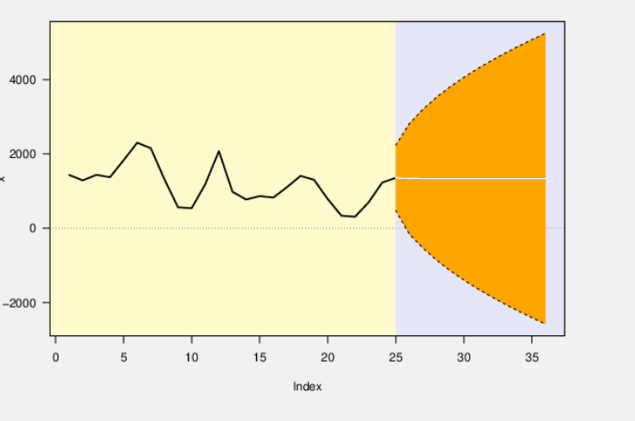
21 | 337 | 645 | -308 | 94864 |  |  |  |  |  | 12 | 2074 | - | - | - | -
22 | 308 | 255 | 53 | 2809 |  |  |  |  |  | 13 | 980 | - | - | - | -
23 | 695 | 349 | 346 | 119716 |  |  |  |  |  | 14 | 772 | - | - | - | -
24 | 1229 | 816 | 413 | 170569 |  |  |  |  |  | 15 | 865 | - | - | - | -
25 | 1355 | 1355 | 0 | 0 |  |  |  |  |  | 16 | 824 | - | - | - | -
26 | 1323 | 1323 | 0 | 0 |  |  |  |  |  | 17 | 1104 | - | - | - | -
27 | 1331 | 1331 | 0 | 0 |  |  |  |  |  | 18 | 1410 | - | - | - | -
28 | 1329 | 1329 | 0 | 0 |  |  |  |  |  | 19 | 1300 | - | - | - | -
29 | 1330 | 1330 | 0 | 0 |  |  |  |  |  | 20 | 783 | - | - | - | -
30 | 1330 | 1330 | 0 | 0 |  |  |  |  |  | 21 | 337 | - | - | - | -
31 | 1330 | 1330 | 0 | 0 |  |  |  |  |  | 22 | 308 | - | - | - | -
32 | 1330 | 1330 | 0 | 0 |  |  |  |  |  | 23 | 695 | - | - | - | -
33 | 1330 | 1330 | 0 | 0 |  |  |  |  |  | 24 | 1229 | - | - | - | -
34 | 1330 | 1330 | 0 | 0 |  |  |  |  |  | 25 | 1355 | 1354.4585 | 474.2469 | 2234.67 | 0.4995
35 | 1330 | 1330 | 0 | 0 |  |  |  |  |  | 26 | 1323 | 1328.1859 | -161.2035 | 2817.5753 | 0.4973
36 | 1330 | 1330 | 0 | 0 |  |  |  |  |  | 27 | 1331 | 1333.6877 | -538.3865 | 3205.7619 | 0.4989
 |  |  |  |  |  |  |  |  |  | 28 | 1329 | 1332.5356 | -863.6425 | 3528.7136 | 0.4987
 |  |  |  |  |  |  |  |  |  | 29 | 1330 | 1332.7768 | -1144.1098 | 3809.6635 | 0.4991
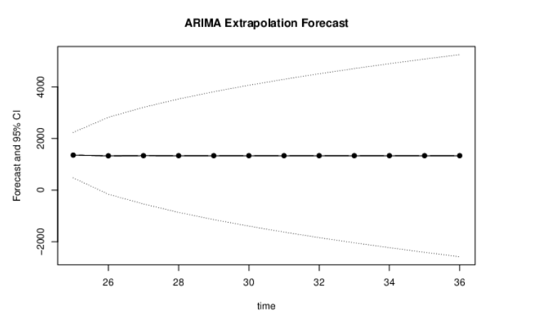
 |  |  |  |  |  |  |  |  |  | 30 | 1330 | 1332.7263 | -1396.4041 | 4061.8567 | 0.4992
 |  |  |  |  |  |  |  |  |  | 31 | 1330 | 1332.7369 | -1627.1687 | 4292.6425 | 0.4993
 |  |  |  |  |  |  |  |  |  | 32 | 1330 | 1332.7347 | -1841.2206 | 4506.6899 | 0.4993
 |  |  |  |  |  |  |  |  |  | 33 | 1330 | 1332.7351 | -2041.7174 | 4707.1876 | 0.4994
 |  |  |  |  |  |  |  |  |  | 34 | 1330 | 1332.735 | -2230.9527 | 4896.4227 | 0.4994
 |  |  |  |  |  |  |  |  |  | 35 | 1330 | 1332.7351 | -2410.6337 | 5076.1038 | 0.4994
 |  |  |  |  |  |  |  |  |  | 36 | 1330 | 1332.7351 | -2582.0765 | 5247.5467 | 0.499

Arima(2,2,1)
Arima(2,2,1)
 | Month | Y(T) | F(T)
 | 1 | 1434 | 1434
 | 2 | 1287 | 1287
 | 3 | 1436 | 1436
 | 4 | 1373 | 1373
 | 5 | 1830 | 1224
 | 6 | 2301 | 1635
 | 7 | 2152 | 1561
 | 8 | 1316 | 1430
 | 9 | 561 | 1514
 | 10 | 539 | 1802
 | 11 | 1184 | 1831
 | 12 | 2074 | 1481
 | 13 | 980 | 1177
 | 14 | 772 | 174
 | 15 | 865 | 1612
 | 16 | 824 | 1391
 | 17 | 1104 | 972
 | 18 | 1410 | 1089
 | 19 | 1300 | 993
 | 20 | 783 | 863
 | 21 | 337 | 927
 | 22 | 308 | 1105
 | 23 | 695 | 1093
 | 24 | 1229 | 893
 | 25 | 699 | 699
 | 26 | 165 | 165
 | 27 | 695 | 695
 | 28 | 1229 | 1229
 | 29 | 699 | 699
 | 30 | 165 | 165
 | 31 | 695 | 695
 | 32 | 1229 | 1229
 | 33 | 699 | 699
 | 34 | 165 | 165
 | 35 | 695 | 695
 | 36 | 1229 | 1229
e(t) | SORS | Ф1 | Ф2 | О1 | SORS | 7,198,339
0 | 0 | -1 | 0 | 0.42544874976
0 | 0
0 | 0
0 | 0
606 | 367236
666 | 443556 | Ф1+Ф2 | -1
591 | 349281 | Ф1-Ф2 | -1
-114 | 12996
-953 | 908209
-1263 | 1595169
-647 | 418609
593 | 351649
-197 | 38809
598 | 357604
-747 | 558009
-567 | 321489
132 | 17424
321 | 103041
307 | 94249
-80 | 6400
-590 | 348100
-797 | 635209
-398 | 158404
336 | 112896
0 | 0
0 | 0
...

With Backlog
...
Date | r(t) | q(t) | R(t) inventory | c1 | 4.197 | EUR/order
2021-01-07 | 46 | 0 | 1412 | EOQ | 2099.4025811 | pcs
2021-01-08 | 47 | 0 | 1365 | EOT* | 54 | day
2021-01-09 | 47 | 0 | 1318 | EOQ* | 2081 | pcs
2021-01-10 | 47 | 0 | 1271
2021-01-11 | 46 | 0 | 1225 | C1 | 58.757575758 | EUR
2021-01-12 | 46 | 0 | 1179 | C2 | 472.15909091 | EUR
2021-01-13 | 46 | 0 | 1133 | C3 | 21900.438409 | EUR
2021-01-14 | 47 | 0 | 1086 | Cb | 93802.4395 | EUR
2021-01-15 | 47 | 0 | 1039 | C | 116233.79458 | EUR
2021-01-16 | 47 | 0 | 992
R(t) inventory with backlog
 | R(t) inventory
1/1/2021 | 1689
1/2/2021 | 1643
1/3/2021 | 1596
1/4/2021 | 1550
1/5/2021 | 1504
1/6/2021 | 1458
1/7/2021 | 1412
1/8/2021 | 1365
1/9/2021 | 1318
1/10/2021 | 1271
1/11/2021 | 1225
1/12/2021 | 1179
1/13/2021 | 1133
1/14/2021 | 1086
1/15/2021 | 1039
1/16/2021 | 992
1/17/2021 | 946
1/18/2021 | 900
1/19/2021 | 854
1/20/2021 | 808
1/21/2021 | 762
1/22/2021 | 716
1/23/2021 | 670
1/24/2021 | 623
1/25/2021 | 577
1/26/2021 | 531
1/27/2021 | 485
1/28/2021 | 439
1/29/2021 | 393
1/30/2021 | 346
1/31/2021 | 300
2/1/2021 | 254
2/2/2021 | 208
2/3/2021 | 161
2/4/2021 | 115
2/5/2021 | 69
2/6/2021 | 24
2/7/2021 | -22
2/8/2021 | -68
2/9/2021 | -115
2/10/2021 | -161
2/11/2021 | -207
2/12/2021 | -252
2/13/2021 | -297
2/14/2021 | -343
2/15/2021 | -389
2/16/2021 | -435
2/17/2021 | -481
2/18/2021 | -527
2/19/2021 | -573
...
2021-01-17 | 46 | 0 | 946
2021-01-18 | 46 | 0 | 900
2021-01-19 | 46 | 0 | 854
2021-01-20 | 46 | 0 | 808
2021-01-21 | 46 | 0 | 762
2021-01-22 | 46 | 0 | 716
2021-01-23 | 46 | 0 | 670
2021-01-24 | 47 | 0 | 623
2021-01-25 | 46 | 0 | 577
2021-01-26 | 46 | 0 | 531
2021-01-27 | 46 | 0 | 485
2021-01-28 | 46 | 0 | 439
2021-01-29 | 46 | 0 | 393
2021-01-30 | 47 | 0 | 346
2021-01-31 | 46 | 0 | 300
2021-02-01 | 46 | 0 | 254
2021-02-02 | 46 | 0 | 208
2021-02-03 | 47 | 0 | 161
2021-02-04 | 46 | 0 | 115
2021-02-05 | 46 | 0 | 69
2021-02-06 | 45 | 0 | 24
2021-02-07 | 46 | 0 | -22
2021-02-08 | 46 | 0 | -68
2021-02-09 | 47 | 0 | -115
2021-02-10 | 46 | 0 | -161
2021-02-11 | 46 | 0 | -207
...

Without Backlog
...
Date | r(t) | q(t) [pcs] | R(t) inventory{pcs] | c1 | 4.197 | EUR/order
2021-01-08 | 47 | 270 | 171 | c9 | 7 | day
2021-01-09 | 47 | 0 | 124 | c10 | 270 | pcs
2021-01-10 | 47 | 0 | 77
2021-01-11 | 46 | 0 | 31 | C1 | 440.68181818 | EUR
2021-01-12 | 46 | 0 | -15 | C2 | 38.150454545 | EUR
2021-01-13 | 46 | 0 | -61 | C3 | 28374.872727 | EUR
2021-01-14 | 47 | 0 | -108 | Cb | 92378.475 | EUR
2021-01-15 | 47 | 270 | 115 | C | 121232.18 | EUR
2021-01-16 | 47 | 0 | 68
2021-01-17 | 46 | 0 | 22
 | R(t) inventory{pcs]
1/1/2021 | 225
1/2/2021 | 179
1/3/2021 | 132
1/4/2021 | 86
1/5/2021 | 40
1/6/2021 | -6
1/7/2021 | -52
1/8/2021 | 171
1/9/2021 | 124
1/10/2021 | 77
1/11/2021 | 31
1/12/2021 | -15
1/13/2021 | -61
1/14/2021 | -108
1/15/2021 | 115
1/16/2021 | 68
1/17/2021 | 22
1/18/2021 | -24
1/19/2021 | -70
1/20/2021 | -116
1/21/2021 | -162
1/22/2021 | 62
1/23/2021 | 16
1/24/2021 | -31
1/25/2021 | -77
1/26/2021 | -123
1/27/2021 | -169
1/28/2021 | -215
1/29/2021 | 9
1/30/2021 | -38
1/31/2021 | -84
2/1/2021 | -130
2/2/2021 | -176
2/3/2021 | -223
2/4/2021 | -269
2/5/2021 | -45
2/6/2021 | -90
2/7/2021 | -136
2/8/2021 | -182
2/9/2021 | -229
2/10/2021 | -275
2/11/2021 | -321
2/12/2021 | -96
2/13/2021 | -141
2/14/2021 | -187
2/15/2021 | -233
2/16/2021 | -279
2/17/2021 | -325
2/18/2021 | -371
2/19/2021 | -147
...
2021-01-18 | 46 | 0 | -24
2021-01-19 | 46 | 0 | -70
2021-01-20 | 46 | 0 | -116
2021-01-21 | 46 | 0 | -162
2021-01-22 | 46 | 270 | 62
2021-01-23 | 46 | 0 | 16
2021-01-24 | 47 | 0 | -31
2021-01-25 | 46 | 0 | -77
2021-01-26 | 46 | 0 | -123
2021-01-27 | 46 | 0 | -169
2021-01-28 | 46 | 0 | -215
2021-01-29 | 46 | 270 | 9
2021-01-30 | 47 | 0 | -38
2021-01-31 | 46 | 0 | -84
2021-02-01 | 46 | 0 | -130
2021-02-02 | 46 | 0 | -176
2021-02-03 | 47 | 0 | -223
2021-02-04 | 46 | 0 | -269
2021-02-05 | 46 | 270 | -45
2021-02-06 | 45 | 0 | -90
2021-02-07 | 46 | 0 | -136
2021-02-08 | 46 | 0 | -182
2021-02-09 | 47 | 0 | -229
2021-02-10 | 46 | 0 | -275
2021-02-11 | 46 | 0 | -321
...

